Schedule 26-A Adjustment
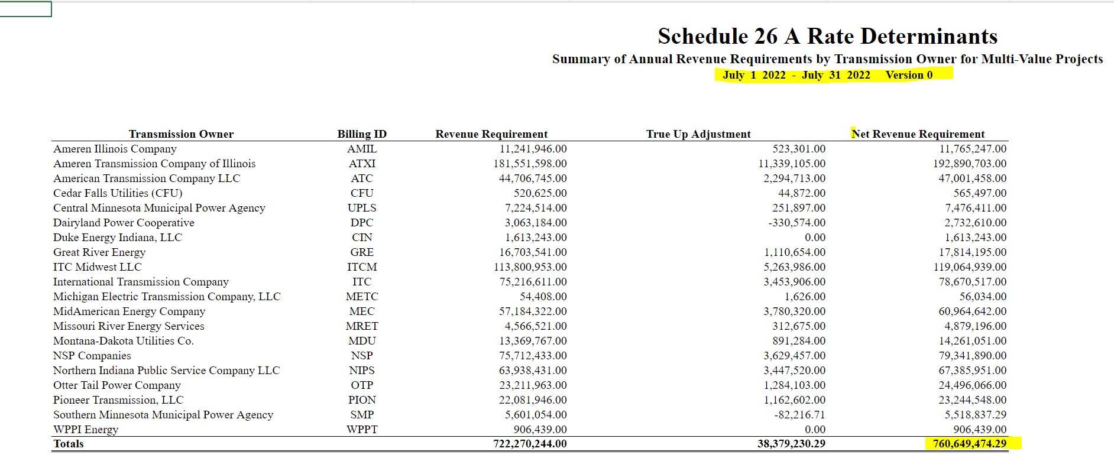
 | Pro Forma Schedule 26-A Expense due to Changed in Revenue Requirements Effectivev January 2023

Line |  | Jan | Feb | Mar | Apr | May 1/ | Jun | Jul | Aug | Sep | Oct | Nov | Dec | Total
1 | 2022 Posted Net Revenue Requirement | $755,753,449 | $755,753,449 | $755,753,449 | $755,753,449 | $755,753,449 | $755,430,510 | $760,649,474 | $760,649,474 | $760,649,474 | $760,649,474 | $760,649,474 | $760,649,474
2 | Jan 2023 Posted Net Revenue Requirement | $774,928,767 | $774,928,767 | $774,928,767 | $774,928,767 | $774,928,767 | $774,928,767 | $774,928,767 | $774,928,767 | $774,928,767 | $774,928,767 | $774,928,767 | $774,928,767

3 | Increase by Month | 2.5372% | 2.5372% | 2.5372% | 2.5372% | 2.5372% | 2.5811% | 1.8773% | 1.8773% | 1.8773% | 1.8773% | 1.8773% | 1.8773%

4 | 2022 Ameren Missouri Schedule 26-A Expense | $4,877,587 | $4,396,861 | $3,711,835 | $3,474,653 | $3,917,754 | $5,033,944 | $5,627,738 | $5,280,523 | $4,041,125 | $3,580,286 | $3,937,514 | $4,691,149 | $52,570,971

5 | Schedule 26-A Expense Adjusted for 2023 | $5,001,344 | $4,508,421 | $3,806,013 | $3,562,813 | $4,017,157 | $5,163,875 | $5,733,385 | $5,379,652 | $4,116,987 | $3,647,497 | $4,011,431 | $4,779,214 | $53,727,788

6 | Increase in 2022 Expenses | $123,756 | $111,559 | $94,178 | $88,160 | $99,403 | $129,930 | $105,647 | $99,129 | $75,862 | $67,211 | $73,917 | $88,065 | $1,156,817

 | 1/ - | See Schedule MJL-TUR20 for further detail on May 2022

