ER-2019-0374 Support
Surrebuttal Schedule CTE-8 Asbury
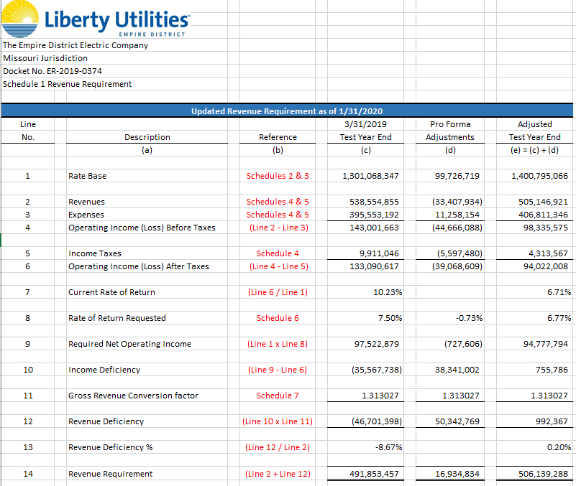

 | Rev Req | 506,139,288

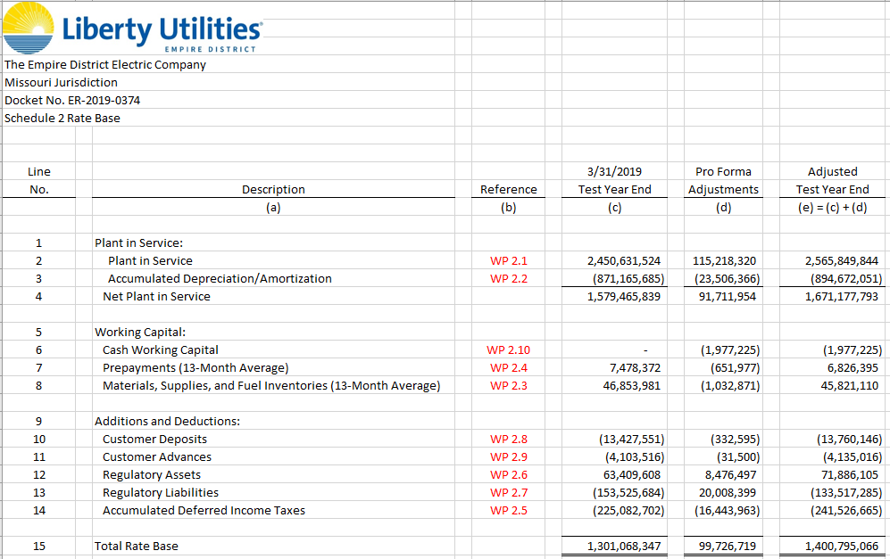

 | CWC | (1,977,225)

