PPC.2 & PCR.1F
 |  | COST ($) SUMMARY |  |  |  |  |  | Savings (Kwh) Summary |  |  |  |  |  | Cost /Kwh ($) Summary |  |  |  |  |  | MEEIA FILING Comparison
 |  | 2016 | 2017 | 2018 (Jan) | 2019 | TOTAL |  | 2016 | 2017 | 2018 | 2019 | TOTAL |  | 2016 | 2017 | 2018 | 2019 | TOTAL |  | 3 Year Total | EEIC/MEEIA (%)
 | EE Business | $6,893,220 | $18,214,342 | $2,379,884 | $- | $27,487,447 |  |  |  |  |  | - |  | #DIV/0! | #DIV/0! |  |  | #DIV/0! | #DIV/0! | $0.22 | #DIV/0!
 | EE Residential | $14,107,624 | $18,872,182 | $1,170,651 | $- | $34,150,457 |  |  |  |  |  | - |  | #DIV/0! | #DIV/0! |  |  | #DIV/0! | #DIV/0! | $0.28 | #DIV/0!
 | Common/General | $1,677,693 | $6,950,514 | $573,307 | $- | $9,201,515 |  |  |  |  |  | -
 | Low income | $1,280,290 | $3,422,610 | $154,078 | $- | $4,856,978 |  |  |  |  |  | - |  | #DIV/0! | #DIV/0! |  |  | #DIV/0! |  | $0.73 | #DIV/0!
 | Total | $23,958,828 | $47,459,649 | $4,277,921 | $- | $75,696,398 |  |  |  |  |  | - |  | #DIV/0! | #DIV/0! |  |  | #DIV/0! |  | $0.24 | #DIV/0!

 | Based on PM 3-11-2016 Reforecast | Jan-16 | Feb-16 | Mar-16 | Apr-16 | May-16 | Jun-16 | Jul-16 | Aug-16 | Sep-16 | Oct-16 | Nov-16 | Dec-16 | Jan-17 | Feb-17 | Mar-17 | Apr-17 | May-17 | Jun-17 | Jul-17 | Aug-17 | Sep-17 | Oct-17 | Nov-17 | Dec-17 | Jan-18 | Feb-18 | Mar-18 | Apr-18 | May-18 | Jun-18 | Jul-18 | Aug-18 | Sep-18 | Oct-18 | Nov-18 | Dec-18 | Jan-19 | Feb-19 | Mar-19 | Apr-19 | May-19 | Jun-19 | Jul-19 | Aug-19 | Sep-19 | Oct-19 | Nov-19 | Dec-19
 | EE Business | $- | $- | $360,012 | $100,283 | $276,552 | $419,404 | $431,971 | $994,208 | $195,055 | $1,353,561 | $1,340,408 | $1,421,766 | $1,143,278 | $1,104,950 | $1,254,346 | $1,283,603 | $1,386,935 | $1,421,979 | $1,541,407 | $1,629,805 | $1,676,561 | $1,826,870 | $1,884,043 | $2,060,567 | $2,379,884
 | EE Residential | $- | $- | $92,702 | $470,888 | $1,113,267 | $1,040,038 | $1,509,772 | $2,518,235 | $1,528,669 | $1,905,357 | $2,158,987 | $1,769,709 | $1,193,340 | $1,123,263 | $1,157,271 | $1,021,647 | $1,230,807 | $1,726,928 | $2,162,468 | $2,019,117 | $1,887,026 | $1,670,577 | $1,762,686 | $1,917,052 | $1,170,651
 | Common/General | $- | $- | $13,689 | $4,868 | $16,491 | $248,118 | $167,978 | $101,199 | $279,336 | $235,613 | $307,471 | $302,930 | $482,207 | $486,207 | $528,605 | $528,605 | $528,605 | $611,939 | $651,938 | $573,216 | $573,216 | $661,991 | $661,991 | $661,991 | $573,307
 | Low income | $- | $- | $23,175 | $20,000 | $110,942 | $105,942 | $77,203 | $288,149 | $98,245 | $(20,630) | $278,144 | $299,120 | $395,732 | $513,320 | $175,054 | $265,187 | $376,297 | $397,273 | $265,187 | $265,187 | $286,163 | $154,078 | $154,078 | $175,054 | $154,078
 | Total | $- | $- | $489,578 | $596,039 | $1,517,252 | $1,813,502 | $2,186,924 | $3,901,791 | $2,101,305 | $3,473,901 | $4,085,010 | $3,793,525 | $3,214,558 | $3,227,740 | $3,115,276 | $3,099,042 | $3,522,644 | $4,158,119 | $4,621,000 | $4,487,326 | $4,422,966 | $4,313,516 | $4,462,798 | $4,814,664 | $4,277,921
 | Cum | $- | $- | $489,578 | $1,085,617 | $2,602,869 | $4,416,371 | $6,603,295 | $10,505,086 | $12,606,391 | $16,080,292 | $20,165,303 | $23,958,828 | $27,173,386 | $30,401,125 | $33,516,402 | $36,615,444 | $40,138,088 | $44,296,207 | $48,917,208 | $53,404,533 | $57,827,500 | $62,141,015 | $66,603,813 | $71,418,476 | $75,696,398
 | *** Work with EE team to update the most recent monthly Program Cost Reforecast and sumarize the data into the 4 buckets above as required for EEIC rider.
 | EE Business | EE Residential | Common/General | Low income | Total
Jan-16 | $- | $- | $- | $- | $-
Feb-16 | $- | $- | $- | $- | $-
Mar-16 | $360,012 | $92,702 | $13,689 | $23,175 | $489,578
Apr-16 | $100,283 | $470,888 | $4,868 | $20,000 | $596,039
May-16 | $276,552 | $1,113,267 | $16,491 | $110,942 | $1,517,252
Jun-16 | $419,404 | $1,040,038 | $248,118 | $105,942 | $1,813,502
Jul-16 | $431,971 | $1,509,772 | $167,978 | $77,203 | $2,186,924
Aug-16 | $994,208 | $2,518,235 | $101,199 | $288,149 | $3,901,791
Sep-16 | $195,055 | $1,528,669 | $279,336 | $98,245 | $2,101,305
Oct-16 | $1,353,561 | $1,905,357 | $235,613 | $(20,630) | $3,473,901
Nov-16 | $1,340,408 | $2,158,987 | $307,471 | $278,144 | $4,085,010
Dec-16 | $1,421,766 | $1,769,709 | $302,930 | $299,120 | $3,793,525
Jan-17 | $1,143,278 | $1,193,340 | $482,207 | $395,732 | $3,214,558
Feb-17 | $1,104,950 | $1,123,263 | $486,207 | $513,320 | $3,227,740
Mar-17 | $1,254,346 | $1,157,271 | $528,605 | $175,054 | $3,115,276
Apr-17 | $1,283,603 | $1,021,647 | $528,605 | $265,187 | $3,099,042
May-17 | $1,386,935 | $1,230,807 | $528,605 | $376,297 | $3,522,644
Jun-17 | $1,421,979 | $1,726,928 | $611,939 | $397,273 | $4,158,119
Jul-17 | $1,541,407 | $2,162,468 | $651,938 | $265,187 | $4,621,000
Aug-17 | $1,629,805 | $2,019,117 | $573,216 | $265,187 | $4,487,326
Sep-17 | $1,676,561 | $1,887,026 | $573,216 | $286,163 | $4,422,966
Oct-17 | $1,826,870 | $1,670,577 | $661,991 | $154,078 | $4,313,516
Nov-17 | $1,884,043 | $1,762,686 | $661,991 | $154,078 | $4,462,798
Dec-17 | $2,060,567 | $1,917,052 | $661,991 | $175,054 | $4,814,664
Jan-18 | $2,379,884 | $1,170,651 | $573,307 | $154,078 | $4,277,921
Feb-18
Mar-18
Apr-18
May-18
Jun-18
Jul-18
Aug-18
Sep-18
Oct-18
Nov-18
Dec-18
Jan-19
Feb-19
Mar-19
Apr-19
May-19
Jun-19
Jul-19
Aug-19
Sep-19
Oct-19
Nov-19
Dec-19
 |  |  |  |  |  |  |  |  |  |  | PPC.2 |  | Total Feb 17 - Jan 18
 |  |  |  |  |  |  |  |  |  |  | RES |  | $18,849,493
 |  |  |  |  |  |  |  |  |  |  | BUS |  | $19,450,949
 |  |  |  |  |  |  |  |  |  |  | Low Income |  | $3,180,956
 |  |  |  |  |  |  |  |  |  |  | Common/General |  | $7,041,615

 |  |  |  |  |  |  |  |  |  |  | PCR Input #1 Forecasts | Nov-16 | Dec-16 | Jan-17
 |  |  |  |  |  |  |  |  |  |  | RES | $2,158,987.00 | $1,769,709.36 | $1,193,340.45
 |  |  |  |  |  |  |  |  |  |  | BUS | $1,340,408.27 | $1,421,766.06 | $1,143,277.95
 |  |  |  |  |  |  |  |  |  |  | Low Income | $278,144.00 | $299,120.00 | $395,732.00
 |  |  |  |  |  |  |  |  |  |  | Common/General | $307,471.00 | $302,930.00 | $482,207.23

EEIC Category | Project
Com./ Gen | J06D3 - MEEIA 2016-2018 Education
Com./ Gen | J06D4 - MEEIA 2016-2018 Marketing
Com./ Gen | J06D5 - MEEIA 2016-2018 Potintial Study
Com./ Gen | J06D6 - MEEIA 2016-2018 Data Tracking
Com./ Gen | J000P - MEEIA 2016-2018 R&D
Com./ Gen | J06D7 - MEEIA 2016-2018 General Exp
 | Portfolio Total
Bus | J06D8 - MEEIA 2016-2018 Biz Standard
Bus | J06D9 - MEEIA 2016-2018 Biz Custom
Bus | J06DB - MEEIA 2016-2018 Biz Retro-commissio
Bus | J06DC - MEEIA 2016-2018 Biz New Constructio
Bus | J0006 - MEEIA 2016-2018 Biz SBDI
Bus | J06DD - MEEIA 2016-2018 Biz Program Gen Exp
 | Business Total
Res | J06DF - MEEIA 2016-2018 Res Lighting
Res | J06DG - MEEIA 2016-2018 Res Energy Efficien
Res | J06DH - MEEIA 2016-2018 Res HVAC
Low Inc. | J06DK - MEEIA 2016-2018 Res Low Income
Res | J06DL - MEEIA 2016-2018 Res Kits
Res | J0005 - MEEIA 2016-2018 Res Home Energy Rpt
Res | J06DM - MEEIA 2016-2018 Res Program Gen Exp
Res | Residential Total
Res | J06DN - MEEIA 2016-2018 EMV Res Programs
Biz | J06DP - MEEIA 2016-2018 EMV Biz Programs
Com./ Gen | J06DQ - MEEIA 2016-2018 EMV Gen Expense
 | EM&V Total
Com./ Gen | J06DR - MEEIA 2016-2018 Communications

PCR.5
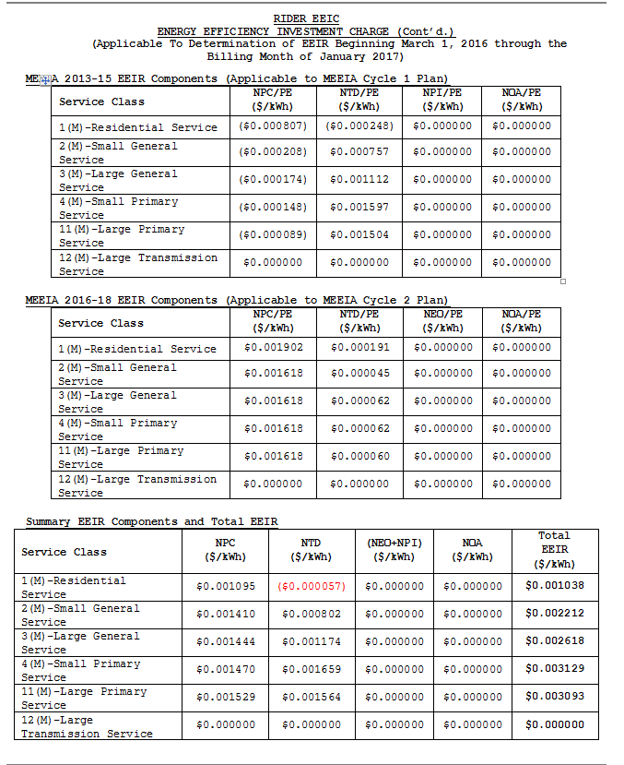
Tariff rate as filed for 2016

