Sheet1
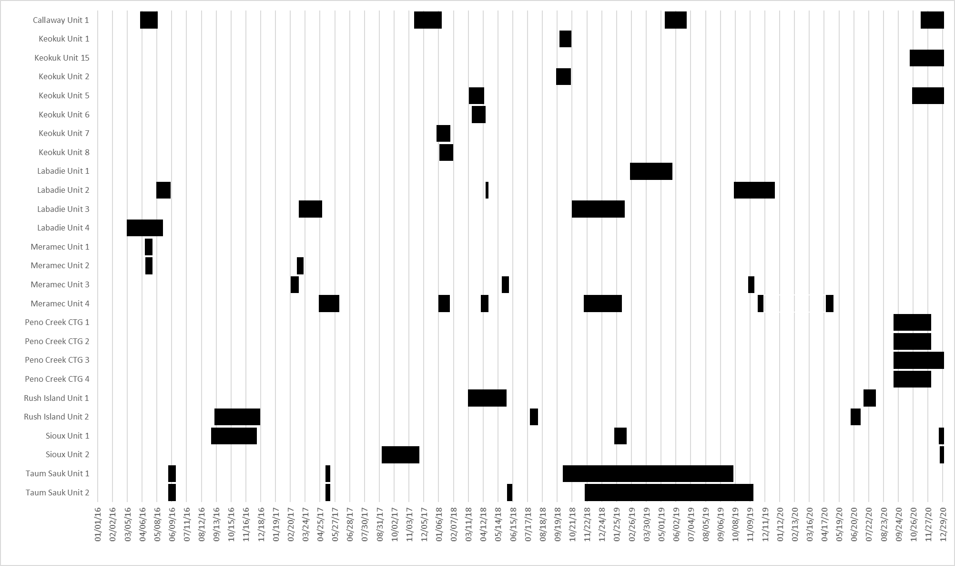
Generator | Days | S | E
Callaway Unit 1 | 39 | 2016-04-02 | 2016-05-10
Callaway Unit 1 | 60 | 2017-10-07 | 2017-12-06
Callaway Unit 1 | 48 | 2019-04-01 | 2019-05-18
Callaway Unit 1 | 79 | 2020-10-04 | 2020-12-22
Keokuk Unit 1 | 25 | 2018-09-24 | 2018-10-19
Keokuk Unit 15 | 266 | 2020-10-19 | 2021-07-11
Keokuk Unit 2 | 31 | 2018-09-17 | 2018-10-18
Keokuk Unit 5 | 33 | 2018-03-12 | 2018-04-14
Keokuk Unit 5 | 259 | 2020-09-21 | 2021-06-06
Keokuk Unit 6 | 29 | 2018-03-19 | 2018-04-17
Keokuk Unit 7 | 30 | 2018-01-01 | 2018-01-31
Keokuk Unit 8 | 29 | 2018-01-08 | 2018-02-06
Labadie Unit 1 | 92 | 2019-02-23 | 2019-05-26
Labadie Unit 2 | 32 | 2016-05-07 | 2016-06-07
Labadie Unit 2 | 8 | 2018-03-17 | 2018-03-24
Labadie Unit 2 | 89 | 2019-09-04 | 2019-12-02
Labadie Unit 3 | 50 | 2017-03-10 | 2017-04-30
Labadie Unit 3 | 113 | 2018-08-31 | 2018-12-23
Labadie Unit 4 | 78 | 2016-03-04 | 2016-05-21
Meramec Unit 1 | 17 | 2016-04-12 | 2016-04-29
Meramec Unit 2 | 16 | 2016-04-13 | 2016-04-29
Meramec Unit 2 | 16 | 2017-02-18 | 2017-03-05
Meramec Unit 3 | 18 | 2017-02-21 | 2017-03-10
Meramec Unit 3 | 16 | 2018-05-05 | 2018-05-21
Meramec Unit 3 | 13 | 2019-10-19 | 2019-11-01
Meramec Unit 4 | 45 | 2017-04-22 | 2017-06-06
Meramec Unit 4 | 24 | 2017-11-22 | 2017-12-16
Meramec Unit 4 | 17 | 2018-02-21 | 2018-03-10
Meramec Unit 4 | 82 | 2018-10-01 | 2018-12-22
Meramec Unit 4 | 13 | 2019-10-12 | 2019-10-25
Meramec Unit 4 | 16 | 2020-03-07 | 2020-03-23
Peno Creek CTG 1 | 82 | 2020-09-14 | 2020-12-04
Peno Creek CTG 2 | 82 | 2020-09-14 | 2020-12-04
Peno Creek CTG 3 | 138 | 2020-09-14 | 2021-01-29
Peno Creek CTG 4 | 82 | 2020-09-14 | 2020-12-04
Rush Island Unit 1 | 84 | 2018-03-10 | 2018-06-02
Rush Island Unit 1 | 28 | 2020-04-18 | 2020-05-15
Rush Island Unit 2 | 98 | 2016-09-09 | 2016-12-17
Rush Island Unit 2 | 17 | 2018-04-14 | 2018-05-01
Rush Island Unit 2 | 22 | 2020-03-06 | 2020-03-28
Sioux Unit 1 | 99 | 2016-09-02 | 2016-12-10
Sioux Unit 1 | 27 | 2018-10-13 | 2018-11-09
Sioux Unit 1 | 72 | 2020-09-12 | 2020-11-22
Sioux Unit 2 | 81 | 2017-09-05 | 2017-11-25
Sioux Unit 2 | 27 | 2020-10-02 | 2020-10-29
Taum Sauk Unit 1 | 16 | 2016-06-02 | 2016-06-18
Taum Sauk Unit 1 | 10 | 2017-04-21 | 2017-05-01
Taum Sauk Unit 1 | 369 | 2018-09-15 | 2019-09-18
Taum Sauk Unit 2 | 16 | 2016-06-02 | 2016-06-18
Taum Sauk Unit 2 | 10 | 2017-04-21 | 2017-05-01
Taum Sauk Unit 2 | 11 | 2018-05-18 | 2018-05-29
Taum Sauk Unit 2 | 365 | 2018-11-01 | 2019-10-31

