MEEIA 2 adjs
...
From November 2021 filing (wp CPA3 MEEIA 2 adjs tab): |  |  |  |  |  |  |  | From November 2021 filing (wp CPA3 MEEIA 2 adjs tab):
Program Cost
 | Program Cost Expense | $0.00 | $0.00
 | Program Cost Revenue | $0.00 | $0.00
 | PC (Over)/Under Recovery | $0.00 | $0.00
 | Interest Rate (ST Borrowing rate) | 0.755460% | 0.760170%
 | Interest $ | $0.00 | $0.00
 | Cumulative Interest | $0.00 | $0.00
 | Total PC (Over)/Under Recovery | $0.00 | $0.00
 | Cumulative Balance - PC Regulatory Asset/(Liability) | $0.00 | $0.00
...
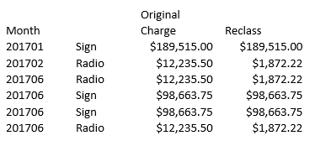
...
From November 2021 filing (wp CPA3 MEEIA 2 adjs tab): |  |  |  |  |  |  |  | From November 2021 filing (wp CPA3 MEEIA 2 adjs tab):
TD Home Energy Report adjs to book in accordance with tariff - booked to GL in Jul 2019
 |  | Jan-16 | Feb-16 | Mar-19 | Apr-19 | May-19 | Jun-19
TD - TOTAL
 | Throughput Disincentive - Current Month |  |  | $1,991,958.32 | $1,852,056.33 | $2,404,199.62 | $6,080,629.25
 | Throughput Disincentive Revenue |  |  | #REF! | #REF! | #REF! | #REF!
 | Amortization of previous year balance |  |  | #REF! | #REF! | #REF! | #REF!
 | Net TD Revenue |  |  | #REF! | #REF! | #REF! | #REF!
 | TD (Over)/Under Recovery |  |  | #REF! | #REF! | #REF! | #REF!
...

