2. TD Res Lighting install 2022
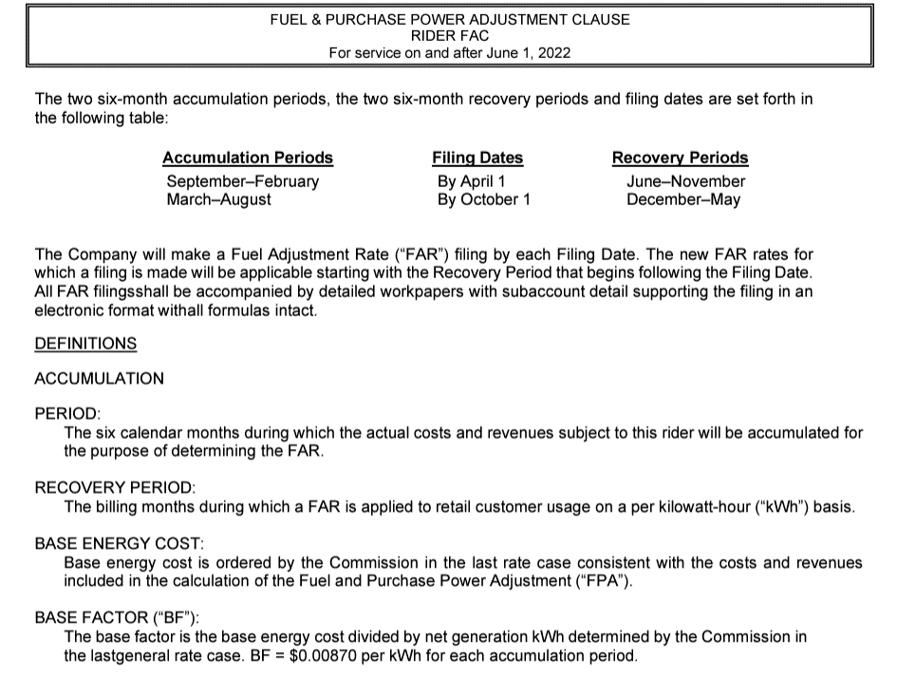
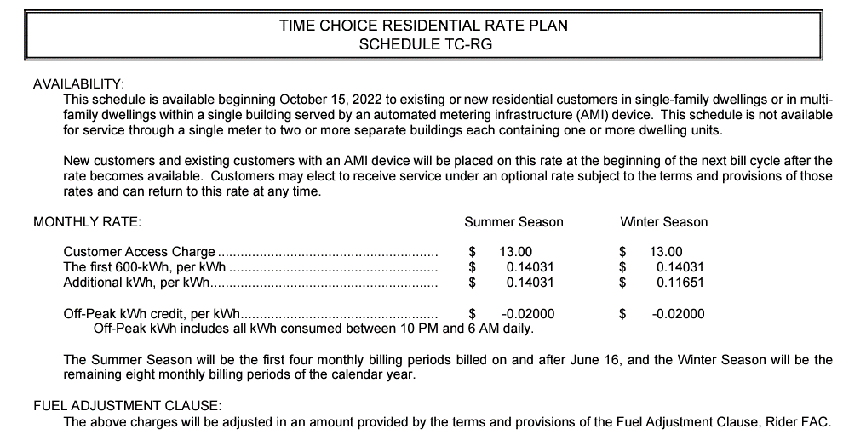
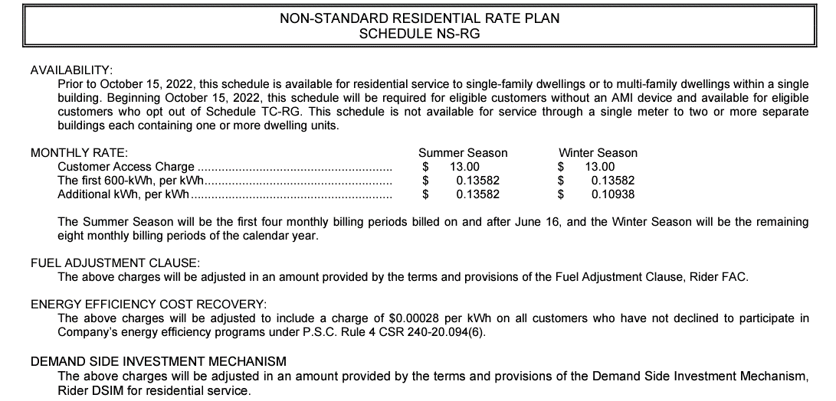
2025 MEEIA Filing |  | Realized kWh Savings in 2022 |  |  |  |  |  |  |  |  |  |  |  | Realized kWh Savings in 2023 |  |  |  |  |  |  |  |  |  |  |  | Realized kWh Savings in 2024 |  |  |  |  |  |  |  |  |  |  |  | Projected kWh Savings in 2025 |  |  |  |  |  |  |  |  |  |  |  | Realized | Realized | Realized | Projected
Residential Lighting Installed in 2022 |  | Jan-22 | Feb-22 | Mar-22 | Apr-22 | May-22 | Jun-22 | Jul-22 | Aug-22 | Sep-22 | Oct-22 | Nov-22 | Dec-22 | Jan-23 | Feb-23 | Mar-23 | Apr-23 | May-23 | Jun-23 | Jul-23 | Aug-23 | Sep-23 | Oct-23 | Nov-23 | Dec-23 | Jan-24 | Feb-24 | Mar-24 | Apr-24 | May-24 | Jun-24 | Jul-24 | Aug-24 | Sep-24 | Oct-24 | Nov-24 | Dec-24 | Jan-25 | Feb-25 | Mar-25 | Apr-25 | May-25 | Jun-25 | Jul-25 | Aug-25 | Sep-25 | Oct-25 | Nov-25 | Dec-25 | 2022 | 2023 | 2024 | 2025

Actual Installed Savings | kWh

Jan-22 | - | - | - | - | - | - | - | - | - | - | - | - | - | - | - | - | - | - | - | - | - | - | - | - | - | - | - | - | - | - | - | - | - | - | - | - | - | - | - | - | - | - | - | - | - | - | - | - | - | - | - | - | -
Feb-22 | - |  | - | - | - | - | - | - | - | - | - | - | - | - | - | - | - | - | - | - | - | - | - | - | - | - | - | - | - | - | - | - | - | - | - | - | - | - | - | - | - | - | - | - | - | - | - | - | - | - | - | - | -
Mar-22 | 1,668 |  |  | 77 | 141 | 132 | 114 | 113 | 118 | 123 | 141 | 150 | 164 | 169 | 148 | 155 | 141 | 132 | 114 | 113 | 118 | 123 | 141 | 150 | 164 | 169 | 148 | 155 | 141 | 132 | 114 | 113 | 118 | 123 | 141 | 150 | 164 | 169 | 148 | 155 | 141 | 132 | 114 | 113 | 118 | 123 | 141 | 150 | 164 | 1,274 | 1,668 | 1,668 | 1,668
Apr-22 | 3,063 |  |  |  | 130 | 243 | 210 | 208 | 216 | 226 | 259 | 275 | 301 | 310 | 271 | 285 | 259 | 243 | 210 | 208 | 216 | 226 | 259 | 275 | 301 | 310 | 271 | 285 | 259 | 243 | 210 | 208 | 216 | 226 | 259 | 275 | 301 | 310 | 271 | 285 | 259 | 243 | 210 | 208 | 216 | 226 | 259 | 275 | 301 | 2,068 | 3,063 | 3,063 | 3,063
May-22 | - |  |  |  |  | - | - | - | - | - | - | - | - | - | - | - | - | - | - | - | - | - | - | - | - | - | - | - | - | - | - | - | - | - | - | - | - | - | - | - | - | - | - | - | - | - | - | - | - | - | - | - | -
Jun-22 | 315 |  |  |  |  |  | 11 | 21 | 22 | 23 | 27 | 28 | 31 | 32 | 28 | 29 | 27 | 25 | 22 | 21 | 22 | 23 | 27 | 28 | 31 | 32 | 28 | 29 | 27 | 25 | 22 | 21 | 22 | 23 | 27 | 28 | 31 | 32 | 28 | 29 | 27 | 25 | 22 | 21 | 22 | 23 | 27 | 28 | 31 | 163 | 315 | 315 | 315
Jul-22 | 1,962 |  |  |  |  |  |  | 67 | 138 | 145 | 166 | 176 | 193 | 199 | 174 | 182 | 166 | 156 | 134 | 133 | 138 | 145 | 166 | 176 | 193 | 199 | 174 | 182 | 166 | 156 | 134 | 133 | 138 | 145 | 166 | 176 | 193 | 199 | 174 | 182 | 166 | 156 | 134 | 133 | 138 | 145 | 166 | 176 | 193 | 885 | 1,962 | 1,962 | 1,962
Aug-22 | 39 |  |  |  |  |  |  |  | 1 | 3 | 3 | 3 | 4 | 4 | 3 | 4 | 3 | 3 | 3 | 3 | 3 | 3 | 3 | 3 | 4 | 4 | 3 | 4 | 3 | 3 | 3 | 3 | 3 | 3 | 3 | 3 | 4 | 4 | 3 | 4 | 3 | 3 | 3 | 3 | 3 | 3 | 3 | 3 | 4 | 15 | 39 | 39 | 39
Sep-22 | - |  |  |  |  |  |  |  |  | - | - | - | - | - | - | - | - | - | - | - | - | - | - | - | - | - | - | - | - | - | - | - | - | - | - | - | - | - | - | - | - | - | - | - | - | - | - | - | - | - | - | - | -
Oct-22 | 1,374 |  |  |  |  |  |  |  |  |  | 58 | 124 | 135 | 139 | 122 | 128 | 116 | 109 | 94 | 93 | 97 | 101 | 116 | 124 | 135 | 139 | 122 | 128 | 116 | 109 | 94 | 93 | 97 | 101 | 116 | 124 | 135 | 139 | 122 | 128 | 116 | 109 | 94 | 93 | 97 | 101 | 116 | 124 | 135 | 317 | 1,374 | 1,374 | 1,374
Nov-22 | 157,958 |  |  |  |  |  |  |  |  |  |  | 7,099 | 15,529 | 15,982 | 13,970 | 14,671 | 13,370 | 12,541 | 10,821 | 10,720 | 11,146 | 11,656 | 13,354 | 14,197 | 15,529 | 15,982 | 13,970 | 14,671 | 13,370 | 12,541 | 10,821 | 10,720 | 11,146 | 11,656 | 13,354 | 14,197 | 15,529 | 15,982 | 13,970 | 14,671 | 13,370 | 12,541 | 10,821 | 10,720 | 11,146 | 11,656 | 13,354 | 14,197 | 15,529 | 22,628 | 157,958 | 157,958 | 157,958
Dec-22 | 208,764 |  |  |  |  |  |  |  |  |  |  |  | 10,262 | 21,123 | 18,463 | 19,390 | 17,671 | 16,574 | 14,302 | 14,168 | 14,731 | 15,405 | 17,649 | 18,764 | 20,524 | 21,123 | 18,463 | 19,390 | 17,671 | 16,574 | 14,302 | 14,168 | 14,731 | 15,405 | 17,649 | 18,764 | 20,524 | 21,123 | 18,463 | 19,390 | 17,671 | 16,574 | 14,302 | 14,168 | 14,731 | 15,405 | 17,649 | 18,764 | 20,524 | 10,262 | 208,764 | 208,764 | 208,764

Total Savings (kWh) | 375,142 | - | - | 77 | 271 | 376 | 335 | 409 | 496 | 520 | 654 | 7,855 | 26,619 | 37,958 | 33,178 | 34,843 | 31,754 | 29,784 | 25,700 | 25,459 | 26,472 | 27,682 | 31,714 | 33,718 | 36,881 | 37,958 | 33,178 | 34,843 | 31,754 | 29,784 | 25,700 | 25,459 | 26,472 | 27,682 | 31,714 | 33,718 | 36,881 | 37,958 | 33,178 | 34,843 | 31,754 | 29,784 | 25,700 | 25,459 | 26,472 | 27,682 | 31,714 | 33,718 | 36,881 | 37,612 | 375,142 | 375,142 | 375,142
Net-to-Gross Factor (%) | 82.5%
Rate ($ per kWh) |  | $0.07755 | $0.07755 | $0.07755 | $0.07755 | $0.07755 | $0.10234 | $0.12712 | $0.12712 | $0.12712 | $0.11390 | $0.10241 | $0.10241 | $0.10241 | $0.10241 | $0.10241 | $0.10241 | $0.10241 | $0.11431 | $0.12621 | $0.12621 | $0.12621 | $0.11431 | $0.10241 | $0.10241 | $0.10241 | $0.10241 | $0.10241 | $0.10241 | $0.10241 | $0.11431 | $0.12621 | $0.12621 | $0.12621 | $0.11431 | $0.10241 | $0.10241 | $0.10241 | $0.10241 | $0.10241 | $0.10241 | $0.10241 | $0.11431 | $0.12621 | $0.12621 | $0.12621 | $0.11431 | $0.10241 | $0.10241
Total Savings ($) |  | $- | $- | $5 | $17 | $24 | $28 | $43 | $52 | $55 | $61 | $664 | $2,249 | $3,207 | $2,803 | $2,944 | $2,683 | $2,516 | $2,424 | $2,651 | $2,756 | $2,882 | $2,991 | $2,849 | $3,116 | $3,207 | $2,803 | $2,944 | $2,683 | $2,516 | $2,424 | $2,651 | $2,756 | $2,882 | $2,991 | $2,849 | $3,116 | $3,207 | $2,803 | $2,944 | $2,683 | $2,516 | $2,424 | $2,651 | $2,756 | $2,882 | $2,991 | $2,849 | $3,116 | 3,198 | 33,823 | 33,823 | 33,823

Portfolio Breakdown
Lighting Load Shape |  | 100.0%
Heating-based Load Shape |  | 0.0%
Cooling-based Load Shape |  | 0.0%

Lighting |  | 10.1% | 8.8% | 9.3% | 8.5% | 7.9% | 6.9% | 6.8% | 7.1% | 7.4% | 8.5% | 9.0% | 9.8% | 10.1% | 8.8% | 9.3% | 8.5% | 7.9% | 6.9% | 6.8% | 7.1% | 7.4% | 8.5% | 9.0% | 9.8% | 10.1% | 8.8% | 9.3% | 8.5% | 7.9% | 6.9% | 6.8% | 7.1% | 7.4% | 8.5% | 9.0% | 9.8% | 10.1% | 8.8% | 9.3% | 8.5% | 7.9% | 6.9% | 6.8% | 7.1% | 7.4% | 8.5% | 9.0% | 9.8%
Heating |  | 21.8% | 18.2% | 13.5% | 5.8% | 1.7% | 0.1% | 0.0% | 0.0% | 0.9% | 5.5% | 11.6% | 20.9% | 21.8% | 18.2% | 13.5% | 5.8% | 1.7% | 0.1% | 0.0% | 0.0% | 0.9% | 5.5% | 11.6% | 20.9% | 21.8% | 18.2% | 13.5% | 5.8% | 1.7% | 0.1% | 0.0% | 0.0% | 0.9% | 5.5% | 11.6% | 20.9% | 21.8% | 18.2% | 13.5% | 5.8% | 1.7% | 0.1% | 0.0% | 0.0% | 0.9% | 5.5% | 11.6% | 20.9%
Cooling |  | 0.1% | 0.1% | 0.3% | 1.5% | 6.5% | 21.1% | 28.5% | 27.1% | 12.7% | 1.8% | 0.1% | 0.1% | 0.1% | 0.1% | 0.3% | 1.5% | 6.5% | 21.1% | 28.5% | 27.1% | 12.7% | 1.8% | 0.1% | 0.1% | 0.1% | 0.1% | 0.3% | 1.5% | 6.5% | 21.1% | 28.5% | 27.1% | 12.7% | 1.8% | 0.1% | 0.1% | 0.1% | 0.1% | 0.3% | 1.5% | 6.5% | 21.1% | 28.5% | 27.1% | 12.7% | 1.8% | 0.1% | 0.1%

Residential | Jan - May'22 |  |  |  |  | Jun - October'22 |  |  |  |  | Nov-Dec'22, Jan-Dec'23 & '24 & '25
 | 1st Step | 2nd Step | Fuel | Net Rate |  | 1st Step | 2nd Step | Fuel | Net Rate |  | 1st Step | 2nd Step | Fuel | Off-Peak Credit | Net Rate
Summer | $0.12535 | $0.12535 | $0.02338 | $0.10197 |  | $0.13582 | $0.13582 | $0.00870 | $0.12712 |  | $0.14031 | $0.14031 | $0.00870 | $0.02000 | $0.12621
Winter | $0.12535 | $0.10093 | $0.02338 | $0.07755 |  | $0.13582 | $0.10938 | $0.00870 | $0.10068 |  | $0.14031 | $0.11651 | $0.00870 | $0.02000 | $0.10241

 | 0.00% | 100.00% |  |  |  | 0.00% | 100.00% |  |  |  | 0.00% | 100.00% |  | 26.98%

2. TD Sm C&I HVAC install 2022
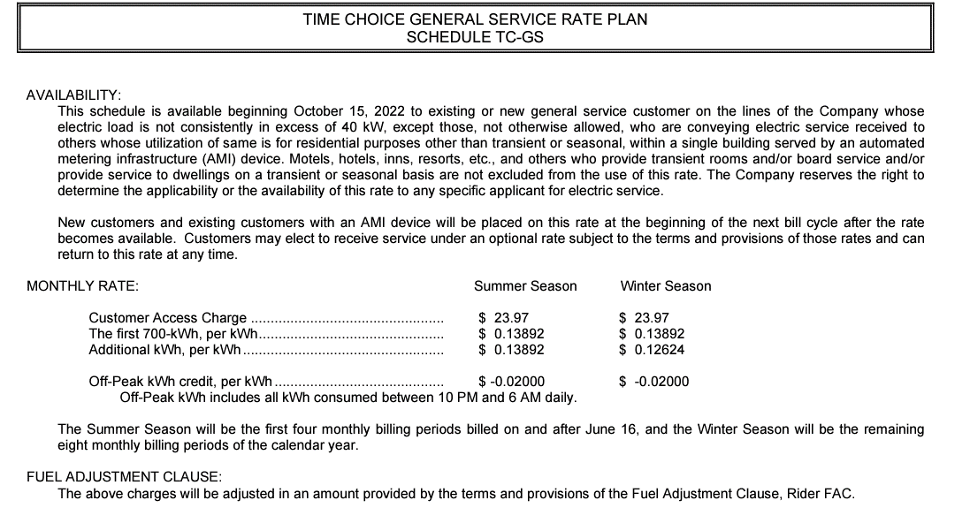
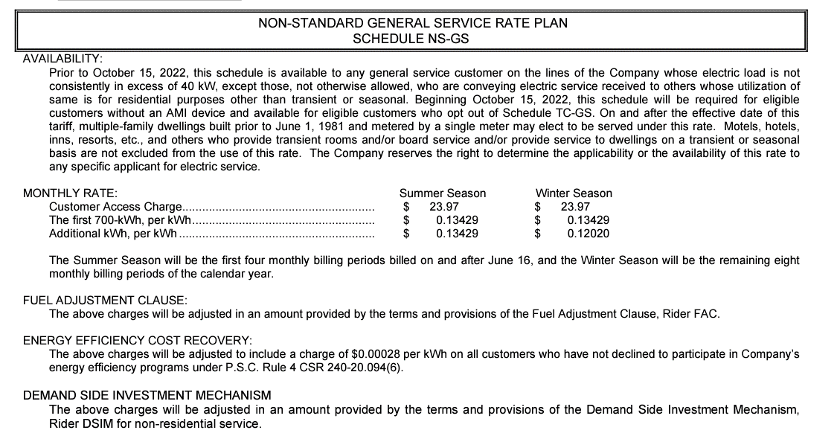
2025 MEEIA Filing |  | Realized kWh Savings in 2022 |  |  |  |  |  |  |  |  |  |  |  | Realized kWh Savings in 2023 |  |  |  |  |  |  |  |  |  |  |  | Realized kWh Savings in 2024 |  |  |  |  |  |  |  |  |  |  |  | Projected kWh Savings in 2025 |  |  |  |  |  |  |  |  |  |  |  | Realized | Realized | Realized | Projected
Small C&I HVAC Installed in 2022 |  | Jan-22 | Feb-22 | Mar-22 | Apr-22 | May-22 | Jun-22 | Jul-22 | Aug-22 | Sep-22 | Oct-22 | Nov-22 | Dec-22 | Jan-23 | Feb-23 | Mar-23 | Apr-23 | May-23 | Jun-23 | Jul-23 | Aug-23 | Sep-23 | Oct-23 | Nov-23 | Dec-23 | Jan-24 | Feb-24 | Mar-24 | Apr-24 | May-24 | Jun-24 | Jul-24 | Aug-24 | Sep-24 | Oct-24 | Nov-24 | Dec-24 | Jan-24 | Feb-24 | Mar-24 | Apr-24 | May-24 | Jun-24 | Jul-24 | Aug-24 | Sep-24 | Oct-24 | Nov-24 | Dec-24 | 2022 | 2023 | 2024 | 2025

Actual Installed Savings | kWh

Jan-22 | - | - | - | - | - | - | - | - | - | - | - | - | - | - | - | - | - | - | - | - | - | - | - | - | - | - | - | - | - | - | - | - | - | - | - | - | - | - | - | - | - | - | - | - | - | - | - | - | - | - | - | - | -
Feb-22 | - |  | - | - | - | - | - | - | - | - | - | - | - | - | - | - | - | - | - | - | - | - | - | - | - | - | - | - | - | - | - | - | - | - | - | - | - | - | - | - | - | - | - | - | - | - | - | - | - | - | - | - | -
Mar-22 | - |  |  | - | - | - | - | - | - | - | - | - | - | - | - | - | - | - | - | - | - | - | - | - | - | - | - | - | - | - | - | - | - | - | - | - | - | - | - | - | - | - | - | - | - | - | - | - | - | - | - | - | -
Apr-22 | - |  |  |  | - | - | - | - | - | - | - | - | - | - | - | - | - | - | - | - | - | - | - | - | - | - | - | - | - | - | - | - | - | - | - | - | - | - | - | - | - | - | - | - | - | - | - | - | - | - | - | - | -
May-22 | - |  |  |  |  | - | - | - | - | - | - | - | - | - | - | - | - | - | - | - | - | - | - | - | - | - | - | - | - | - | - | - | - | - | - | - | - | - | - | - | - | - | - | - | - | - | - | - | - | - | - | - | -
Jun-22 | - |  |  |  |  |  | - | - | - | - | - | - | - | - | - | - | - | - | - | - | - | - | - | - | - | - | - | - | - | - | - | - | - | - | - | - | - | - | - | - | - | - | - | - | - | - | - | - | - | - | - | - | -
Jul-22 | - |  |  |  |  |  |  | - | - | - | - | - | - | - | - | - | - | - | - | - | - | - | - | - | - | - | - | - | - | - | - | - | - | - | - | - | - | - | - | - | - | - | - | - | - | - | - | - | - | - | - | - | -
Aug-22 | - |  |  |  |  |  |  |  | - | - | - | - | - | - | - | - | - | - | - | - | - | - | - | - | - | - | - | - | - | - | - | - | - | - | - | - | - | - | - | - | - | - | - | - | - | - | - | - | - | - | - | - | -
Sep-22 | - |  |  |  |  |  |  |  |  | - | - | - | - | - | - | - | - | - | - | - | - | - | - | - | - | - | - | - | - | - | - | - | - | - | - | - | - | - | - | - | - | - | - | - | - | - | - | - | - | - | - | - | -
Oct-22 | - |  |  |  |  |  |  |  |  |  | - | - | - | - | - | - | - | - | - | - | - | - | - | - | - | - | - | - | - | - | - | - | - | - | - | - | - | - | - | - | - | - | - | - | - | - | - | - | - | - | - | - | -
Nov-22 | - |  |  |  |  |  |  |  |  |  |  | - | - | - | - | - | - | - | - | - | - | - | - | - | - | - | - | - | - | - | - | - | - | - | - | - | - | - | - | - | - | - | - | - | - | - | - | - | - | - | - | - | -
Dec-22 | 110,954 |  |  |  |  |  |  |  |  |  |  |  | 5,840 | 12,155 | 10,165 | 7,654 | 4,079 | 4,580 | 11,724 | 15,799 | 15,022 | 7,512 | 4,074 | 6,510 | 11,679 | 12,155 | 10,165 | 7,654 | 4,079 | 4,580 | 11,724 | 15,799 | 15,022 | 7,512 | 4,074 | 6,510 | 11,679 | 12,155 | 10,165 | 7,654 | 4,079 | 4,580 | 11,724 | 15,799 | 15,022 | 7,512 | 4,074 | 6,510 | 11,679 | 5,840 | 110,954 | 110,954 | 110,954

Total Savings (MWh) | 110,954 | - | - | - | - | - | - | - | - | - | - | - | 5,840 | 12,155 | 10,165 | 7,654 | 4,079 | 4,580 | 11,724 | 15,799 | 15,022 | 7,512 | 4,074 | 6,510 | 11,679 | 12,155 | 10,165 | 7,654 | 4,079 | 4,580 | 11,724 | 15,799 | 15,022 | 7,512 | 4,074 | 6,510 | 11,679 | 12,155 | 10,165 | 7,654 | 4,079 | 4,580 | 11,724 | 15,799 | 15,022 | 7,512 | 4,074 | 6,510 | 11,679 | 5,840 | 110,954 | 110,954 | 110,954
Net-to-Gross Factor (%) | 70.0%
Rate ($ per kWh) |  | $0.09039 | $0.09039 | $0.09039 | $0.09039 | $0.09039 | $0.10799 | $0.12559 | $0.12559 | $0.12559 | $0.11854 | $0.11245 | $0.11245 | $0.11245 | $0.11245 | $0.11245 | $0.11245 | $0.11245 | $0.11879 | $0.12513 | $0.12513 | $0.12513 | $0.11879 | $0.11245 | $0.11245 | $0.11245 | $0.11245 | $0.11245 | $0.11245 | $0.11245 | $0.11879 | $0.12513 | $0.12513 | $0.12513 | $0.11879 | $0.11245 | $0.11245 | $0.11245 | $0.11245 | $0.11245 | $0.11245 | $0.11245 | $0.11879 | $0.12513 | $0.12513 | $0.12513 | $0.11879 | $0.11245 | $0.11245
Total Savings ($) |  | $- | $- | $- | $- | $- | $- | $- | $- | $- | $- | $- | $460 | $957 | $800 | $602 | $321 | $361 | $975 | $1,384 | $1,316 | $658 | $339 | $512 | $919 | $957 | $800 | $602 | $321 | $361 | $975 | $1,384 | $1,316 | $658 | $339 | $512 | $919 | $957 | $800 | $602 | $321 | $361 | $975 | $1,384 | $1,316 | $658 | $339 | $512 | $919 | 460 | 9,144 | 9,144 | 9,144

Portfolio Breakdown
Lighting Load Shape |  | 0.0%
Heating-based Load Shape |  | 50.0%
Cooling-based Load Shape |  | 50.0%

Lighting |  | 10.1% | 8.8% | 9.3% | 8.5% | 7.9% | 6.9% | 6.8% | 7.1% | 7.4% | 8.5% | 9.0% | 9.8% | 10.1% | 8.8% | 9.3% | 8.5% | 7.9% | 6.9% | 6.8% | 7.1% | 7.4% | 8.5% | 9.0% | 9.8% | 10.1% | 8.8% | 9.3% | 8.5% | 7.9% | 6.9% | 6.8% | 7.1% | 7.4% | 8.5% | 9.0% | 9.8% | 10.1% | 8.8% | 9.3% | 8.5% | 7.9% | 6.9% | 6.8% | 7.1% | 7.4% | 8.5% | 9.0% | 9.8%
Heating |  | 21.8% | 18.2% | 13.5% | 5.8% | 1.7% | 0.1% | 0.0% | 0.0% | 0.9% | 5.5% | 11.6% | 20.9% | 21.8% | 18.2% | 13.5% | 5.8% | 1.7% | 0.1% | 0.0% | 0.0% | 0.9% | 5.5% | 11.6% | 20.9% | 21.8% | 18.2% | 13.5% | 5.8% | 1.7% | 0.1% | 0.0% | 0.0% | 0.9% | 5.5% | 11.6% | 20.9% | 21.8% | 18.2% | 13.5% | 5.8% | 1.7% | 0.1% | 0.0% | 0.0% | 0.9% | 5.5% | 11.6% | 20.9%
Cooling |  | 0.1% | 0.1% | 0.3% | 1.5% | 6.5% | 21.1% | 28.5% | 27.1% | 12.7% | 1.8% | 0.1% | 0.1% | 0.1% | 0.1% | 0.3% | 1.5% | 6.5% | 21.1% | 28.5% | 27.1% | 12.7% | 1.8% | 0.1% | 0.1% | 0.1% | 0.1% | 0.3% | 1.5% | 6.5% | 21.1% | 28.5% | 27.1% | 12.7% | 1.8% | 0.1% | 0.1% | 0.1% | 0.1% | 0.3% | 1.5% | 6.5% | 21.1% | 28.5% | 27.1% | 12.7% | 1.8% | 0.1% | 0.1%

 | Jan - May'22 |  |  |  |  | Jun - October'22 |  |  |  |  | Nov-Dec'22, Jan-Dec'23 & '24 & '25
 | 1st Step | 2nd Step | Fuel | Net Rate |  | 1st Step | 2nd Step | Fuel | Net Rate |  | 1st Step | 2nd Step | Fuel | Off-Peak Credit | Net Rate
Summer | $0.12712 | $0.12712 | $0.02338 | $0.10374 |  | $0.13429 | $0.13429 | $0.00870 | $0.12559 |  | $0.13892 | $0.13892 | $0.00870 | $0.02000 | $0.12513
Winter | $0.12712 | $0.11377 | $0.02338 | $0.09039 |  | $0.13429 | $0.12020 | $0.00870 | $0.11150 |  | $0.13892 | $0.12624 | $0.00870 | $0.02000 | $0.11245

 | 0.00% | 100.00% |  |  |  | 0.00% | 100.00% |  |  |  | 0.00% | 100.00% |  | 25.44%

2. TD Lg C&I Light install 2022
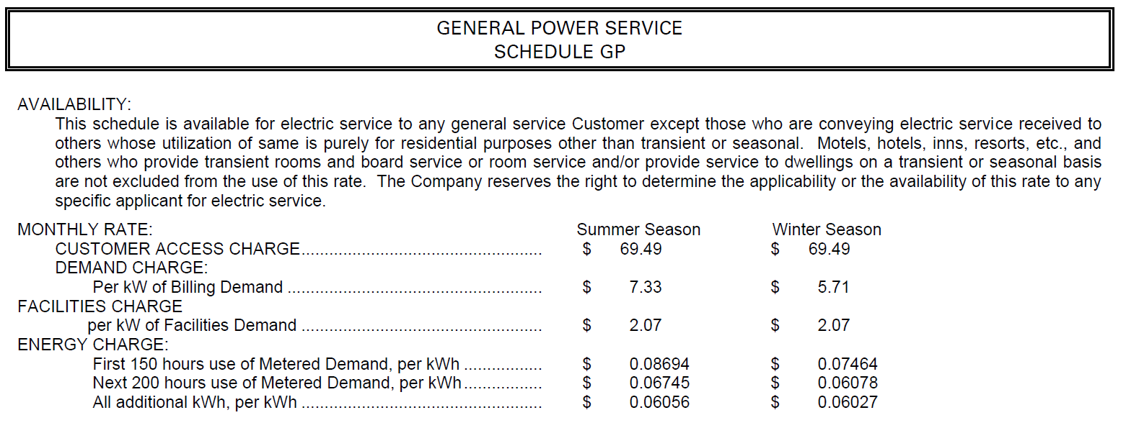
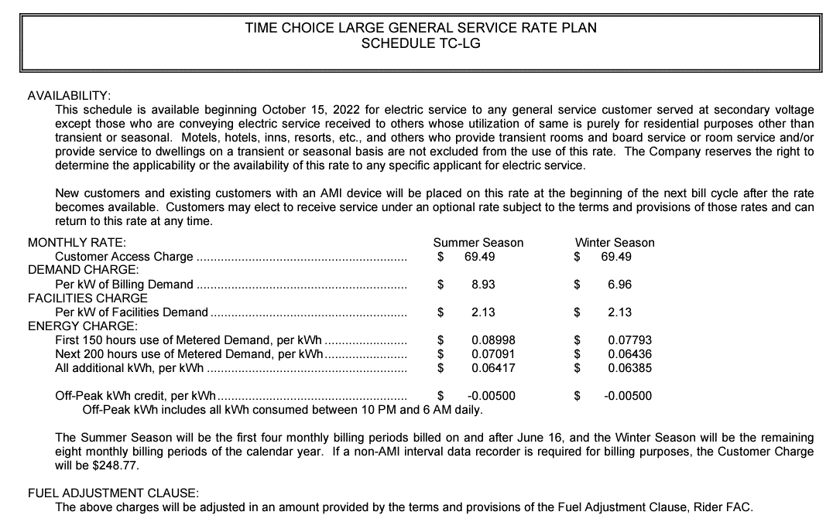
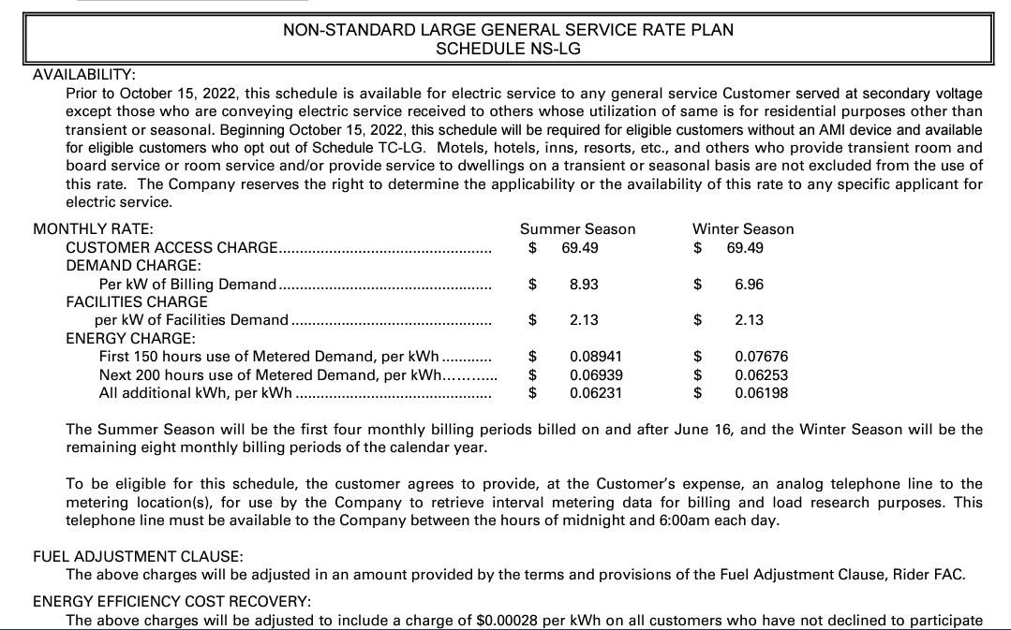
2025 MEEIA Filing |  | Realized kWh Savings in 2022 |  |  |  |  |  |  |  |  |  |  |  | Realized kWh Savings in 2023 |  |  |  |  |  |  |  |  |  |  |  | Realized kWh Savings in 2024 |  |  |  |  |  |  |  |  |  |  |  | Projected kWh Savings in 2025 |  |  |  |  |  |  |  |  |  |  |  | Realized | Realized | Realized | Projected
Large C&I Lighting Installed in 2022 |  | Jan-22 | Feb-22 | Mar-22 | Apr-22 | May-22 | Jun-22 | Jul-22 | Aug-22 | Sep-22 | Oct-22 | Nov-22 | Dec-22 | Jan-23 | Feb-23 | Mar-23 | Apr-23 | May-23 | Jun-23 | Jul-23 | Aug-23 | Sep-23 | Oct-23 | Nov-23 | Dec-23 | Jan-24 | Feb-24 | Mar-24 | Apr-24 | May-24 | Jun-24 | Jul-24 | Aug-24 | Sep-24 | Oct-24 | Nov-24 | Dec-24 | Jan-25 | Feb-25 | Mar-25 | Apr-25 | May-25 | Jun-25 | Jul-25 | Aug-25 | Sep-25 | Oct-25 | Nov-25 | Dec-25 | 2022 | 2023 | 2024 | 2025

Actual Installed Savings | kWh

Jan-22 | 1,066,979 | 53,980 | 94,365 | 99,100 | 90,314 | 84,711 | 73,097 | 72,409 | 75,291 | 78,735 | 90,201 | 95,900 | 104,897 | 107,959 | 94,365 | 99,100 | 90,314 | 84,711 | 73,097 | 72,409 | 75,291 | 78,735 | 90,201 | 95,900 | 104,897 | 107,959 | 94,365 | 99,100 | 90,314 | 84,711 | 73,097 | 72,409 | 75,291 | 78,735 | 90,201 | 95,900 | 104,897 | 107,959 | 94,365 | 99,100 | 90,314 | 84,711 | 73,097 | 72,409 | 75,291 | 78,735 | 90,201 | 95,900 | 104,897 | 1,012,999 | 1,066,979 | 1,066,979 | 1,066,979
Feb-22 | 811,186 |  | 35,871 | 75,342 | 68,663 | 64,402 | 55,573 | 55,050 | 57,241 | 59,859 | 68,577 | 72,909 | 79,749 | 82,077 | 71,742 | 75,342 | 68,663 | 64,402 | 55,573 | 55,050 | 57,241 | 59,859 | 68,577 | 72,909 | 79,749 | 82,077 | 71,742 | 75,342 | 68,663 | 64,402 | 55,573 | 55,050 | 57,241 | 59,859 | 68,577 | 72,909 | 79,749 | 82,077 | 71,742 | 75,342 | 68,663 | 64,402 | 55,573 | 55,050 | 57,241 | 59,859 | 68,577 | 72,909 | 79,749 | 693,237 | 811,186 | 811,186 | 811,186
Mar-22 | 1,253,616 |  |  | 58,217 | 106,112 | 99,528 | 85,883 | 85,075 | 88,461 | 92,507 | 105,979 | 112,675 | 123,245 | 126,843 | 110,871 | 116,435 | 106,112 | 99,528 | 85,883 | 85,075 | 88,461 | 92,507 | 105,979 | 112,675 | 123,245 | 126,843 | 110,871 | 116,435 | 106,112 | 99,528 | 85,883 | 85,075 | 88,461 | 92,507 | 105,979 | 112,675 | 123,245 | 126,843 | 110,871 | 116,435 | 106,112 | 99,528 | 85,883 | 85,075 | 88,461 | 92,507 | 105,979 | 112,675 | 123,245 | 957,684 | 1,253,616 | 1,253,616 | 1,253,616
Apr-22 | 464,685 |  |  |  | 19,667 | 36,893 | 31,835 | 31,535 | 32,790 | 34,290 | 39,284 | 41,766 | 45,684 | 47,018 | 41,097 | 43,159 | 39,333 | 36,893 | 31,835 | 31,535 | 32,790 | 34,290 | 39,284 | 41,766 | 45,684 | 47,018 | 41,097 | 43,159 | 39,333 | 36,893 | 31,835 | 31,535 | 32,790 | 34,290 | 39,284 | 41,766 | 45,684 | 47,018 | 41,097 | 43,159 | 39,333 | 36,893 | 31,835 | 31,535 | 32,790 | 34,290 | 39,284 | 41,766 | 45,684 | 313,744 | 464,685 | 464,685 | 464,685
May-22 | 450,842 |  |  |  |  | 17,897 | 30,886 | 30,596 | 31,814 | 33,269 | 38,114 | 40,522 | 44,323 | 45,617 | 39,873 | 41,874 | 38,162 | 35,794 | 30,886 | 30,596 | 31,814 | 33,269 | 38,114 | 40,522 | 44,323 | 45,617 | 39,873 | 41,874 | 38,162 | 35,794 | 30,886 | 30,596 | 31,814 | 33,269 | 38,114 | 40,522 | 44,323 | 45,617 | 39,873 | 41,874 | 38,162 | 35,794 | 30,886 | 30,596 | 31,814 | 33,269 | 38,114 | 40,522 | 44,323 | 267,420 | 450,842 | 450,842 | 450,842
Jun-22 | 139,628 |  |  |  |  |  | 4,783 | 9,476 | 9,853 | 10,303 | 11,804 | 12,550 | 13,727 | 14,128 | 12,349 | 12,969 | 11,819 | 11,085 | 9,566 | 9,476 | 9,853 | 10,303 | 11,804 | 12,550 | 13,727 | 14,128 | 12,349 | 12,969 | 11,819 | 11,085 | 9,566 | 9,476 | 9,853 | 10,303 | 11,804 | 12,550 | 13,727 | 14,128 | 12,349 | 12,969 | 11,819 | 11,085 | 9,566 | 9,476 | 9,853 | 10,303 | 11,804 | 12,550 | 13,727 | 72,496 | 139,628 | 139,628 | 139,628
Jul-22 | - |  |  |  |  |  |  | - | - | - | - | - | - | - | - | - | - | - | - | - | - | - | - | - | - | - | - | - | - | - | - | - | - | - | - | - | - | - | - | - | - | - | - | - | - | - | - | - | - | - | - | - | -
Aug-22 | - |  |  |  |  |  |  |  | - | - | - | - | - | - | - | - | - | - | - | - | - | - | - | - | - | - | - | - | - | - | - | - | - | - | - | - | - | - | - | - | - | - | - | - | - | - | - | - | - | - | - | - | -
Sep-22 | 213,876 |  |  |  |  |  |  |  |  | 7,891 | 18,081 | 19,223 | 21,027 | 21,640 | 18,915 | 19,865 | 18,104 | 16,980 | 14,652 | 14,514 | 15,092 | 15,782 | 18,081 | 19,223 | 21,027 | 21,640 | 18,915 | 19,865 | 18,104 | 16,980 | 14,652 | 14,514 | 15,092 | 15,782 | 18,081 | 19,223 | 21,027 | 21,640 | 18,915 | 19,865 | 18,104 | 16,980 | 14,652 | 14,514 | 15,092 | 15,782 | 18,081 | 19,223 | 21,027 | 66,222 | 213,876 | 213,876 | 213,876
Oct-22 | 88,912 |  |  |  |  |  |  |  |  |  | 3,758 | 7,991 | 8,741 | 8,996 | 7,863 | 8,258 | 7,526 | 7,059 | 6,091 | 6,034 | 6,274 | 6,561 | 7,517 | 7,991 | 8,741 | 8,996 | 7,863 | 8,258 | 7,526 | 7,059 | 6,091 | 6,034 | 6,274 | 6,561 | 7,517 | 7,991 | 8,741 | 8,996 | 7,863 | 8,258 | 7,526 | 7,059 | 6,091 | 6,034 | 6,274 | 6,561 | 7,517 | 7,991 | 8,741 | 20,491 | 88,912 | 88,912 | 88,912
Nov-22 | - |  |  |  |  |  |  |  |  |  |  | - | - | - | - | - | - | - | - | - | - | - | - | - | - | - | - | - | - | - | - | - | - | - | - | - | - | - | - | - | - | - | - | - | - | - | - | - | - | - | - | - | -
Dec-22 | 567,821 |  |  |  |  |  |  |  |  |  |  |  | 27,912 | 57,453 | 50,219 | 52,739 | 48,063 | 45,081 | 38,900 | 38,535 | 40,068 | 41,901 | 48,003 | 51,036 | 55,824 | 57,453 | 50,219 | 52,739 | 48,063 | 45,081 | 38,900 | 38,535 | 40,068 | 41,901 | 48,003 | 51,036 | 55,824 | 57,453 | 50,219 | 52,739 | 48,063 | 45,081 | 38,900 | 38,535 | 40,068 | 41,901 | 48,003 | 51,036 | 55,824 | 27,912 | 567,821 | 567,821 | 567,821

Total Savings (kWh) | 5,057,545 | 53,980 | 130,236 | 232,659 | 284,756 | 303,431 | 282,056 | 284,142 | 295,451 | 316,854 | 375,798 | 403,536 | 469,306 | 511,733 | 447,294 | 469,740 | 428,096 | 401,534 | 346,482 | 343,225 | 356,886 | 373,206 | 427,560 | 454,572 | 497,217 | 511,733 | 447,294 | 469,740 | 428,096 | 401,534 | 346,482 | 343,225 | 356,886 | 373,206 | 427,560 | 454,572 | 497,217 | 511,733 | 447,294 | 469,740 | 428,096 | 401,534 | 346,482 | 343,225 | 356,886 | 373,206 | 427,560 | 454,572 | 497,217 | 3,432,205 | 5,057,545 | 5,057,545 | 5,057,545
Net-to-Gross Factor (%) | 70.0%
Rate ($ per kWh) |  | $0.03689 | $0.03689 | $0.03689 | $0.03689 | $0.03689 | $0.04525 | $0.05361 | $0.05361 | $0.05361 | $0.05345 | $0.05379 | $0.05379 | $0.05379 | $0.05379 | $0.05379 | $0.05379 | $0.05379 | $0.05395 | $0.05411 | $0.05411 | $0.05411 | $0.05395 | $0.05379 | $0.05379 | $0.05379 | $0.05379 | $0.05379 | $0.05379 | $0.05379 | $0.05395 | $0.05411 | $0.05411 | $0.05411 | $0.05395 | $0.05379 | $0.05379 | $0.05379 | $0.05379 | $0.05379 | $0.05379 | $0.05379 | $0.05395 | $0.05411 | $0.05411 | $0.05411 | $0.05395 | $0.05379 | $0.05379
Total Savings ($) |  | $1,394 | $3,363 | $6,008 | $7,353 | $7,836 | $8,934 | $10,663 | $11,087 | $11,891 | $14,059 | $15,194 | $17,670 | $19,268 | $16,841 | $17,687 | $16,119 | $15,119 | $13,085 | $13,000 | $13,517 | $14,136 | $16,146 | $17,116 | $18,721 | $19,268 | $16,841 | $17,687 | $16,119 | $15,119 | $13,085 | $13,000 | $13,517 | $14,136 | $16,146 | $17,116 | $18,721 | $19,268 | $16,841 | $17,687 | $16,119 | $15,119 | $13,085 | $13,000 | $13,517 | $14,136 | $16,146 | $17,116 | $18,721 | 115,452 | 190,753 | 190,753 | 190,753

Portfolio Breakdown
Lighting Load Shape |  | 100.0%
Heating-based Load Shape |  | 0.0%
Cooling-based Load Shape |  | 0.0%

Lighting |  | 10.1% | 8.8% | 9.3% | 8.5% | 7.9% | 6.9% | 6.8% | 7.1% | 7.4% | 8.5% | 9.0% | 9.8% | 10.1% | 8.8% | 9.3% | 8.5% | 7.9% | 6.9% | 6.8% | 7.1% | 7.4% | 8.5% | 9.0% | 9.8% | 10.1% | 8.8% | 9.3% | 8.5% | 7.9% | 6.9% | 6.8% | 7.1% | 7.4% | 8.5% | 9.0% | 9.8% | 10.1% | 8.8% | 9.3% | 8.5% | 7.9% | 6.9% | 6.8% | 7.1% | 7.4% | 8.5% | 9.0% | 9.8%
Heating |  | 21.8% | 18.2% | 13.5% | 5.8% | 1.7% | 0.1% | 0.0% | 0.0% | 0.9% | 5.5% | 11.6% | 20.9% | 21.8% | 18.2% | 13.5% | 5.8% | 1.7% | 0.1% | 0.0% | 0.0% | 0.9% | 5.5% | 11.6% | 20.9% | 21.8% | 18.2% | 13.5% | 5.8% | 1.7% | 0.1% | 0.0% | 0.0% | 0.9% | 5.5% | 11.6% | 20.9% | 21.8% | 18.2% | 13.5% | 5.8% | 1.7% | 0.1% | 0.0% | 0.0% | 0.9% | 5.5% | 11.6% | 20.9%
Cooling |  | 0.1% | 0.1% | 0.3% | 1.5% | 6.5% | 21.1% | 28.5% | 27.1% | 12.7% | 1.8% | 0.1% | 0.1% | 0.1% | 0.1% | 0.3% | 1.5% | 6.5% | 21.1% | 28.5% | 27.1% | 12.7% | 1.8% | 0.1% | 0.1% | 0.1% | 0.1% | 0.3% | 1.5% | 6.5% | 21.1% | 28.5% | 27.1% | 12.7% | 1.8% | 0.1% | 0.1% | 0.1% | 0.1% | 0.3% | 1.5% | 6.5% | 21.1% | 28.5% | 27.1% | 12.7% | 1.8% | 0.1% | 0.1%

 | Jan - May'22 |  |  |  |  |  | Jun - October'22 |  |  |  |  |  | Nov-Dec'22, Jan-Dec'23 & '24 & '25
 | 1st Step | 2nd Step | 3rd Step | Fuel | Net Rate |  | 1st Step | 2nd Step | 3rd Step | Fuel | Net Rate |  | 1st Step | 2nd Step | 3rd Step | Fuel | Off-Peak Credit | Net Rate
Summer | $0.08694 | $0.06745 | $0.06056 | $0.02338 | $0.03718 |  | $0.08941 | $0.06939 | $0.06231 | $0.00870 | $0.05361 |  | $0.08998 | $0.07091 | $0.06417 | $0.00870 | $0.00500 | $0.05411
Winter | $0.07464 | $0.06078 | $0.06027 | $0.02338 | $0.03689 |  | $0.07676 | $0.06253 | $0.06198 | $0.00870 | $0.05328 |  | $0.07793 | $0.06436 | $0.06385 | $0.00870 | $0.00500 | $0.05379

Summer | 0.00% | 0.00% | 100.00% |  |  |  | 0.0% | 0.0% | 100.0% |  |  |  | 0.0% | 0.0% | 100.0% |  | 27.23%
Winter | 0.00% | 0.00% | 100.00% |  |  |  | 0.0% | 0.0% | 100.0% |  |  |  | 0.0% | 0.0% | 100.0%

8. Load Shapes
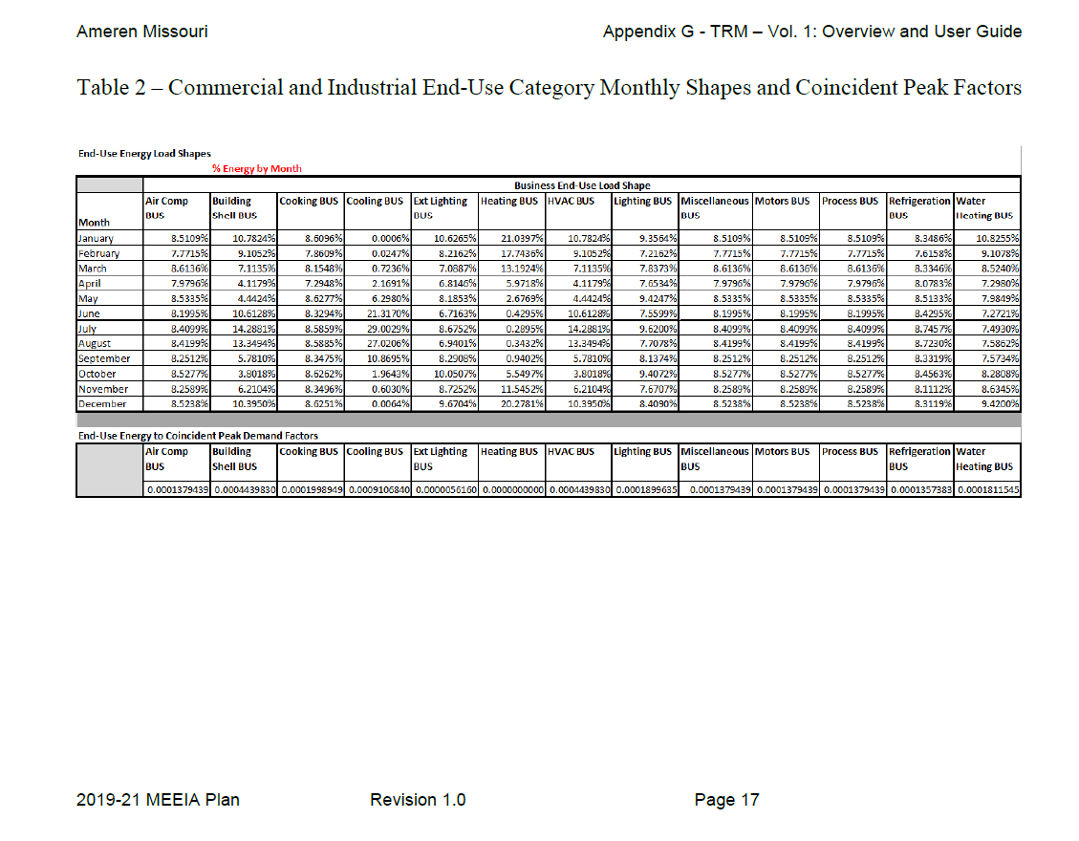
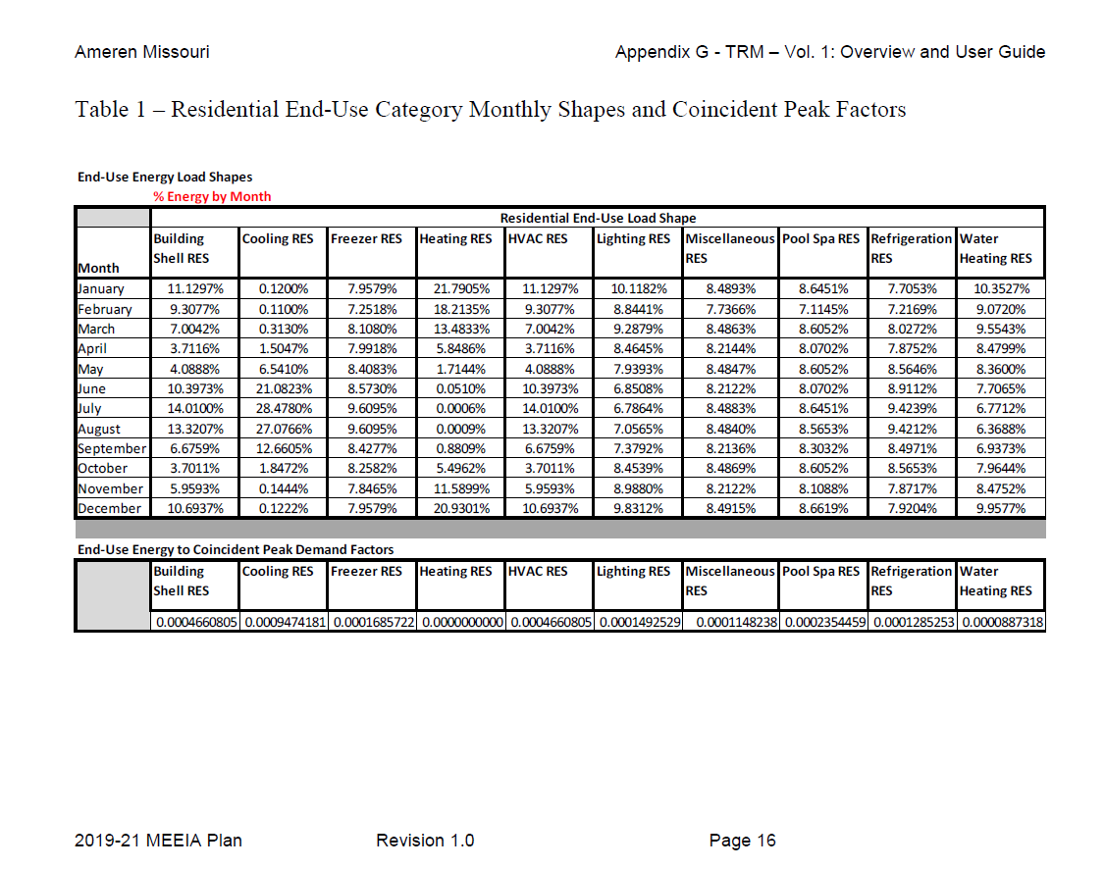
Load Shapes | Lighting | Heating | Cooling | Lighting
by End Use | RES | RES | RES | BUS

January | 10.1182% | 21.7906% | 0.1200% | 9.3564%
February | 8.8441% | 18.2135% | 0.1100% | 7.2162%
March | 9.2879% | 13.4833% | 0.3130% | 7.8373%
April | 8.4645% | 5.8486% | 1.5047% | 7.6534%
May | 7.9393% | 1.7144% | 6.5410% | 9.4247%
June | 6.8508% | 0.0510% | 21.0823% | 7.5599%
July | 6.7864% | 0.0006% | 28.4781% | 9.6200%
August | 7.0565% | 0.0009% | 27.0766% | 7.7078%
September | 7.3792% | 0.8809% | 12.6605% | 8.1374%
October | 8.4539% | 5.4962% | 1.8472% | 9.4072%
November | 8.9880% | 11.5899% | 0.1444% | 7.6707%
December | 9.8312% | 20.9301% | 0.1222% | 8.4090%

Total | 100.0000% | 100.0000% | 100.0000% | 100.0000%

Source: Ameren Missouri, Stipulation and Agreement, Appendix G (File No. EO-2018-0211)

