DR
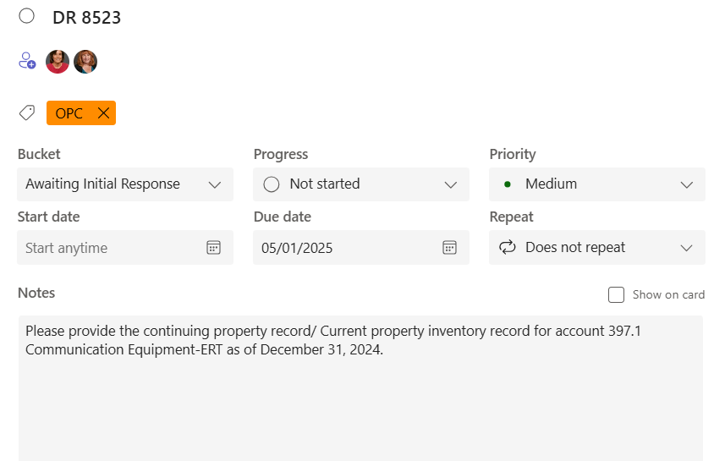

Source: PowerPlan - Assets > Query >Book Cost/Monthly Activity/Basis Cost > Saved Query - "CPR Assets MO Enter Utility Account" Enter appropriate Account(s) and month number on filters
 | This request is for MoWest Utility Account 397100 - Communication Equipment ERTs

