Business EER - Standard
Evergy Metro, Inc. Evaluation, Measurement, and Verification Report: Databook

Business Energy Efficiency Rebate - Standard: Data Tables |  |  |  |  |  |  |  |  |  |  |  | Business Energy Efficiency Rebate - Standard: Figures
Executive Summary
 |  |  |  |  |  |  |  |  |  |  |  | Energy at the Customer Meter: PY2019 Savings Summary
Reported Savings | 17,339,531
Verified Savings | 18,827,606
Verified Savings | 18,074,502
MEEIA 4-Year Target | 72,963,363
Data is sourced to Guidehouse analysis unless otherwise noted.

Program Savings Summary - PY 2019
 | Gross |  |  | Net
 | Reported Savings | Verified Savings | Realization Rate | MEEIA 4-Year Target | Verified Savings | % of MEEIA Target Achieved
Energy at Customer Meter (kWh) | 17,339,531 | 18,827,606 | 109% | 72,963,363 | 18,074,502 | 25%
Coinc Demand at Customer Meter (kW) | 3,277 | 3,889 | 119% | 13,667 | 3,734 | 27%

Source: Program Tracking Database and Guidehouse analysis
 |  |  |  |  |  |  |  |  |  |  |  | Energy at the Customer Meter: Program Savings Summary
Program Savings Summary - Program to Date
 | Gross |  |  | Net
 | Reported Savings | Verified Savings | Realization Rate | MEEIA 4-Year Target | Verified Savings | % of MEEIA Target Achieved
Energy at Customer Meter (kWh) | 175,389,392 | 144,429,129 | 82% | 72,963,363 | 138,651,964 | 190%
Coinc Demand at Customer Meter (kW) | 31,682 | 24,798 | 78% | 13,667 | 23,806 | 174%

Source: Program Tracking Database and Guidehouse analysis

Net to Gross Component Summary
Free Ridership | Participant Spillover | Non-Participant Spillover | NTGR
0.05 | 0.002 | 0.004 | 96% |  |  |  |  |  |  |  |  | Coincident Demand at Customer Meter: PY2019 Savings Summary
Reported Savings | 3,277
Verified Savings | 3,889
Verified Savings | 3,734
MEEIA 4-Year Target | 13,667
Note: The NTG ratio is rounded to the nearest 100th.

Savings by Measure Type
Measure Type | Total Number of Projects | Reported Energy Savings (kWh) | % of Total | Verified Energy Savings (kWh) | Reported Demand Savings (kW) | % of Total | Verified Demand Savings (kW)
HVAC | 7 | 17,240 | 0.1% | 26,559 | 14 | 0.4% | 16
Lighting | 380 | 17,063,194 | 98.4% | 18,406,587 | 3,234 | 98.7% | 3,828
Hot Water | 0 | 0 | 0.0% | 0 | 0 | 0.0% | 0
Pumps/Fans | 1 | 8,262 | 0.0% | 4,090 | 3 | 0.1% | 1
Refrigeration | 9 | 250,834 | 1.4% | 390,370 | 26 | 0.8% | 45
Total | 397 | 17,339,531 | 100% | 18,827,606 | 3,277 | 100% | 3,889

Source: Program Tracking Database and Guidehouse analysis

Additional Detail

Verified Inputs for Lighting Projects
Building Type | Verified (Guidehouse Analysis and IL TRM) |  |  |  | Total Number of Loggers Installed
 | Waste Heat Factor (Energy) | Waste Heat Factor (Demand) | Revised Coincident Factor (CF) | Revised Hours of Use (HOU)
Industrial | 1.02 | 1.04 | 0.64 | 4,584 | 33
Office | 1.25 | 1.39 | 0.69 | 3,636 | 29
Other | 1.09 | 1.36 | 0.73 | 4,925 | 61
Retail | 1.12 | 1.29 | 0.74 | 4,921 | 103
School | 1.17 | 1.33 | 0.63 | 3,642 | 45
Warehouse | 1.00 | 1.22 | 0.55 | 3,611 | 60
Exterior | 1.00 | 1.00 | 0.00 | 5,392 | 18

Source: Program Tracking Database and Guidehouse analysis and Illinois TRM

Final NTG Component Results - C&I Standard Rebate Program
Survey Type | Respondents | Number of Respondents | Reporting Year (PY) | Free Ridership | Participant Spillover | Non-Participant Spillover
Participant Web Survey | PY2016 Participating End-Use Customers | 56 | 2017 | 0.08 | 0.005 | --
Trade Ally Web Survey | Participating Trade Allies | 19 | 2017 | 0.05 | -- | 0.004

 | Percentage of Verified savings kWh (%)
Interior LED Linear Lamp Replacing 4ft T8, T12, or T5 Lamp | 45%
Interior LED 2X4 Retrofit Kit replacing T8, T12 or T5/T5HO fixture
Interior Occupancy or Vacancy Sensor Replacing No Controls
Interior LED 2X4 Troffer or Linear Ambient replacing T8, T12 or T5/T5HO fixture
Interior LED 2X2 Troffer or Linear Ambient replacing T8, T12 or T5/T5HO fixture | 3%
LED High Bay Fixture replacing 451W - 750W fixture | 2%
Interior Directional LED Lamp replacing 50-70W Lamp | 4%
Interior Directional LED Lamp replacing 71-110W Lamp | 3%
LED Low/High Bay Fixture replacing 301W‐450W fixture | 3%
Parking Garage LED replacing 101W-175W Fixture or Mogul Screw-Base Lamp | 2%
Remove 4ft Lamp from T8 or T12 system
Parking Garage LED replacing <= 100W Fixture or Mogul Screw-Base Lamp | 2%
Interior LED Downlight or Retrofit Kit replacing 61-100W Fixture
Other Measures | 15%
 | Percentage of Verified savings kW (%)
Interior LED Linear Lamp Replacing 4ft T8, T12, or T5 Lamp | 39%
Interior LED 2X4 Retrofit Kit replacing T8, T12 or T5/T5HO fixture
Interior Occupancy or Vacancy Sensor Replacing No Controls
Interior LED 2X4 Troffer or Linear Ambient replacing T8, T12 or T5/T5HO fixture
Interior LED 2X2 Troffer or Linear Ambient replacing T8, T12 or T5/T5HO fixture | 3%
LED High Bay Fixture replacing 451W - 750W fixture | 2%
Interior Directional LED Lamp replacing 50-70W Lamp | 3%
Interior Directional LED Lamp replacing 71-110W Lamp | 3%
LED Low/High Bay Fixture replacing 301W‐450W fixture | 2%
Parking Garage LED replacing 101W-175W Fixture or Mogul Screw-Base Lamp | 1%
Remove 4ft Lamp from T8 or T12 system
Parking Garage LED replacing <= 100W Fixture or Mogul Screw-Base Lamp | 1%
Interior LED Downlight or Retrofit Kit replacing 61-100W Fixture
Other Measures | 12%
Measures with 2% or more program level savings and their effect on Program Level Realization Rate |  |  |  |  |  |  |  |  |  |  |  | PY2019 Percentage of Verified Energy Savings by End-Use |  | PY2019 Percentage of Verified Demand Savings by End-Use
Measure name | Primary Key | Reported Energy Savings (kWh) | Reported Demand Savings (kW) | Verified Energy Savings (kWh) | Verified Demand Savings (kW) | Energy Realization Rate (%) | Demand Realization Rate (%) | Percentage of Reported savings kWh (%) | Percentage of Reported savings kW (%) | Effect on Energy Realization Rate | Effect on Demand Realization Rate | Percentage of Verified savings kWh (%) | Percentage of Verified savings kW (%)
Interior LED Linear Lamp Replacing 4ft T8, T12, or T5 Lamp | 166.2 | 7,768,949 | 1,422 | 8,413,970 | 1,530 | 108% | 108% | 45% | 43% | 0% | -9% | 45% | 39%
Interior LED 2X4 Retrofit Kit replacing T8, T12 or T5/T5HO fixture | 169.2 | 1,256,067 | 233 | 1,235,604 | 228 | 98% | 98% | 7% | 7% | -1% | -2%
Interior Occupancy or Vacancy Sensor Replacing No Controls | 115.1 | 1,255,869 | 255 | 1,427,193 | 777 | 114% | 305% | 7% | 8% | 0% | 16%
Interior LED 2X4 Troffer or Linear Ambient replacing T8, T12 or T5/T5HO fixture | 172.1 | 932,717 | 212 | 900,268 | 163 | 97% | 77% | 5% | 6% | -1% | -3%
Interior LED 2X2 Troffer or Linear Ambient replacing T8, T12 or T5/T5HO fixture | 173.2 | 632,361 | 144 | 585,738 | 117 | 93% | 81% | 4% | 4% | -1% | -2% | 3% | 3%
LED High Bay Fixture replacing 451W - 750W fixture | 222 | 600,690 | 109 | 457,993 | 87 | 76% | 80% | 3% | 3% | -1% | -1% | 2% | 2%
Interior Directional LED Lamp replacing 50-70W Lamp | 96.3 | 554,671 | 106 | 672,726 | 127 | 121% | 120% | 3% | 3% | 0% | 0% | 4% | 3%
Interior Directional LED Lamp replacing 71-110W Lamp | 97.3 | 452,831 | 87 | 564,244 | 104 | 125% | 120% | 3% | 3% | 0% | 0% | 3% | 3%
LED Low/High Bay Fixture replacing 301W‐450W fixture | 221.3 | 447,941 | 76 | 479,334 | 84 | 107% | 111% | 3% | 2% | 0% | 0% | 3% | 2%
Parking Garage LED replacing 101W-175W Fixture or Mogul Screw-Base Lamp | 154.2 | 437,755 | 50 | 307,077 | 55 | 70% | 110% | 3% | 2% | -1% | 0% | 2% | 1%
Remove 4ft Lamp from T8 or T12 system | 109.1 | 318,196 | 65 | 332,262 | 59 | 104% | 92% | 2% | 2% | 0% | -1%
Parking Garage LED replacing <= 100W Fixture or Mogul Screw-Base Lamp | 155.1 | 313,958 | 36 | 420,787 | 48 | 134% | 134% | 2% | 1% | 0% | 0% | 2% | 1%
Interior LED Downlight or Retrofit Kit replacing 61-100W Fixture | 177.2 | 303,881 | 66 | 290,657 | 55 | 96% | 84% | 2% | 2% | 0% | -1%
Other Measures |  | 2,063,646 | 418 | 2,739,754 | 455 | 133% | 109% | 12% | 13% | 3% | -1% | 15% | 12%
TOTAL |  | 17,339,531 | 3,277 | 18,827,606 | 3,889 | 109% | 119% | 100% | 100% |  |  | 100% | 100%

Source: Program Tracking Database and Guidehouse analysis

Savings by Building Type |  |  |  |  |  |  |  |  |  |  |  | PY2019 Percentage of Verified Energy Savings by Building Type |  | PY2019 Percentage of Verified Demand Savings by Building Type
Program | Building Type | Total Number of Projects | Reported Energy Savings (kWh) | Verified Energy Savings (kWh) | Energy Realization Rate (%) | % of Verified Total kWh | Reported Demand Savings (kW) | Verified Demand Savings (kW) | Demand Realization Rate | % of Verified Total kW
Standard- Evergy Metro | Exterior | 1 | 114,152 | 122,266 | 107% | 1% | 22 | 0 | 0% | 0%
 | Industrial | 15 | 882,285 | 866,959 | 98% | 5% | 172 | 282 | 164% | 7%
 | Office | 100 | 4,170,604 | 4,079,411 | 98% | 22% | 175 | 165 | 94% | 4%
 | Other | 114 | 4,478,882 | 5,318,283 | 119% | 28% | 799 | 1,069 | 134% | 27%
 | Retail | 91 | 2,406,854 | 2,708,815 | 113% | 14% | 825 | 1,006 | 122% | 26%
 | School | 37 | 3,117,668 | 3,174,787 | 102% | 17% | 472 | 474 | 100% | 12%
 | Warehouse | 26 | 1,116,627 | 817,276 | 73% | 4% | 604 | 735 | 122% | 19%
 | Parking Garage* | 8 | 1,052,460 | 1,739,809 | 165% | 9% | 208 | 159 | 76% | 4%
 | Total | 392 | 17,339,531 | 18,827,606 | 109% | 100% | 3,277 | 3,889 | 119% | 100%

Source: C&I Standard and SBL Program Tracking Databases and Guidehouse analysis
*Lighting measures installed in parking garages were separated out from other projects since the waste heat factor for garages are 1.0, the coincidence factor is 1.0, and the HOU is assumed to be 8760

 |  |  |  |  |  |  |  |  |  |  |  | *Lighting measures installed in parking garages were separated out from other projects since the waste heat factor for garages are 1.0, the coincidence factor is 1.0, and the HOU is assumed to be 8760

Business EER - Custom
Evergy Metro, Inc. Evaluation, Measurement, and Verification Report: Databook

Business Energy Efficiency Rebate - Custom: Data Tables |  |  |  |  |  |  |  | Business Energy Efficiency Rebate - Custom: Figures
Executive Summary

Data is sourced to Guidehouse analysis unless otherwise noted.

Reported Savings | 15,529,467
Verified Savings | 13,553,350
Verified Savings | 9,351,811
MEEIA 4-Year Target | 55,451,825
Program Savings Summary - PY 2019 |  |  |  |  |  |  |  | Energy at the Customer Meter: Program Savings Summary
 | Gross |  |  | Net
 | Reported Savings | Verified Savings | Realization Rate | MEEIA 4-Year Target | Verified Savings | % of MEEIA Target Achieved
Energy at Customer Meter (kWh) | 15,529,467 | 13,553,350 | 87% | 55,451,825 | 9,351,811 | 17%
Coinc Demand at Customer Meter (kW) | 3,257 | 2,738 | 84% | 15,159.78 | 1,889.02 | 12%

Source: Program Tracking Database and Guidehouse analysis

Program Savings Summary - Program to Date |  |  |  |  |  |  |  | Energy at the Customer Meter: Program Savings Summary
 | Gross |  |  | Net
 | Reported Savings | Verified Savings | Realization Rate | MEEIA 4-Year Target | Verified Savings | % of MEEIA Target Achieved
Energy at Customer Meter (kWh) | 50,025,843 | 48,195,529 | 96% | 55,451,825 | 34,470,067 | 62%
Coinc Demand at Customer Meter (kW) | 9,501 | 9,510 | 100% | 15,160 | 6,797 | 45%

Source: Program Tracking Database and Guidehouse analysis

Net to Gross Component Summary
Free Ridership | Participant Spillover | Non-Participant Spillover | NTGR
0.32 | 0.01 | 0 | 69% |  |  |  |  | Coincident Demand at Customer Meter: Program Savings Summary
Reported Savings | 3,257
Verified Savings | 2,738
Verified Savings | 1,889
MEEIA 4-Year Target | 15,160
Source: Guidehouse analysis PY2018

Evergy Metro BEER Custom - PY2017 Summary by Measure Type
Measure Type | Reported Energy Savings (kWh) | Verified Energy Savings (kWh) | % of Total Verified Energy (%) | Reported Demand Savings (kW) | Verified Demand Savings (kW) | % of Total Verified Demand (%)
Compressed Air | 202,923 | 177,101 | 1% | 25.59 | 21.51 | 1%
HVAC | 6,230,638 | 5,437,792 | 40% | 1,690.72 | 1,421.30 | 52%
Lighting | 7,109,279 | 6,204,627 | 46% | 1,151.86 | 968.31 | 35%
Miscellaneous | 43,233 | 37,732 | 0% | 8.72 | 7.33 | 0%
Motors & Drives | 1,814,027 | 1,583,193 | 12% | 365.02 | 306.85 | 11%
Process | 45,347 | 39,577 | 0% | 8.18 | 6.88 | 0%
Refrigeration | 84,020 | 73,328 | 1% | 6.58 | 5.53 | 0%
Total | 15,529,467 | 13,553,350 | 100% | 3,256.67 | 2,737.71 | 100%

Source: Program Tracking Database and Guidehouse analysis

Additional Detail

End-of-Year Population and Sample Sizes
Stratum | Reported Energy Savings (kWh) | Reported Peak Demand Savings (kW) | Total Number of Projects | Projects in Sample
Certainty | 3,150,636 | 606.43 | 3 | 3 |  |  |  | Percent of Verified kWh Savings by Measure Type: PY 2018
Large Lighting | 2,090,216 | 401.83 | 5 | 0
Large Non-Lighting | 3,204,364 | 791.35 | 8 | 6
Small Lighting | 3,733,314 | 538.51 | 86 | 4
Small Non-Lighting | 3,350,936 | 918.56 | 59 | 6
Total | 15,529,467 | 3,256.67 | 161 | 19

Source: C&I Custom Rebate Program Tracking Database and Guidehouse analysis
Note: Large projects account for at least 75% of total energy savings while total energy savings of all small projects are no more than 25%.

Energy Impacts at the Customer Meter For Sampled Projects
Stratum | Total Reported Energy Savings (kWh) | Total Verified Energy Savings (kWh) | Energy RR | Relative Precision at 90% Confidence (one-tailed)
Certainty | 3,150,636 | 2,392,960 | 76% | 0.0%
Large Lighting | 2,090,216 | 1,824,237 | 87% | NA
Large Non-Lighting | 3,204,364 | 3,076,361 | 96% | 6.1%
Small Lighting | 3,733,314 | 3,084,542 | 83% | 23.2%
Small Non-Lighting | 3,350,936 | 3,175,249 | 95% | 28.2%
Total | 15,529,467 | 13,553,350 | 87% | 10.2%
 |  |  |  |  |  |  |  | Percent of Verified kW Savings by Measure Type: PY 2018
Source: C&I Custom Rebate Program Tracking Database and Guidehouse analysis

Coincident Demand Impacts at Customer Meter For Sampled Projects
Stratum | Total Reported Coincident Demand Savings (kW) | Total Verified Coincident Demand Savings (kW) | Coincident Demand RR | Relative Precision at 90% Confidence (one-tailed)
Certainty | 606.43 | 364.74 | 60% | 0.0%
Large Lighting | 401.83 | 337.80 | 84% | NA
Large Non-Lighting | 791.35 | 368.11 | 47% | 21.7%
Small Lighting | 538.51 | 333.12 | 62% | 4.7%
Small Non-Lighting | 918.56 | 1,333.94 | 145% | 36.3%
Total | 3,256.67 | 2,737.71 | 84% | 17.5%

Source: C&I Custom Rebate Program Tracking Database and Guidehouse analysis

Project-Level Energy and Demand Savings and RRs
Guidehouse Site ID | Project Type | Reported kWh | Verified kWh | Realization Rate (kWh) | Reported kW | Verified kW | Realization Rate (kW)

1679 | Lighting | 30,887 | 30,887 | 100% | 0.00 | 0.00 | 100%
1391 | Lighting | 18,361 | 20,044 | 109% | 3.35 | 2.84 | 85%
1186 | Lighting | 131,021 | 133,630 | 102% | 23.93 | 13.96 | 58%
1526 | Lighting | 189,026 | 120,558 | 64% | 34.82 | 21.62 | 62%
1137 | Non-lighting | 12,672 | 12,671 | 100% | 8.55 | 3.24 | 38%
1464 | Non-lighting | 44,914 | 50,630 | 113% | 4.08 | 9.20 | 226%
1370 | Non-lighting | 96,087 | 100,990 | 105% | 17.34 | 11.53 | 67%
1200 | Non-lighting | 76,210 | 120,055 | 158% | 29.79 | 41.95 | 141%
1135 | Non-lighting | 64,195 | 64,265 | 100% | 43.30 | 42.42 | 98%
1127 | Non-lighting | 155,084 | 77,002 | 50% | 27.00 | 80.50 | 298%
1322 | Non-lighting | 156,132 | 82,798 | 53% | 88.14 | 4.35 | 5%
1292 | Non-lighting | 176,059 | 176,059 | 100% | 118.74 | 89.94 | 76%
1118 | Non-lighting | 554,391 | 662,331 | 119% | 59.65 | 13.70 | 23%
1546 | Non-lighting | 343,211 | 304,959 | 89% | 131.86 | 109.44 | 83%
1364 | Non-lighting | 272,124 | 302,837 | 111% | 183.53 | 113.74 | 62%
2085 | Non-lighting | 720,497 | 604,652 | 84% | 129.98 | 0.00 | 0%
1067 | Non-lighting | 895,345 | 819,758 | 92% | 155.90 | 37.29 | 24%
1230 | Lighting | 978,459 | 774,489 | 79% | 228.19 | 115.28 | 51%
1117 | Non-lighting | 1,276,832 | 798,713 | 63% | 222.33 | 212.17 | 95%

Source: C&I Custom Rebate Program Tracking Database and Guidehouse analysis

Project-Level Results for Sampled Projects
Nav. Site ID | Project Type | Energy RR (%) | Effect on Energy RR (%) | Demand RR (%) | Effect on Demand RR (%) | Reason for Discrepancy

1679 | Lighting | 100% | 0% | 100% | 0% | No discrepancy was found between the reported and verified savings for this project.
1391 | Lighting | 109% | 0% | 85% | 0% | The difference in the energy savings compared to the reported savings was due to the use of Waste Heat Factor for Energy (WHFe) in the verified calculations. The verified demand savings were calculated using the savings algorithm from IL TRM v7.0 utilizing the Waste Heat Factor for Demand (WHFd) and Coincidence Factor, while the reported demand savings were calculated using the kW factor approach. Guidehouse used coincidence factor and waste heat factors from Guidehouse long-term metering study results for the lighting measure.
1186 | Lighting | 102% | 0% | 58% | 0% | The difference in the energy savings compared to the reported savings was due to the use of Waste Heat Factor for Energy (WHFe) in the verified calculations. The verified demand savings were calculated using the savings algorithm from IL TRM v7.0 utilizing the Waste Heat Factor for Demand (WHFd) and Coincidence Factor, while the reported demand savings were calculated using the kW factor approach. Guidehouse used coincidence factor and waste heat factors from Guidehouse long-term metering study results for the lighting measure.
1526 | Lighting | 64% | 1% | 62% | 0% | The difference in the energy savings compared to the reported savings was due to the use of Waste Heat Factor for Energy (WHFe) in the verified calculations. The verified demand savings were calculated using the savings algorithm from IL TRM v7.0 utilizing the Waste Heat Factor for Demand (WHFd) and Coincidence Factor, while the reported demand savings were calculated using the kW factor approach. Guidehouse used coincidence factor and waste heat factors from Guidehouse long-term metering study results for the lighting measure. Guidehouse also updated the wattage for one fixture from 18W to 18.5W based on specification sheet data.
1137 | Non-lighting | 100% | 0% | 38% | 0% | The difference in the demand savings compared to the reported savings was due to the use of the engineering approach in the verified calculations, while the reported demand savings were calculated using the kW factor approach.
1464 | Non-lighting | 113% | 0% | 226% | 0%
1370 | Non-lighting | 105% | 0% | 67% | 0% | The reported savings for this measure were calculated assuming the proposed fan speed would vary as a function of outdoor air temperature (OAT). However the fan speed was noted to not vary as a function of OAT but had a fixed reduction of 19 percent during the site visit due to minimum ventilation requirements for the facility. Thus the verified savings were calculated using a 19 percent reduction in fan speed year-round. The difference in the demand savings was driven by the different approaches used in the calculations. The reported demand savings were calculated using the kW factor approach, while the verified demand savings were calculated using the engineering approach.
1200 | Non-lighting | 158% | -1% | 141% | -2% | Guidehouse verified higher savings for the lighting measures part of this project due to the use of WHFe in the verified calculations. Guidehouse also updated the lighting hours-of-use for this project from 2,860 hours to 4,680 hours based on the operating schedule for the facility. Guidehouse also verified higher savings for the HVAC measure part of this project. The reported savings for the HVAC measure were calculated using the savings algorithm from the IL TRM v7.0. Guidehouse calculated verified savings for the HVAC measure using the 8760 hourly analysis approach. The difference in the demand savings was driven by the different approaches used in the calculations. The reported demand savings were calculated using the kW factor approach, while the verified demand savings were calculated using the engineering approach.
1135 | Non-lighting | 100% | 0% | 98% | -1% | The difference in the demand savings was driven by the different approaches used in the calculations. The reported demand savings were calculated using the kW factor approach, while the verified demand savings were calculated using the engineering approach.
1127 | Non-lighting | 50% | 1% | 298% | -4% | Guidehouse calculated the verified savings for this project using the 8760 hourly analysis engineering approach that captures the installed equipment's hourly savings in a year, while the reported savings were estimated using a 5-degree temperature bin analysis approach. The difference in the demand savings was driven by the different approaches used in the calculations. The reported demand savings were calculated using the kW factor approach, while the verified demand savings were calculated using the engineering approach.
1322 | Non-lighting | 53% | 1% | 5% | 3% | Guidehouse calculated the verified savings for this project using the 8760 hourly analysis engineering approach that captures the installed equipment's hourly savings in a year, while the reported savings were estimated using a 2-degree temperature bin analysis approach. Guidehouse also updated the minimum outside air temperature at which chiller operates from 40F to 50F based on data collected during the site visit, this resulted in lower annual operating hours for the chiller. The baseline chilled water pump was noted to have a VFD during the site visit, hence no additional savings for installation of VFD on chilled water pump were verified. The difference in the demand savings was driven by the different approaches used in the calculations. The reported demand savings were calculated using the kW factor approach, while the verified demand savings were calculated using the engineering approach.
1292 | Non-lighting | 100% | 0% | 76% | -1% | The difference in the demand savings was driven by the different approaches used in the calculations. The reported demand savings were calculated using the kW factor approach, while the verified demand savings were calculated using the engineering approach.
1118 | Non-lighting | 119% | -3% | 23% | 2% | Guidehouse calculated the verified savings for this project using the 8760 hourly analysis engineering approach that captures the installed equipment's hourly savings in a year, while the reported savings were estimated using a 5-degree temperature bin analysis approach. Guidehouse updated the setback during unoccupied period from 5F to 8F based on the data collected during the site visit. Guidehouse also verified that the HVAC equipment at the facility operates year-round while the reported savings assumed no HVAC equipment operation during December through March. This resulted in additional hours during which savings are produced for the AHU discharge air temperature reset measure implemented at the facility. The difference in the demand savings was driven by the different approaches used in the calculations. The reported demand savings were calculated using the kW factor approach, while the verified demand savings were calculated using the engineering approach.
1546 | Non-lighting | 89% | 0% | 83% | -2% | The difference in the energy savings compared to the reported savings for the lighting measure was due to the use of Waste Heat Factor for Energy (WHFe) in the verified calculations. Guidehouse also updated the area used to calculate the baseline wattage at the facility from 90,184 square feet to 78,556 square feet based on data collected during the site visit. Guidehouse used coincidence factor and waste heat factors from Guidehouse long-term metering study results for the lighting measure. During the site visit, Guidehouse also verified that the actual installed rooftop units at the facility were different from those used in the reported calculations. Guidehouse calculated the verified savings using the specifications for the actual installed units and updated the baseline efficiency accordingly. The difference in the demand savings was driven by the different approaches. The reported demand savings were calculated using the kW factor approach, while the verified demand savings were calculated using the engineering approach.
1364 | Non-lighting | 111% | -1% | 62% | 0% | Guidehouse verified higher savings for this project due to additional savings from the cooling tower fan and condenser water pump components that are part of the chilled water system at the facility. Guidehouse also verified additional savings from temperature setback during unoccupied period that was verified during the site visit. The reported savings were calculated using rated efficiency values, Guidehouse calculated verified savings using updated efficiency values based on trend data. The difference in the demand savings was driven by the different approaches. The reported demand savings were calculated using the kW factor approach, while the verified demand savings were calculated using the engineering approach.
2085 | Non-lighting | 84% | 0% | 0% | 6% | The reported savings for this measure were calculated using the savings algorithm from the Missouri TRM 2017. The verified savings were calculated using the 8760 hourly analysis approach. In the absence of trend data, Guidehouse assumed that the VFD speed for the supply and return fans varied as a function of outdoor air temperature. The difference in the demand savings was driven by the different approaches. The reported demand savings were calculated using the kW factor approach, while the verified demand savings were calculated using the engineering approach. Since the HP of the installed fan array was greater than the existing fan HP for both supply and return fans and the installed fan array was assumed to operate at 100% speed during the peak period, no demand savings were verified for this project.
1067 | Non-lighting | 92% | -1% | 24% | 4% | Guidehouse calculated the verified savings for this project using the 8760 hourly analysis engineering approach that captures the installed equipment's hourly savings in a year, while the reported savings were estimated using a 5-degree temperature bin analysis approach. Guidehouse also verified savings for the demand controlled ventilation measure installed as part of the project. The reported savings did not include savings from this measure. The difference in the demand savings was driven by the different approaches. The reported demand savings were calculated using the kW factor approach, while the verified demand savings were calculated using the engineering approach.
1230 | Lighting | 79% | 1% | 51% | 2% | The difference in the energy savings compared to the reported savings was due to the use of Waste Heat Factor for Energy (WHFe) in the verified calculations. Guidehouse also updated the lighting operating hours for the workstations from 8,000 hours to 6,478 hours and from 8,736 hours to 8,251 hours for the warehouse based on information collected during the phone interview. The verified demand savings were calculated using the savings algorithm from IL TRM v7.0 utilizing the Waste Heat Factor for Demand (WHFd) and Coincidence Factor, while the reported demand savings were calculated using the kW factor approach. Guidehouse used waste heat factors from Guidehouse long-term metering study results for the lighting measure. Since the lights operate during the peak period a coincidence factor of 1 was used in the verified calculations. Since the occupancy sensors installed as part of the project only replaced the existing occupancy sensors, no additional savings were verified for the installation of occupancy sensors.
1117 | Non-lighting | 63% | 6% | 95% | -6% | The reported savings for this measure were calculated using building simulation modelling. However the EE measures modelled in the reported building simulation were different from the measures actually installed. Guidehouse verified savings for the installed measures using engineering approach.

Source: C&I Custom Rebate Program Tracking Database and Guidehouse analysis

Participant Satisfaction with Custom Program (on a scale of 1 through 5, 1 being the lowest, 5 being the highest)
Program Component | 5 | 4 | 3 | 2 | 1 | Average Satisfaction (1-5)
Amount of rebate | 42% | 29% | 18% | 6% | 0% | 4.0
Time it took to receive the rebate | 43% | 29% | 15% | 3% | 5% | 4.1
Program communications about eligibility requirements and application process | 49% | 26% | 20% | 3% | 0% | 4.2
Requirements to participate in program | 54% | 28% | 14% | 3% | 2% | 4.3
Application process | 41% | 29% | 12% | 2% | 15% | 4.3
Pre-approval application process | 38% | 29% | 21% | 13% | 0% | 3.9
Final approval application process | 50% | 33% | 8% | 4% | 0% | 4.2
The Program Representative | 65% | 18% | 6% | 3% | 8% | 4.6
Your installation contractor | 63% | 15% | 11% | 2% | 9% | 4.5
Overall satisfaction with the program | 54% | 34% | 11% | 0% | 0% | 4.4

Source: Guidehouse survey of participants; n = 63

Participant Satisfaction with KCP&L (on a scale of 1 through 5, 1 being the lowest, 5 being the highest)
Program Component | 5 | 4 | 3 | 2 | 1 | Average Satisfaction (1-5)
Overall Satisfaction with KCP&L | 53% | 34% | 12% | 0% | 1% | 4.4

Source: Guidehouse survey of participants; n = 102

Participant's Willingness to Participate in KCP&L Rebate Program Again (on a scale of 1 through 5, 1 being "not at all likely", 5 being "very likely")
Program Component | 5 | 4 | 3 | 2 | 1 | Average Satisfaction (1-5)
KCP&L Rebate Program | 78% | 13% | 7% | 0% | 0% | 4.7

Source: Guidehouse survey of participants; n = 102

Easiness to complete Business Energy Efficiency Rebates Custom project pre-approval application (on a scale of 1 through 5, 1 being "not at all easy", 5 being "extremely easy")
Program Component | 5 | 4 | 3 | 2 | 1 | Average Satisfaction (1-5)
Pre-approval application | 21% | 33% | 21% | 17% | 8% | 3.4

Source: Guidehouse survey of participants; n = 65

Trade Ally Satisfaction with Custom Program (on a scale of 1 through 5, 1 being the lowest, 5 being the highest)
Program Component | 5 | 4 | 3 | 2 | 1 | Average Satisfaction (1-5)
Marketing materials provided by the program | 11% | 44% | 39% | 6% | 0% | 3.6
Amount and type of communication received from the program | 33% | 44% | 11% | 11% | 0% | 4.0
Amount and type of training provided by the program | 11% | 33% | 39% | 17% | 0% | 3.4
Project application process | 28% | 44% | 22% | 0% | 6% | 3.9
Time to complete a project through the program | 28% | 39% | 17% | 11% | 6% | 3.7
The amount of the program incentives | 17% | 39% | 39% | 6% | 0% | 3.7
The Program Representative | 67% | 33% | 0% | 0% | 0% | 4.7

Source: Guidehouse survey of trade allies; n = 18

Trade Ally Satisfaction with Custom Program Elements over Previous Year
Program component | Increased | Stayed the same | Decreased | Don't know | Not applicable; first year in program
Marketing materials provided by the program | 24% | 53% | 6% | 18%
Amount and type of communication received from the program | 24% | 59% | 6% | 12%
Amount and type of training provided by the program | 24% | 65% | 0% | 12%
Project application process | 41% | 29% | 18% | 12%
Time to complete a project through the program | 29% | 53% | 6% | 12%
The amount of the program incentives | 41% | 35% | 18% | 6%
The Program Representative | 29% | 59% | 0% | 12%

Source: Guidehouse survey of trade allies who had participated in prior years; n = 17

Trade Ally Overall Satisfaction with the Custom Program (on a scale of 1 through 5, 1 being the lowest, 5 being the highest)
Program component | 5 | 4 | 3 | 2 | 1 | Average Satisfaction (1-5)
Overall Satisfaction with Custom Program | 53% | 35% | 12% | 0% | 0% | 4.4

Source: Guidehouse survey of trade allies; n = 18

Whole House Efficiency
Evergy Metro, Inc. Evaluation, Measurement, and Verification Report: Databook

Whole House Efficiency: Data Tables |  |  |  |  |  |  |  |  |  | Whole House Efficiency - Custom: Figures
Executive Summary
 |  |  |  |  |  |  |  |  |  | Energy at the Customer Meter: Program Savings Summary | Coincident Demand at the Customer Meter: Program Savings Summary
Reported Savings | 4,308,852
Verified Savings | 4,513,848
Verified Savings | 3,701,355
MEEIA 3-Year Target | 21,835,320
Reported Savings* | 1,477
Verified Savings | 2,533
Verified Savings | 2,077
MEEIA 4-Year Target | 5,403
Data is sourced to Guidehouse analysis unless otherwise noted.

Program Savings Summary - PY 2019
 | Gross |  |  | Net
 | Reported Savings* | Verified Savings | Realization Rate | MEEIA 4-Year Target | Verified Savings | % of MEEIA Target Achieved
Energy at Customer Meter (kWh) | 4,308,852 | 4,513,848 | 105% | 21,835,320 | 3,701,355 | 17%
Coinc Demand at Customer Meter (kW) | 1,477 | 2,533 | 171% | 5,403 | 2,077 | 38%
*Reported Savings in the IC tracking database totaled 4,309,749.74 kWh, differing by 897.36 kWh compared to Evergy Metro's Nexant database. The reported savings above align with Evergy Metro's Nexant extract. Demand savings aligned for both the IC tracking data and Nexant database.
Source: Program Tracking Database and Guidehouse analysis

Program Savings Summary - Program to Date
 | Gross |  |  | Net
 | Reported Savings | Verified Savings | Realization Rate | MEEIA 4-Year Target | Verified Savings | % of MEEIA Target Achieved
Energy at Customer Meter (kWh) | 19,953,439 | 18,446,535 | 92% | 21,835,320 | 15,126,159 | 69%
Coinc Demand at Customer Meter (kW) | 8,212 | 10,937 | 133% | 5,403 | 8,969 | 166%

Source: Program Tracking Database and Guidehouse analysis

Net to Gross Component Summary
Free Ridership | Participant Spillover | Non-Participant Spillover | NTGR |  |  |  |  |  |  | Energy Impacts at the Customer Meter
0.33 | 0.02 | 0.14 | 82%

PY2019 Summary by Measure Type
Stratum | Total Number of Projects | Total Reported Energy Savings (kWh) | Total Verified Energy Savings (kWh) | Energy RR | Total Reported Coincident Demand Savings (kW) | Total Verified Coincident Demand Savings (kW) | Coincident Demand RR
Tier 1: Energy Savings Kit | 14,963 | 471,007 | 525,320 | 112% | 51 | 66 | 131%
Tier 2: Building Shell Measures | 777 | 476,732 | 216,847 | 45% | 75 | 139 | 186%
Tier 3: HVAC Measures | 3,064 | 3,362,011 | 3,771,680 | 112% | 1,352 | 2,327 | 172%
Total | 18,804 | 4,309,750 | 4,513,848 | 105% | 1,477 | 2,533 | 171%

Source: Program Tracking Database and Guidehouse analysis

Additional Detail

Measure-Level Energy and Demand Savings and RRs
Stratum | Measure | Sub-Measure | Quantity | Reported kWh | Verified kWh | Realization Rate (kWh) | Reported kW | Verified kW | Realization Rate (kW)
 |  |  |  |  |  |  |  |  |  | Coincident Demand Impacts at the Customer Meter
T1: Energy Savings Kit | LED | LED 9W A19 | 11,296 | 322,050.09 | 388,147.16 | 121% | 31.63 | 47.77 | 151%
T1: Energy Savings Kit | LED | 5 Watt LED Bulb - Candle E12 Base | 410 | 11,689.14 | 8,808.21 | 75% | 1.15 | 1.22 | 106%
T1: Energy Savings Kit | LED | 6 Watt LED Bulb - Globe | 757 | 21,582.15 | 16,262.97 | 75% | 2.12 | 2.26 | 106%
T1: Energy Savings Kit | LED | 8 Watt LED Bulb - BR30 | 1,044 | 29,764.54 | 41,739.55 | 140% | 2.92 | 5.79 | 198%
T1: Energy Savings Kit | Hot Water Pipe Wrap |  | 290 | 3,675.32 | 6,283.71 | 171% | 0 | 1 | 171%
T1: Energy Savings Kit | Advanced Power Strip |  | 408 | 42,024.00 | 42,024.00 | 100% | 5 | 5 | 100%
T1: Energy Savings Kit | Aerator | Kitchen Faucet | 123 | 6,710.63 | 1,246.26 | 19% | 2 | 0 | 17%
T1: Energy Savings Kit | Aerator | Bathroom Faucet | 238 | 2,026.64 | 895.10 | 44% | 3 | 1 | 44%
T1: Energy Savings Kit | Aerator | Shower | 397 | 31,484.15 | 19,913.06 | 63% | 3 | 2 | 75%
T2: Building Shell | Air Sealing |  | 302 | 271,112.38 | 108,513.10 | 40% | 51 | 78 | 155%
T2: Building Shell | Insulation | Ceiling | 475 | 205,619.33 | 108,333.98 | 53% | 24 | 61 | 251%
T2: Building Shell | Insulation | Wall | - | - | - | #DIV/0! | - | - | #DIV/0!
T3: HVAC | Air Conditioner | Time-of-Sale | 108 | 43,752.25 | 49,130.02 | 112% | 31.13 | 51.41 | 165%
T3: HVAC | Air Conditioner | Early Replacement | 1,074 | 1,236,048.14 | 1,559,134.90 | 126% | 924.04 | 1,729.90 | 187%
T3: HVAC | Heat Pump | Air Source Time-of-Sale | 15 | 14,180.76 | 20,337.47 | 143% | 2.50 | 7.69 | 308%
T3: HVAC | Heat Pump | Air Source Early Replacement | 42 | 234,438.82 | 236,404.72 | 101% | 56.69 | 75.92 | 134%
T3: HVAC | Heat Pump | Air Source Replace Failed ER Heat | 5 | 5,354.35 | 6,116.11 | 114% | 1.34 | 2.42 | 180%
T3: HVAC | Heat Pump | Air Source Replace Operating ER Heat | 47 | 558,449.97 | 576,406.30 | 103% | 67.78 | 88.75 | 131%
T3: HVAC | Heat Pump | Ductless Mini-Split | 50 | 106,798.52 | 79,541.80 | 74% | 10.00 | 4.57 | 46%
T3: HVAC | Heat Pump | Ground Source Time-of-Sale | 1 | 4,959.47 | 5,035.27 | 102% | 0.73 | 0.54 | 74%
T3: HVAC | Heat Pump | Ground Source Early Replacement | 8 | 51,552.22 | 81,383.24 | 158% | 8.13 | 14.62 | 180%
T3: HVAC | Heat Pump | Ground Source Replace ER Heat | 5 | 38,940.21 | 77,383.08 | 199% | 3.93 | 4.25 | 108%
T3: HVAC | Heat Pump | Ground Source New Construction | 5 | 31,059.03 | 17,855.95 | 57% | 5.05 | 2.64 | 52%
T3: HVAC | ECM Furnace Fan |  | 1,416 | 1,005,360.00 | 1,021,882.00 | 102% | 236.33 | 329.66 | 139%
T3: HVAC | Maintenance and Tune-up | All | 137 | 23,824.30 | 21,324.18 | 90% | 1.53 | 7.84 | 511%
T3: HVAC | Refrigerant Charge and Coil Cleaning | All | 151 | 7,293.34 | 19,745.44 | 271% | 2.68 | 7.20 | 269%

Source: Program Tracking Database and Guidehouse analysis

Measure-Level Results and Reasons for Discrepancies
Nav. Site ID | Project Type |  | Energy RR (%) | Major Reasons for Discrepancy |  | Demand RR (%) | Major Reasons for Discrepancy

T1: Energy Savings Kit | LED |  | 121% | Reported values based on all LEDs evaluated as A19s. Verified values include different variables for specialty bulbs, as mandated by IL TRM v7. Verified numbers include minor updates to bulb wattage, HOU, and WHF as per IL TRM v7. (LED lighting parameters were standardized with HLR program previously, and are now evaluated separately so that they don't require rebalancing each year based on the HLR portfolio.) |  | 151% | Reported values based on all LEDs evaluated as A19s. Verified values include different variables for specialty bulbs, as mandated by IL TRM v7. Verified numbers include minor updates to bulb wattage, CF, and WHF as per IL TRM v7. (LED lighting parameters were standardized with HLR program previously, and are now evaluated separately so that they don't require rebalancing each year based on the HLR portfolio.)
T1: Energy Savings Kit | Hot Water Pipe Wrap |  | 171% | Reported algorithms use IL TRM v5. Verified algorithms use IL TRM v7, which changed slightly from the previous version. Verified calculations assume 6ft of 1/2" pipe insulation and 3/4" pipes. |  | 171% | Reported algorithms use IL TRM v5. Verified algorithms use IL TRM v7, which changed slightly from the previous version. Verified calculations assume 6ft of 1/2" pipe insulation and 3/4" pipes.
T1: Energy Savings Kit | Advanced Power Strip |  | 100% | No differences between reported and verified algorithms, or between PY2018 and PY2019. |  | 100% | No differences between reported and verified algorithms, or between PY2018 and PY2019.
T1: Energy Savings Kit | Aerator | Kitchen Faucet | 19% | The verified numbers include baseline flowrates updated to IL TRM v7. GPMbase for kitchen faucets is 1.63. Previous value was 2.2 |  | 17% | The verified numbers include baseline flowrates updated to IL TRM v7. GPMbase for kitchen faucets is 1.63. Previous value was 2.2
T1: Energy Savings Kit | Aerator | Bathroom Faucet | 44% | The verified numbers include baseline flowrates updated to IL TRM v7. GPMbase for bathroom faucets is 1.53. Previous value was 2.2 |  | 44% | The verified numbers include baseline flowrates updated to IL TRM v7. GPMbase for bathroom faucets is 1.53. Previous value was 2.2
T1: Energy Savings Kit | Aerator | Shower | 63% | The verified numbers include baseline flowrates updated to IL TRM v7. GPMbase for showerheads is 2.24. Previous value was 2.67. |  | 75% | The verified numbers include baseline flowrates updated to IL TRM v7. GPMbase for showerheads is 2.24. Previous value was 2.67.
T2: Building Shell | Air Sealing |  | 40% | The verified savings does not include heating savings for gas-heated homes, which make up 96% of the portfolio. Reported savings assumes electrical heating for all homes. IL TRM v7 also included new adjustment factors to account for projects that include both insulation and air sealing. Verified savings uses project-specific values, while the reported savings uses deemed values. |  | 155% | IL TRM v7 included new adjustment factors to account for projects that include both insulation and air sealing. These factors are not present in the IL TRM v5 algorithms. Verified savings uses project-specific values, while the reported savings uses deemed values.
T2: Building Shell | Insulation | Ceiling | 53% | The verified savings does not include heating savings for gas-heated homes, which make up 97% of the portfolio. Reported savings assumes electrical heating for all homes. IL TRM v7 also included new adjustment factors to account for projects that include both ceiling insulation and air sealing. Verified savings uses project-specific values, while the reported savings uses deemed values. |  | 251% | The IL TRM v7 includes new adjustment factors to account for projects that have both air sealing and ceiling insulation. Verified savings uses project-specific values, while the reported savings uses deemed values.
T2: Building Shell | Insulation | Wall | #DIV/0! | No wall insulation projects with electrical savings in PY2019. |  | #DIV/0! | No wall insulation projects with electrical savings in PY2019.
T3: HVAC | Air Conditioner | Time-of-Sale | 112% | The verified savings uses IL TRM v7 algorithms, while the reported savings use IL TRM v5 algorithms. V7 includes new degradation factors and efficiency adjustment factors. The verified savings use project-specific values, while the reported use deemed values for unit baseline and EE efficiency, capacity, etc. |  | 165% | The verified savings uses IL TRM v7 algorithms, while the reported savings use IL TRM v5 algorithms. V7 includes new degradation factors and efficiency adjustment factors. The verified savings use project-specific values, while the reported use deemed values for unit baseline and EE efficiency, capacity, etc. Verified numbers use TRM-verbatim EERbase of 10.5, in lieu the federal standard of 11.2.
T3: HVAC | Air Conditioner | Early Replacement | 126% | The verified savings uses IL TRM v7 algorithms, while the reported savings use IL TRM v5 algorithms. V7 includes new degradation factors and efficiency adjustment factors. The verified savings use project-specific values, while the reported use deemed values for unit baseline and EE efficiency, capacity, etc. Verified savings uses SEERbase = 9.3, while the reported values use SEERbase = 10.0. |  | 187% | The verified savings uses IL TRM v7 algorithms, while the reported savings use IL TRM v5 algorithms. V7 includes new degradation factors and efficiency adjustment factors. The verified savings use project-specific values, while the reported use deemed values for unit baseline and EE efficiency, capacity, etc. Verified savings uses EERbase = 7.5, while the reported values use EERbase = 9.2.
T3: HVAC | Heat Pump | Air Source Time-of-Sale | 143% | The verified savings uses IL TRM v7 algorithms, while the reported savings use IL TRM v5 algorithms. V7 includes new degradation factors and efficiency adjustment factors. The verified savings use project-specific values, while the reported use deemed values for unit baseline and EE efficiency, capacity, etc. |  | 308% | The verified savings uses IL TRM v7 algorithms, while the reported savings use IL TRM v5 algorithms. V7 includes new degradation factors and efficiency adjustment factors. The verified savings use project-specific values, while the reported use deemed values for unit baseline and EE efficiency, capacity, etc. Verified numbers use TRM-verbatim EERbase of 11.0, in lieu the federal standard of 11.8.
T3: HVAC | Heat Pump | Air Source Early Replacement | 101% | The verified savings uses IL TRM v7 algorithms, while the reported savings use IL TRM v5 algorithms. V7 includes new degradation factors and efficiency adjustment factors. The verified savings use project-specific values, while the reported use deemed values for unit baseline and EE efficiency, capacity, etc. Verified savings uses SEERbase = 9.3, while the reported values use SEERbase = 9.12. |  | 134% | The verified savings uses IL TRM v7 algorithms, while the reported savings use IL TRM v5 algorithms. V7 includes new degradation factors and efficiency adjustment factors. The verified savings use project-specific values, while the reported use deemed values for unit baseline and EE efficiency, capacity, etc. Verified savings uses EERbase = 7.5, while the reported values use EERbase = 8.15.
T3: HVAC | Heat Pump | Air Source Replace Failed ER Heat | 114% | The verified savings uses IL TRM v7 algorithms, while the reported savings use IL TRM v5 algorithms. V7 includes new degradation factors and efficiency adjustment factors. The verified savings use project-specific values, while the reported use deemed values for unit baseline and EE efficiency, capacity, etc. |  | 180% | The verified savings uses IL TRM v7 algorithms, while the reported savings use IL TRM v5 algorithms. V7 includes new degradation factors and efficiency adjustment factors. The verified savings use project-specific values, while the reported use deemed values for unit baseline and EE efficiency, capacity, etc. Verified numbers use TRM-verbatim EERbase of 11.0, in lieu the federal standard of 11.8.
T3: HVAC | Heat Pump | Air Source Replace Operating ER Heat | 103% | The verified savings uses IL TRM v7 algorithms, while the reported savings use IL TRM v5 algorithms. V7 includes new degradation factors and efficiency adjustment factors. The verified savings use project-specific values, while the reported use deemed values for unit baseline and EE efficiency, capacity, etc. Verified savings uses SEERbase = 9.3, while the reported values use SEERbase = 14. |  | 131% | The verified savings uses IL TRM v7 algorithms, while the reported savings use IL TRM v5 algorithms. V7 includes new degradation factors and efficiency adjustment factors. The verified savings use project-specific values, while the reported use deemed values for unit baseline and EE efficiency, capacity, etc. Verified savings uses EERbase = 7.5, while the reported values use EERbase = 11.8.
T3: HVAC | Heat Pump | Ductless Mini-Split | 74% | Most units are Time-of-Sale (replace on burnout). Verified savings uses TOS baselines for these units, while the reported numbers use early retirement baselines for all units. Verified savings used SEER = 13, while reported savings used SEER = 9.12. |  | 46% | Most units are Time-of-Sale (replace on burnout). Verified savings uses TOS baselines for these units, while the reported numbers use early retirement baselines for all units. Verified savings used EER = 11.2, while reported savings used EER = 8.55.
T3: HVAC | Heat Pump | Ground Source Time-of-Sale | 102% | The reported savings count each installation as one ton, while the verified savings are calculated per ton (avg capacity = 3.5 tons). The reported savings algorithm had a parentheses in the wrong place, resulting in higher-than-expected savings. These two discrepancies largely counterbalance each other. The reported savings also updated its estimate of full load EER, which is not tracked in the database. |  | 74% | The reported savings count each installation as one ton, while the verified savings are calculated per ton (avg capacity = 3.5 tons). The reported savings algorithm had a parentheses in the wrong place, resulting in higher-than-expected savings. These two discrepancies largely counterbalance each other. The reported savings also updated its estimate of full load EER, which is not tracked in the database.
T3: HVAC | Heat Pump | Ground Source Early Replacement | 158% | The reported savings count each installation as one ton, while the verified savings are calculated per ton (avg capacity = 3.5 tons). The reported savings algorithm had a parentheses in the wrong place, resulting in higher-than-expected savings. These two discrepancies largely counterbalance each other. The reported savings also updated its estimate of full load EER, which is not tracked in the database. |  | 180% | The reported savings count each installation as one ton, while the verified savings are calculated per ton (avg capacity = 3.5 tons). The reported savings algorithm had a parentheses in the wrong place, resulting in higher-than-expected savings. These two discrepancies largely counterbalance each other. The reported savings also updated its estimate of full load EER, which is not tracked in the database.
T3: HVAC | Heat Pump | Ground Source Replace ER Heat | 199% | The reported savings count each installation as one ton, while the verified savings are calculated per ton (avg capacity = 3.5 tons). The reported savings algorithm had a parentheses in the wrong place, resulting in higher-than-expected savings. These two discrepancies largely counterbalance each other. The reported savings also updated its estimate of full load EER, which is not tracked in the database. |  | 108% | The reported savings count each installation as one ton, while the verified savings are calculated per ton (avg capacity = 3.5 tons). The reported savings algorithm had a parentheses in the wrong place, resulting in higher-than-expected savings. These two discrepancies largely counterbalance each other. The reported savings also updated its estimate of full load EER, which is not tracked in the database.
T3: HVAC | Heat Pump | Ground Source New Construction | 57% | The reported savings count each installation as one ton, while the verified savings are calculated per ton (avg capacity = 3.5 tons). The reported savings algorithm had a parentheses in the wrong place, resulting in higher-than-expected savings. These two discrepancies largely counterbalance each other. The reported savings also updated its estimate of full load EER, which is not tracked in the database. |  | 52% | The reported savings count each installation as one ton, while the verified savings are calculated per ton (avg capacity = 3.5 tons). The reported savings algorithm had a parentheses in the wrong place, resulting in higher-than-expected savings. These two discrepancies largely counterbalance each other. The reported savings also updated its estimate of full load EER, which is not tracked in the database.
T3: HVAC | ECM Furnace Fan |  | 102% | No differences between reported and verified algorithms, or between PY2018 and PY2019. |  | 139% | The reported savings algorithm uses a cooling EFLH of 982, while the verified savings uses 738. Cooling ELFH is a divisor in the demand algorithm.
T3: HVAC | Maintenance and Tune-up | All | 90% | The previously-filed algorithms were unsourced, and Guidehouse was unable to locate them in ~5 TRMs. Verified algorithms use IL TRM v7. |  | 511% | The previously-filed algorithms were unsourced, and Guidehouse was unable to locate them in ~5 TRMs. Verified algorithms use IL TRM v7.
T3: HVAC | Refrigerant Charge and Coil Cleaning | All | 271% | The reported algorithms are based on per-unit savings, while verified algorithms are based on per-ton savings. Average system tonnage is just under 3 tons. |  | 269% | The reported algorithms are based on per-unit savings, while verified algorithms are based on per-ton savings. Average system tonnage is just under 3 tons.
Source: Program Tracking Database and Guidehouse analysis

Income-Eligible Multi-Family
Evergy Metro, Inc. Evaluation, Measurement, and Verification Report: Databook

Income-Eligible Multi-Family: Data Tables |  |  |  |  |  |  |  | Income Eligible Multifamily: Figures
Executive Summary

Data is sourced to Guidehouse analysis unless otherwise noted.

Reported Savings | 1,949,095
Verified Savings | 1,902,468
Verified Savings | 1,902,468
MEEIA 4-Year Target | 13,221,415
Program Savings Summary - PY 2019 |  |  |  |  |  |  |  | Energy at the Customer Meter: Program Savings Summary
 | Gross |  |  | Net
 | Reported Savings | Verified Savings | Realization Rate | MEEIA 4-Year Target | Verified Savings | % of MEEIA Target Achieved
Energy at Customer Meter (kWh) | 1,949,095 | 1,902,468 | 98% | 13,221,415 | 1,902,468 | 14%
Coinc Demand at Customer Meter (kW) | 240 | 231 | 96% | 1,929 | 231 | 12%

Source: Program Tracking Database and Guidehouse analysis

Net to Gross Component Summary

Program Savings Summary - Program to Date |  |  |  |  |  |  |  | Energy at the Customer Meter: Program Savings Summary
 | Gross |  |  | Net
 | Reported Savings | Verified Savings | Realization Rate | MEEIA 4-Year Target | Verified Savings | % of MEEIA Target Achieved
Energy at Customer Meter (kWh) | 14,302,933 | 13,193,884 | 92% | 13,221,415 | 13,193,885 | 100%
Coinc Demand at Customer Meter (kW) | 1,571 | 1,528 | 97% | 1,929 | 1,528 | 79%

Source: Program Tracking Database and Guidehouse analysis

Reported Savings | 240
Verified Savings | 231
Verified Savings | 231
MEEIA 4-Year Target | 1,929
Net to Gross Component Summary
Free Ridership | Participant Spillover | Non-Participant Spillover | NTGR |  |  |  |  | Coincident Demand at the Customer Meter: Program Savings Summary
Deemed 1.0 |  |  | 100%

PY 2019 Summary by Measure Type
 | Gross
Measure Type | Verified kWh | Verified kW | % of Total Program kWh Savings | % of Total Program kW Savings
Lighting | 442,644 | 56.10 | 23.3% | 24.3%
Aerators | 24,123 | 16.28 | 1.3% | 7.1%
Low Flow Shower Head | 102,885 | 13.75 | 5.4% | 6.0%
HVAC Tune-Up - CAC | 60,727 | 24.87 | 3.2% | 10.8%
Custom | 1,272,089 | 119.51 | 66.9% | 51.8%
Total | 1,902,468 | 231 | 100% | 100%

Source: Program Tracking Database and Guidehouse analysis

Additional Detail

Measure-Level Energy and Demand Savings and RRs
Measure Name | Reported kWh* | Verified kWh | kWh Realization Rate (%) | Reported kW* | Verified kW | kW Realization Rate (%) | Reason for Discrepancy
Lighting LED - 9 Watt | 237,099 | 340,185.55 | 143% | 22.79 | 41.14 | 181% | Guidehouse referenced UMP for baseline wattage, and IL TRM 7 for hours of use, waste heat and coincident factors
LED 9W A19 - Common Area | 2,928 | 3,973 | 136% | 0.3 | 0.48 | 160% | Guidehouse referenced UMP for baseline wattage, and IL TRM 7 for hours of use, waste heat and coincident factors
5W LED E12 Candelabra | 9,908 | 16,113 | 163% | 0.95 | 2.37 | 249% | Guidehouse referenced UMP for baseline wattage, and IL TRM 7 for hours of use, waste heat and coincident factors
6W LED Globe | 57,526 | 57,829 | 101% | 5.53 | 8.50 | 154% | Guidehouse referenced UMP for baseline wattage, and IL TRM 7 for hours of use, waste heat and coincident factors
8W LED BR30 | 19,765 | 24,543.95 | 124% | 1.90 | 3.61 | 190% | Guidehouse referenced UMP for baseline wattage, and IL TRM 7 for hours of use, waste heat and coincident factors
Low Flow Shower Heads Chrome 1.5 - Electric WH | 140,765 | 89,030.59 | 63% | 15.80 | 11.90 | 75% | Guidehouse referenced IL TRM 7, including baseline gpm and other input values
Low Flow Shower Heads Handheld Chrome 1.5 - Electric WH | 21,905 | 13,854 | 63% | 2.46 | 1.85 | 75% | Guidehouse referenced IL TRM 7, including baseline gpm and other input values
1.5 GPM Kitchen Aerator | 57,204 | 10,624 | 19% | 16.36 | 2.78 | 17% | Guidehouse referenced IL TRM 7, including baseline gpm and other input values. Baseline GPM lowered in IL TRM 7, compared to federal baseline and IL TRM 5 values
1.0 GPM Bathroom Aerator | 30,565 | 13499 | 44% | 30.55 | 13.5 | 44% | Guidehouse referenced IL TRM 7, including baseline gpm and other input values. Baseline GPM lowered in IL TRM 7, compared to federal baseline and IL TRM 5 values
HVAC Tune-Up - CAC | 60,727 | 60,727 | 100% | 26.11 | 24.87 | 95%
Custom | 1,310,703 | 1,272,089 | 97% | 117.39 | 119.51 | 102% | Guidehouse referenced IL TRM 7 vs TRM 5

Count of Measures Installed by Type
Measure Type | Number of Measures Installed
Lighting | 12,569
Aerators | 816
Low Flow Shower Head | 453
HVAC Tune-Up - CAC | 480
Custom | 4,486

Source: Program Tracking Database and Guidehouse analysis

Savings Summary by Measure
 | Gross |  |  | Gross
Measure Category | Reported kWh | Verified kWh | Realization Rate | Reported kW | Verified kW | Realization Rate
Lighting | 327,227 | 442,644 | 135% | 31.47 | 56.10 | 178%
Aerators | 87,769 | 24,123 | 27% | 46.91 | 16.28 | 35%
Low Flow Shower Head | 162,669 | 102,885 | 63% | 18.26 | 13.75 | 75%
HVAC Tune-Up - CAC | 60,727 | 60,727 | 100% | 26.11 | 24.87 | 95%
Custom | 1,310,703 | 1,272,089 | 97% | 117.39 | 119.51 | 102%
Total | 1,949,095 | 1,902,468 | 98% | 240 | 231 | 96%

Source: Program Tracking Database and Guidehouse analysis

Home Lighting Rebate
Evergy Metro, Inc. Evaluation, Measurement, and Verification Report: Databook

Home Lighting Rebate: Data Tables |  |  |  |  |  |  | Home Lighting Rebate: Figures
Executive Summary
 |  |  |  |  |  |  | Energy at the Customer Meter: Program Savings Summary
Reported Savings | 20,344,503
Verified Savings | 24,549,972
Verified Savings | 19,594,937
MEEIA 4-Year Target | 30,866,088
Data is sourced to Guidehouse analysis unless otherwise noted.

Program Savings Summary - PY 2019
 | Gross |  |  | Net
 | Reported Savings | Verified Savings | Realization Rate | MEEIA 4-Year Target | Verified Savings | % of MEEIA Target Achieved
Energy at Customer Meter (kWh) | 20,344,503 | 24,549,972 | 121% | 30,866,088 | 19,594,937 | 63%
Coinc Demand at Customer Meter (kW) | 1,935 | 3,391 | 175% | 3,122 | 2,690 | 86%

Notes:
Total Free Ridership, Spillover, and NTGR equals the savings weighted sum of standard and specialty values
Source: Program Tracking Database and Guidehouse analysis

Program Savings Summary - Program to Date
 | Gross |  |  | Net
 | Reported Savings | Verified Savings | Realization Rate | MEEIA 4-Year Target | Verified Savings | % of MEEIA Target Achieved
Energy at Customer Meter (kWh) | 49,280,647 | 54,002,927 | 110% | 30,866,088 | 43,034,759 | 139%
Coinc Demand at Customer Meter (kW) | 4,831 | 6,966 | 144% | 3,122 | 5,517 | 177%

Reported Savings | 1,935
Verified Savings | 3,391
Verified Savings | 2,690
MEEIA 4-Year Target | 3,122
Notes: |  |  |  |  |  |  | Coincident Demand at the Customer Meter: Program Savings Summary
Total Free Ridership, Spillover, and NTGR equals the savings weighted sum of standard and specialty values
Source: Program Tracking Database and Guidehouse analysis

Net to Gross Component Summary
Stratum | Free Ridership | Spillover | NTGR
Standard LEDs | 0.33 | 0.18 | 85%
Specialty LEDs | 0.50 | 0.16 | 66%
Total | 0.37 | 0.18 | 80%

Notes:
Total Free Ridership, Spillover, and NTGR equals the savings weighted sum of standard and specialty values
-- SO combined for participants and non-participants
Source: Guidehouse analysis and deemed value developed in coordination with State Auditor

Energy Impacts at the Customer Meter
Stratum | Total Reported Energy Savings (kWh) | Total Verified Energy Savings (kWh) | Energy RR | Relative Precision at 90% Confidence (one-tailed)
Standard LEDs | 14,587,804 | 17,852,398 | 122% | N/A
Specialty LEDs | 5,756,699 | 6,697,573 | 116% | N/A
Total | 20,344,503 | 24,549,972 | 121% | N/A

Notes:
Total verified savings includes the application of an in-service rate and adjustments for leakage and C&I installations.
Total Reported Energy Savings value was not broken out by Standard and Specialty
Source: Program Tracking Database and Guidehouse analysis

Coincident Demand Impacts at Customer Meter
Stratum | Total Reported Coincident Demand Savings (kW) | Total Verified Coincident Demand Savings (kW) | Coincident Demand RR | Relative Precision at 90% Confidence (one-tailed)
Standard LEDs | 1,445 | 2,381 | 165% | N/A
Specialty LEDs | 490 | 1,010 | 206% | N/A
Total | 1,935 | 3,391 | 175% | N/A

Notes:
Total verified savings includes the application of an in-service rate and adjustments for leakage and C&I installations.
Total Reported Demand Savings value was not broken out by Standard and Specialty
Source: Program Tracking Database and Guidehouse analysis

Additional Detail

End-of-Year Population and Sample Sizes - Residential Sales
Stratum | Verified Energy Savings (kWh) | Number of Packages | Number of Bulbs
Standard LEDs | 15,234,566 | 87,041 | 423,067
Specialty LEDs | 5,521,938 | 36,667 | 138,532
Total | 20,756,504 | 123,708 | 561,599

Notes:
Counts include application of leakage and C&I installations, savings also adjust for an in-service rate
Source: Home Lighting Rebate Tracking Database, adjusted for leakage and cross-sector sales

End-of-Year Population and Sample Sizes - Cross Sector Sales
Stratum | Verified Energy Savings (kWh) | Number of Packages | Number of Bulbs
Standard LEDs | 2,617,832 | 4,246 | 20,637
Specialty LEDs | 1,175,636 | 1,789 | 6,758
Total | 3,793,468 | 6,035 | 27,395

Notes:
Based on a 4% cross-sector sales rate; savings also adjust for an in-service rate
Source: Home Lighting Rebate Tracking Database

End-of-Year Residential Leakage Sales
Stratum | Verified Energy Savings (kWh) | Number of Packages | Number of Bulbs
Standard LEDs | 2,601,025 | 14,861 | 72,231
Specialty LEDs | 942,778 | 6,260 | 23,652
Total | 3,543,803 | 21,121 | 95,883

Notes:
Based on a 14% leakage rate; savings also adjust for an in-service rate
Source: Home Lighting Rebate Tracking Database

Quarterly Sales - Residential and Cross-Sector Combined
Stratum | Total Number of Bulbs Sold | Energy Savings (kWh) | Demand Savings (kW)
Standard LEDs
Q1 | 19,975 | 803,701 | 107
Q2 | 75,077 | 3,020,721 | 403
Q3 | 348,652 | 14,027,968 | 1,871
Standard Total | 443,704 | 17,852,390 | 2,381
Specialty LEDs
Q1 | 20,501 | 945,040 | 142
Q2 | 35,157 | 1,620,658 | 244
Q3 | 89,633 | 4,131,885 | 623
Specialty Total | 145,290 | 6,697,584 | 1,009
Total | 588,994 | 24,549,974 | 3,391

Notes:
Adjusted for a 14% leakage rate; savings also adjust for an in-service rate
Slight rounding error in quarterly calculations leads to small differences in kWh savings (less than 11 kWh)
Source: Home Lighting Rebate Tracking Database

In-Service Rate - LEDs Obtained in 2016 (Combined GMO and Evergy Metro)
Year | Cumulative Installation Rate | Incremental Installation Rate | No Delayed Installs
1 | 78% | 78% | 100%
2 | 87% | 9%
3 | 93% | 6%
4 | 96% | 3%
NPV |  | 88% | 94%
Ratio of all first year to delayed scenario |  |  | 94.2%
NPV not discounting Year 1 |  |  | 94.2%

Source: Guidehouse analysis of Home Lighting Rebate On-site Saturation Data

Program Incentives Over Time - Home Lighting Rebate
Measure Type | Price Prior to Incentive | Incentive | Price After Incentive
Standard | $2.65 | $1.60 | $1.05
Specialty | $4.05 | $2.11 | $1.95
Total | $3.98 | $2.29 | $1.69

Notes:
Average final price excludes any manufacturer or retailer discounts
Source: Guidehouse analysis of Home Lighting Rebate Tracking Database

HER
Evergy Metro, Inc. Evaluation, Measurement, and Verification Report: Databook

Home Energy Report: Data Tables |  |  |  |  |  |  |  |  | Home Energy Reports: Figures
Executive Summary
 |  |  |  |  |  |  |  |  | Energy at the Customer Meter: Program Savings Summary
Reported Savings | 10,038,010
Verified Savings | 9,418,559
Verified Savings | 9,418,559
MEEIA 4-Year Target | 13,861,941
Data is sourced to Guidehouse analysis unless otherwise noted.

Program Savings Summary
 | Gross |  |  | Net
 | Reported Savings | Verified Savings | Realization Rate | MEEIA 4-Year Target | Verified Savings | % of MEEIA Target Achieved
Energy at Customer Meter (kWh) | 10,038,010 | 9,418,559 | 94% | 13,861,941 | 9,418,559 | 68%
Coinc Demand at Customer Meter (kW) | 3,035 | 3,005 | 99% | 2,866 | 3,005 | 105%

Source: Guidehouse analysis of billing and tracking data

Net to Gross Component Summary
Free Ridership | Participant Spillover | Non-Participant Spillover | NTGR
Billing analysis is inherently net |  |  | 100%

Additional Detail

Reported Savings | 3,035
Verified Savings | 3,005
Verified Savings | 3,005
MEEIA 4-Year Target | 2,866
Savings by Wave |  |  |  |  |  |  |  | Coincident Demand at the Customer Meter: Program Savings Summary
Cohort | Average Number of Treatment Customers | Average Number of Control Group Customers | Implementer-Reported Savings (kWh) | Verified Savings (kWh) | Verified Savings with Double Counted Savings Removed (kWh) | Implementer-Reported Coincident Demand Savings (kW) | Verified Coincident Demand Savings (kW)
Evergy Metro 2014 | 55,668 | 8,086 |  | 8,295,437 | 7,895,005 |  | 2,496
Evergy Metro 2015 | 4,048 | 3,847 |  | 475,293 | 434,047 |  | 173
Evergy Metro 2016 | 8,778 | 6,895 |  | 1,101,811 | 1,089,507 |  | 336
Total | 68,494 | 18,828 | 10,038,010 | 9,872,541 | 9,418,559 | 3,035 | 3,005

Source: Guidehouse analysis of billing and tracking data

Verified-Reported Savings by Wave
Wave | Savings | % of Total
Evergy Metro 2014 | 7,895,005 | 84%
Evergy Metro 2015 | 434,047 | 5%
Evergy Metro 2016 | 1,089,507 | 12%
Total | 9,418,559 | 100%
Source: Guidehouse analysis of billing and tracking data

Comparison of Savings Across Evaluations
Cohort | Average % Savings Per Household 2016 | Average % Savings Per Household 2017 | Average % Savings Per Household 2018 | Average % Savings Per Household 2019
Evergy Metro 2014 | 1.8% | 1.8% | 1.8% | 1.9%
Evergy Metro 2015 | 1.6% | 1.4% | 0.6% | 1.7%
Evergy Metro 2016 | 0.9% | 1.2% | 1.6% | 1.7%
Source: Guidehouse analysis of billing and tracking data
Note: 2016 and 2018 values are based on a third party evaluation; 2017 and 2019values are based on implementer reported savings

Comparison of Baseline Energy Use
Cohort | Average Baseline Energy Use 2019
Evergy Metro 2014 | 32.96
Evergy Metro 2015 | 33.05
Evergy Metro 2016 | 27.87
Source: Guidehouse analysis of program tracking data

Change in Number of Treatment Customers Over Time
 | Average Number of Treatment Customers
Cohort | 2016 | 2017 | 2018 | 2019
Evergy Metro 2014 | 72,395 | 65,729 | 60,307 | 55,668
Evergy Metro 2015 | 7,729 | 5,986 | 4,858 | 4,048
Evergy Metro 2016 | 16,132 | 13,186 | 10,523 | 8,778
Source: Guidehouse analysis of program tracking data

 |  |  |  |  |  |  |  |  | Note: Graphics are not broken down by territory

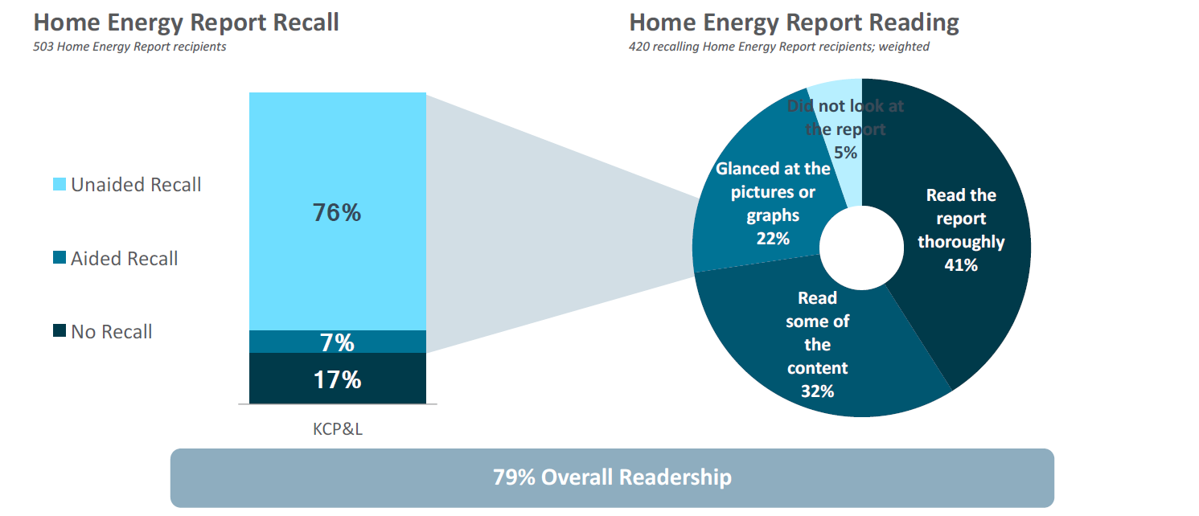

 |  |  |  |  |  |  |  |  | Source: Oracle Opower + Evergy Program Review & Customer Engagement Tracker Results, Feb 2019

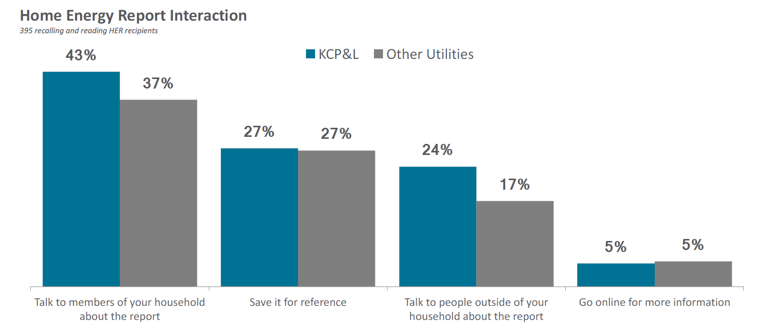

 |  |  |  |  |  |  |  |  | Source: Oracle Opower + Evergy Program Review & Customer Engagement Tracker Results, Feb 2019

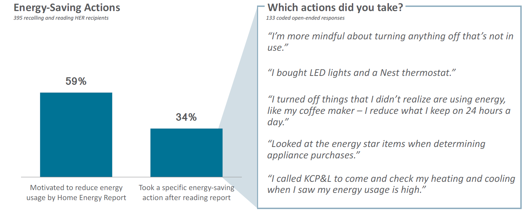

 |  |  |  |  |  |  |  |  | Source: Oracle Opower + Evergy Program Review & Customer Engagement Tracker Results, Feb 2019

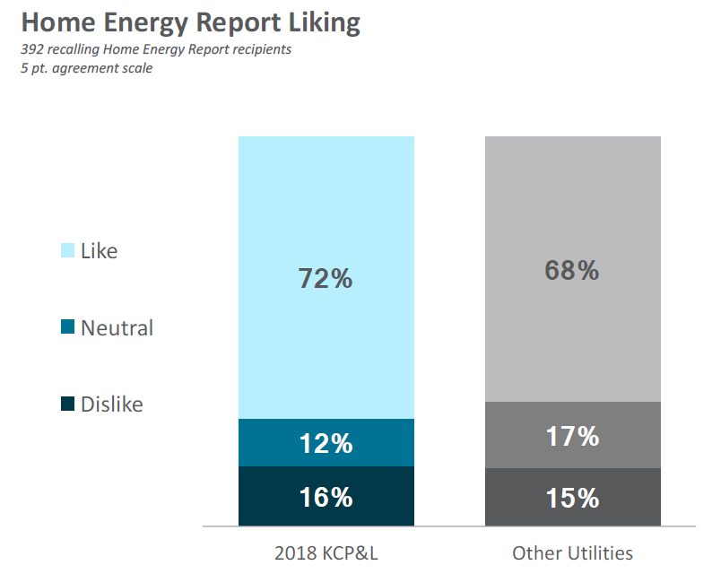

 |  |  |  |  |  |  |  |  | Source: Oracle Opower + Evergy Program Review & Customer Engagement Tracker Results, Feb 2019

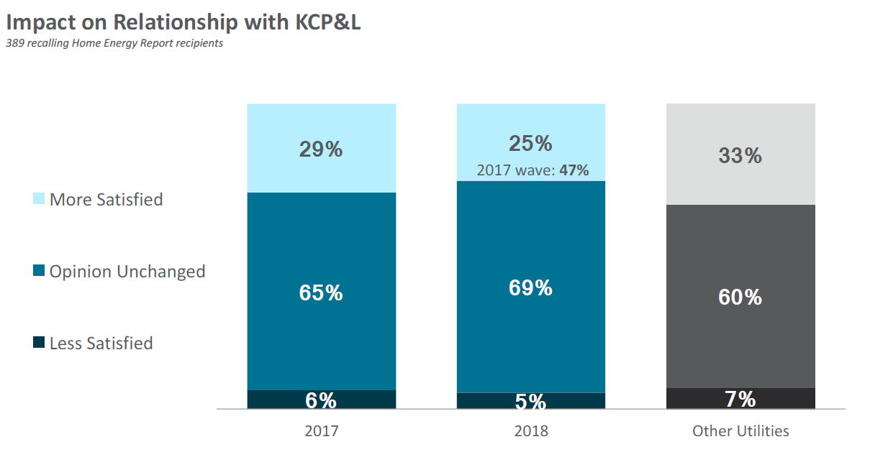

 |  |  |  |  |  |  |  |  | Source: Oracle Opower + Evergy Program Review & Customer Engagement Tracker Results, Feb 2019

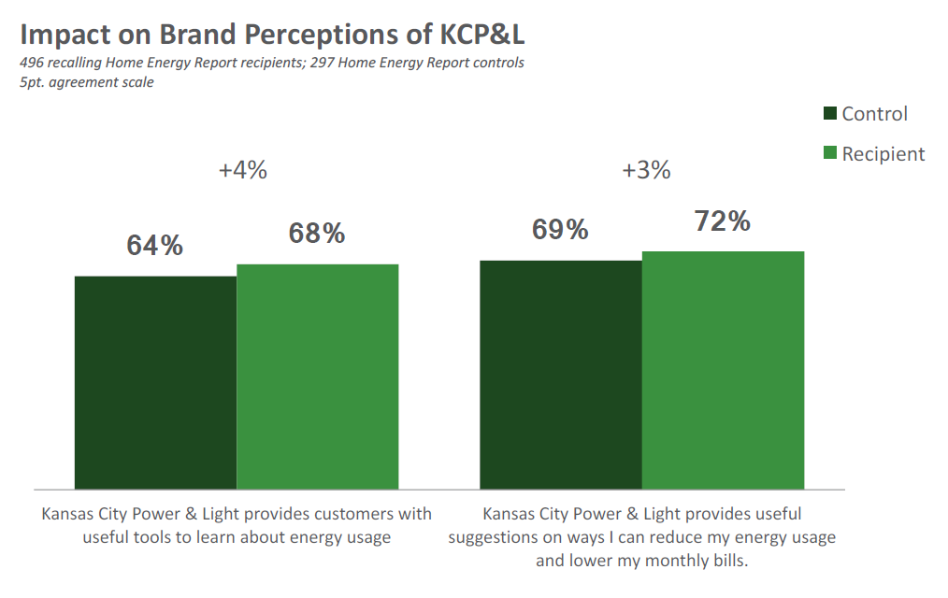

 |  |  |  |  |  |  |  |  | Source: Oracle Opower + Evergy Program Review & Customer Engagement Tracker Results, Feb 2019

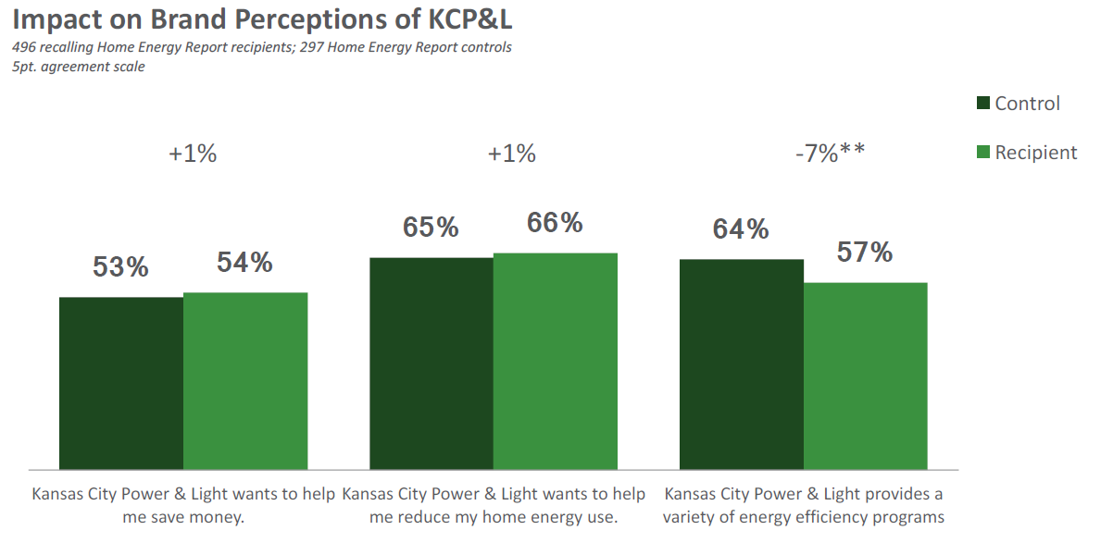

 |  |  |  |  |  |  |  |  | Source: Oracle Opower + Evergy Program Review & Customer Engagement Tracker Results, Feb 2019

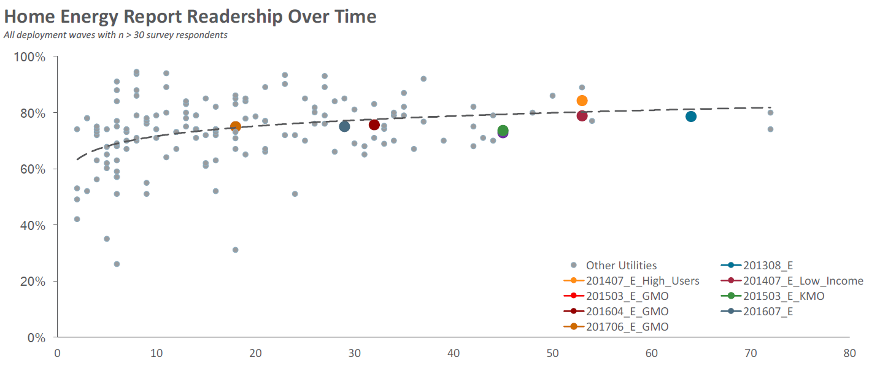

 |  |  |  |  |  |  |  |  | Source: Oracle Opower + Evergy Program Review & Customer Engagement Tracker Results, Feb 2019

OEA
Evergy Metro, Inc. Evaluation, Measurement, and Verification Report: Databook

Energy Analyzer: Data Tables
Executive Summary

Data is sourced to Guidehouse analysis unless otherwise noted.
The Online Energy Analyzer program did not claim any savings in PY2.
The Online Energy Analyzer program did not report any savings in MEEIA Cycle 2.

Additional Detail

Home Energy Assessment Completions (All Evergy)
Metric | Apr-19 | May-19 | Jun-19 | Jul-19 | Aug-19 | Sep-19 | Oct-19 | Nov-19 | Dec-19 | Total
Number of Completions | 255 | 271 | 418 | 488 | 617 | 569 | 257 | 218 | 249 | 3,342

Tip Actions (All Evergy)
Number of Tips Checked As... | Apr-19 | May-19 | Jun-19 | Jul-19 | Aug-19 | Sep-19 | Oct-19 | Nov-19 | Dec-19 | Total
Done | 1108 | 1217 | 615 | 660 | 650 | 1044 | 399 | 489 | 713 | 6,895
Will do | 420 | 322 | 70 | 89 | 105 | 206 | 86 | 126 | 217 | 1,641
Total | 1528 | 1539 | 685 | 749 | 755 | 1250 | 485 | 615 | 930 | 8,536

Res Programmable Thermostat
Evergy Metro, Inc. Evaluation, Measurement, and Verification Report: Databook

Residential Programmable Thermostat: Data Tables
Executive Summary

Data is sourced to Guidehouse analysis unless otherwise noted.

Program Savings Summary - PY 2019
 | Gross |  |  | Net
 | Reported Savings | Verified Savings | Realization Rate | MEEIA 4-Year Target | Verified Savings | % of MEEIA Target Achieved
Energy at Customer Meter (kWh) | 591,591 | 626,834 | 106% | 5,485,095 | 626,834 | 11%
Coinc Demand at Customer Meter (kW) | 4,584 | 4,315 | 94% | 14,959 | 4,315 | 29%
Source: Program Tracking Database and Guidehouse analysis

Program Savings Summary - Program to Date
 | Gross |  |  | Net
 | Reported Savings | Verified Savings | Realization Rate | MEEIA 4-Year Target | Verified Savings | % of MEEIA Target Achieved
Energy at Customer Meter (kWh) | 7,667,583 | 5,702,503 | 74% | 5,485,095 | 5,702,503 | 104%
Coinc Demand at Customer Meter (kW) | 23,940 | 24,588 | 103% | 14,959 | 24,588 | 164%
Source: Program Tracking Database and Guidehouse analysis

Net to Gross Component Summary
Free Ridership | Participant Spillover | Non-Participant Spillover | NTGR
Programmable Thermostat's analysis is inherently net |  |  | 100%

Additional Detail

Energy Savings Participant Type | Direct Install Thermostat | Do It Yourself Installations | Bring Your Own Thermostat | Per-Unit Energy Savings (kWh) | Verified Energy at Customer Meter (kWh)
Installs: Thermostat Participant | 553 | 2289 | 0 | 197 | 559874
Returns: Thermostat Participant | 0 | -12 | 0 | 197 | -2,364
Installs: Thermostat Participant + Seasonal Savings | 161 | 57 | 0 | 318 | 69,324
Returns: Thermostat Participant + Seasonal Savings | 0 | 0 | 0 | 318 | 0
Subtotal: Thermostat Participant | 553 | 2,277 | 0 | 197 | 557,510
Subtotal: Thermostat Participant + Seasonal Savings | 161 | 57 | 0 | 318 | 69,324
Total | 714 | 2,334 | 0 | - | 626,834
Note: BYOT thermostats not included in energy savings calculations. DIY - include Work Order Date within PY4. DI - include Completion Dates within PY4.
Source: Program Tracking Database and Guidehouse analysis

Rush Hour Rewards Participant | Direct Install Thermostat | Do It Yourself Installations | Bring Your Own Thermostat | Per-Unit Demand Savings (kW) | Verified Demand at Customer Meter (kW)
PY2019 Installed Thermostats | 714 | 2110 | 270 | 1.40 | 4331.6
PY2019 Returned Thermostats | 0 | -12 | 0 | 1.40 | -16.8
PY2019 Participating Thermostats | 714 | 2,098 | 270 | 1.40 | 4,315
PY2018 Participating Thermostats | 515 | -229 | 3 | 1.40 | 405
PY2017 Participating Thermostats | 1,995 | 8,190 | 25 | 1.40 | 14,294
PY2016 Participating Thermostats | 1,093 | 2,871 | 18 | 1.40 | 5,575
Cycle 2 Program-to-Date | 4,317 | 12,930 | 316 | 1.40 | 24,588
Note: BYOT, DIY, DI - include Completion Dates within PY4.
Source: Program Tracking Database and Guidehouse analysis

Event Descriptions
Event | Start Time | End Time | Event Length
2019-06-28 | 16:00:00 | 18:00:00 | 2
2019-08-06 | 16:00:00 | 1900-01-05 18:00:00 | 2
Source: Program Tracking Database and Guidehouse analysis

Monthly Energy Savings
Month | 90% CI Lower Bound | Per-Unit Energy Savings (kWh) | 90% CI Upper Bound
Jan | 5.4 | -43.4 | -92.2
Feb | 11.1 | -44.7 | -100.5
Mar | 12.3 | -20.0 | -52.3
Apr | 22.9 | -9.8 | -42.4
May | 18.2 | -1.3 | -20.7
Jun | -1.2 | -7.0 | -12.8
Jul | -6.8 | -13.3 | -19.9
Aug | -22.5 | -29.8 | -37.1
Sep | -2.6 | -4.7 | -6.9
Oct | -6.0 | -11.7 | -17.4
 | Very satisfied (5) | 4 | 3 | 2 | Very dissatisfied (1) | Don't know
Overall experience with Seasonal Savings program | 0.35616438356 | 0.27397260274 | 0.21917808219 | 0.068493150685 | 0.027397260274 | 0.054794520548
Energy savings you achieved in Seasonal Savings program | 0.27397260274 | 0.24657534247 | 0.2602739726 | 0.095890410959 | 0.041095890411 | 0.082191780822
Overall experience with Rush Hour Rewards program | 0.46524064171 | 0.28877005348 | 0.13903743316 | 0.042780748663 | 0.016042780749 | 0.048128342246
Length of Rush Hour Rewards events | 0.37967914439 | 0.29411764706 | 0.16577540107 | 0.053475935829 | 0.016042780749 | 0.090909090909
Number of Rush Hour Rewards events this summer | 0.40106951872 | 0.28342245989 | 0.18181818182 | 0.032085561497 | 0.016042780749 | 0.085561497326
Rush Hour Rewards event notifications | 0.41711229947 | 0.27272727273 | 0.1871657754 | 0.048128342246 | 0.026737967914 | 0.048128342246
Your comfort level on hot summer days | 0.32978723404 | 0.47872340426 | 0.1329787234 | 0.042553191489 | 0.010638297872 | 0.0053191489362
The Nest thermostat itself | 0.72340425532 | 0.19680851064 | 0.053191489362 | 0.0053191489362 | 0.021276595745 | 0
The Nest thermostat installation process | 0.68085106383 | 0.18085106383 | 0.074468085106 | 0.031914893617 | 0.021276595745 | 0.010638297872
Receiving your Nest thermostat for free | 0.92021276596 | 0.031914893617 | 0.026595744681 | 0 | 0.015957446809 | 0.0053191489362
Program enrollment process | 0.69680851064 | 0.20744680851 | 0.079787234043 | 0.0053191489362 | 0.010638297872 | 0
Nov | 11.3 | 3.0 | -5.2
Dec | -2.6 | -13.9 | -25.2
Total | 39.5 | -196.5 | -432.6
Source: Program Tracking Database and PY 2017 Guidehouse analysis

PY 2017 Survey Findings

On a scale of 1 (being very dissatisfied) and 5 (being very satisfied), how would you rate…
 | Very satisfied (5) | 4 | 3 | 2 | Very dissatisfied (1) | Don't know
Overall experience with Seasonal Savings program | 36% | 27% | 22% | 7% | 3% | 5%
Energy savings you achieved in Seasonal Savings program | 27% | 25% | 26% | 10% | 4% | 8%
Overall experience with Rush Hour Rewards program | 47% | 29% | 14% | 4% | 2% | 5%
Length of Rush Hour Rewards events | 38% | 29% | 17% | 5% | 2% | 9%
Number of Rush Hour Rewards events this summer | 40% | 28% | 18% | 3% | 2% | 9%
Rush Hour Rewards event notifications | 42% | 27% | 19% | 5% | 3% | 5%
Your comfort level on hot summer days | 33% | 48% | 13% | 4% | 1% | 1%
The Nest thermostat itself | 72% | 20% | 5% | 1% | 2% | 0%
The Nest thermostat installation process | 68% | 18% | 7% | 3% | 2% | 1%
Receiving your Nest thermostat for free | 92% | 3% | 3% | 0% | 2% | 1%
 | Wednesday, July 12th N= 368 | Thursday, July 20th N = 120 | Friday, July 21st N = 140
I saw the notification on the Nest Thermostat | 0.64945652174 | 0.525 | 0.67857142857
I received an email | 0.25543478261 | 0.21666666667 | 0.17142857143
I received a text | 0.16304347826 | 0.2 | 0.17857142857
I assumed it was an event because it was hot | 0.11684782609 | 0.15 | 0.13571428571
Other (please describe) | 0.18206521739 | 0.10833333333 | 0.12142857143
Someone else in my home/business told me | 0.067934782609 | 0.041666666667 | 0.014285714286
I checked the KCP&L website | 0.0054347826087 | 0.0083333333333 | 0.014285714286
Program enrollment process | 70% | 21% | 8% | 1% | 1% | 0%

How did you become aware of the Rush Hour Rewards event occurring on [Field-Date]?
 | Wednesday, July 12th N= 368 | Thursday, July 20th N = 120 | Friday, July 21st N = 140
I saw the notification on the Nest Thermostat | 65% | 53% | 68%
I received an email | 26% | 22% | 17%
I received a text | 16% | 20% | 18%
I assumed it was an event because it was hot | 12% | 15% | 14%
Other (please describe) | 18% | 11% | 12%
Someone else in my home/business told me | 7% | 4% | 1%
I checked the KCP&L website | 1% | 1% | 1%
Don't know | 0% | 0% | 0%

At any point before or during the hours of the event, did you or a member of your household adjust your thermostat?
 | Wednesday, July 12th, n = 390 | Thursday, July 20th, n = 115 | Friday, July 21st, n = 161
Yes, adjusted thermostat before event | 0.089743589744 | 0.10434782609 | 0.13043478261
Yes, adjusted thermostat during the event hours | 0.15641025641 | 0.10434782609 | 0.2049689441
No | 0.63333333333 | 0.70434782609 | 0.55900621118
Don't Know | 0.12051282051 | 0.086956521739 | 0.10559006211
At any point before or during the hours of [Field-Event_Starttime] and [Field-Event_Endtime] on [Field-Date], did you or any other member of your [Field-HouseholdBusiness] adjust your thermostat? Please select all that apply.
 | Wednesday, July 12th, n = 390 | Thursday, July 20th, n = 115 | Friday, July 21st, n = 161
Yes, adjusted thermostat before event | 9% | 10% | 13%
Yes, adjusted thermostat during the event hours | 16% | 10% | 20%
No | 63% | 70% | 56%
Don't Know | 12% | 9% | 11%

Bus Programmable Thermostat
Evergy Metro, Inc. Evaluation, Measurement, and Verification Report: Databook

Business Programmable Thermostat: Data Tables |  |  |  |  |  |  | Bus Programmable Thermostat: Figures
Executive Summary

Data is sourced to Guidehouse analysis unless otherwise noted. |  |  |  |  |  |  | Energy at the Customer Meter: Program Savings Summary
Reported Savings | 13,593
Verified Savings | 16,331
Verified Savings | 16,331
MEEIA 4-Year Target | 123,008
Program Savings Summary - PY 2019
 | Gross |  |  | Net
 | Reported Savings | Verified Savings | Realization Rate | MEEIA 4-Year Target | Verified Savings | % of MEEIA Target Achieved
Energy at Customer Meter (kWh) | 13,593 | 16,331 | 120% | 123,008 | 16,331 | 13%
Coinc Demand at Customer Meter (kW) | 97 | 97 | 100% | 335 | 97 | 29%
Source: Program Tracking Database and Guidehouse analysis

Program Savings Summary - Program to Date
 | Gross |  |  | Net
 | Reported Savings | Verified Savings | Realization Rate | MEEIA 4-Year Target | Verified Savings | % of MEEIA Target Achieved
Energy at Customer Meter (kWh) | 154,965 | 105,228 | 68% | 123,008 | 105,228 | 86%
Coinc Demand at Customer Meter (kW) | 483 | 521 | 108% | 335 | 521 | 155%
Source: Program Tracking Database and Guidehouse analysis

Net to Gross Component Summary
Free Ridership | Participant Spillover | Non-Participant Spillover | NTGR
Programmable Thermostat's analysis is inherently net |  |  | 100% |  |  |  | Coincident Demand at the Customer Meter: Program Savings Summary
Reported Savings | 97
Verified Savings | 97
Verified Savings | 97
MEEIA 4-Year Target | 335

Additional Detail

Energy Savings Participant Type | Direct Install Thermostat | Do It Yourself Installations | Bring Your Own Thermostat | Per-Unit Energy Savings (kWh) | Verified Energy at Customer Meter (kWh)
Installs: Thermostat Participant | 39 | 10 | 0 | 197 | 9653
Returns: Thermostat Participant | 0 | 0 | 0 | 197 | 0
Installs: Thermostat Participant + Seasonal Savings | 21 | 0 | 0 | 318 | 6,678
Returns: Thermostat Participant + Seasonal Savings | 0 | 0 | 0 | 318 | 0
Subtotal: Thermostat Participant | 39 | 10 | 0 | 197 | 9,653
Subtotal: Thermostat Participant + Seasonal Savings | 21 | 0 | 0 | 318 | 6,678
Total | 60 | 10 | 0 | - | 16,331
Note: BYOT thermostats not included in energy savings calculations. DIY - include Work Order Date within PY4. DI - include Completion Dates within PY4.
Source: Program Tracking Database and Guidehouse analysis

Rush Hour Rewards Participant | Direct Install Thermostat | Do It Yourself Installations | Bring Your Own Thermostat | Per-Unit Demand Savings (kW) | Verified Demand at Customer Meter (kW)
PY2019 Installed Thermostats | 60 | 9 | 0 | 1.40 | 96.6
PY2019 Returned Thermostats | 0 | 0 | 0 | 1.40 | 0
PY2019 Participating Thermostats | 60 | 9 | 0 | 1.40 | 97
PY2018 Participating Thermostats | 16 | -1 | 0 | 1.40 | 21
PY2017 Participating Thermostats | 217 | 4 | 0 | 1.40 | 309
PY2016 Participating Thermostats | 63 | 4 | 0 | 1.40 | 94
Cycle 2 Program-to-Date | 356 | 16 | 0 | 1.40 | 521
Note: BYOT, DIY, DI - include Completion Dates within PY4.
Source: Program Tracking Database and Guidehouse analysis

 | Very satisfied (5) | 4 | 3 | 2 | Very dissatisfied (1) | Don't know
Overall experience with Seasonal Savings program | 0.35616438356 | 0.27397260274 | 0.21917808219 | 0.068493150685 | 0.027397260274 | 0.054794520548
Energy savings you achieved in Seasonal Savings program | 0.27397260274 | 0.24657534247 | 0.2602739726 | 0.095890410959 | 0.041095890411 | 0.082191780822
Overall experience with Rush Hour Rewards program | 0.46524064171 | 0.28877005348 | 0.13903743316 | 0.042780748663 | 0.016042780749 | 0.048128342246
Length of Rush Hour Rewards events | 0.37967914439 | 0.29411764706 | 0.16577540107 | 0.053475935829 | 0.016042780749 | 0.090909090909
Number of Rush Hour Rewards events this summer | 0.40106951872 | 0.28342245989 | 0.18181818182 | 0.032085561497 | 0.016042780749 | 0.085561497326
Rush Hour Rewards event notifications | 0.41711229947 | 0.27272727273 | 0.1871657754 | 0.048128342246 | 0.026737967914 | 0.048128342246
Your comfort level on hot summer days | 0.32978723404 | 0.47872340426 | 0.1329787234 | 0.042553191489 | 0.010638297872 | 0.0053191489362
The Nest thermostat itself | 0.72340425532 | 0.19680851064 | 0.053191489362 | 0.0053191489362 | 0.021276595745 | 0
The Nest thermostat installation process | 0.68085106383 | 0.18085106383 | 0.074468085106 | 0.031914893617 | 0.021276595745 | 0.010638297872
Receiving your Nest thermostat for free | 0.92021276596 | 0.031914893617 | 0.026595744681 | 0 | 0.015957446809 | 0.0053191489362
Program enrollment process | 0.69680851064 | 0.20744680851 | 0.079787234043 | 0.0053191489362 | 0.010638297872 | 0
Event Descriptions
Event | Start Time | End Time | Event Length
2019-06-28 | 16:00:00 | 18:00:00 | 2
2019-08-06 | 16:00:00 | 1900-01-05 18:00:00 | 2
Source: Program Tracking Database and Guidehouse analysis

PY 2017 Survey Findings

On a scale of 1 (being very dissatisfied) and 5 (being very satisfied), how would you rate…
 | Very satisfied (5) | 4 | 3 | 2 | Very dissatisfied (1) | Don't know
Overall experience with Seasonal Savings program | 36% | 27% | 22% | 7% | 3% | 5%
Energy savings you achieved in Seasonal Savings program | 27% | 25% | 26% | 10% | 4% | 8%
Overall experience with Rush Hour Rewards program | 47% | 29% | 14% | 4% | 2% | 5%
 | Wednesday, July 12th N= 368 | Thursday, July 20th N = 120 | Friday, July 21st N = 140
I saw the notification on the Nest Thermostat | 0.64945652174 | 0.525 | 0.67857142857
I received an email | 0.25543478261 | 0.21666666667 | 0.17142857143
I received a text | 0.16304347826 | 0.2 | 0.17857142857
I assumed it was an event because it was hot | 0.11684782609 | 0.15 | 0.13571428571
Other (please describe) | 0.18206521739 | 0.10833333333 | 0.12142857143
Someone else in my home/business told me | 0.067934782609 | 0.041666666667 | 0.014285714286
I checked the KCP&L website | 0.0054347826087 | 0.0083333333333 | 0.014285714286
Length of Rush Hour Rewards events | 38% | 29% | 17% | 5% | 2% | 9%
Number of Rush Hour Rewards events this summer | 40% | 28% | 18% | 3% | 2% | 9%
Rush Hour Rewards event notifications | 42% | 27% | 19% | 5% | 3% | 5%
Your comfort level on hot summer days | 33% | 48% | 13% | 4% | 1% | 1%
The Nest thermostat itself | 72% | 20% | 5% | 1% | 2% | 0%
The Nest thermostat installation process | 68% | 18% | 7% | 3% | 2% | 1%
Receiving your Nest thermostat for free | 92% | 3% | 3% | 0% | 2% | 1%
Program enrollment process | 70% | 21% | 8% | 1% | 1% | 0%

How did you become aware of the Rush Hour Rewards event occurring on [Field-Date]?
 | Wednesday, July 12th N= 368 | Thursday, July 20th N = 120 | Friday, July 21st N = 140
I saw the notification on the Nest Thermostat | 65% | 53% | 68%
I received an email | 26% | 22% | 17%
I received a text | 16% | 20% | 18%
At any point before or during the hours of the event, did you or a member of your household adjust your thermostat?
 | Wednesday, July 12th, n = 390 | Thursday, July 20th, n = 115 | Friday, July 21st, n = 161
Yes, adjusted thermostat before event | 0.089743589744 | 0.10434782609 | 0.13043478261
Yes, adjusted thermostat during the event hours | 0.15641025641 | 0.10434782609 | 0.2049689441
No | 0.63333333333 | 0.70434782609 | 0.55900621118
Don't Know | 0.12051282051 | 0.086956521739 | 0.10559006211
I assumed it was an event because it was hot | 12% | 15% | 14%
Other (please describe) | 18% | 11% | 12%
Someone else in my home/business told me | 7% | 4% | 1%
I checked the KCP&L website | 1% | 1% | 1%
Don't know | 0% | 0% | 0%

At any point before or during the hours of [Field-Event_Starttime] and [Field-Event_Endtime] on [Field-Date], did you or any other member of your [Field-HouseholdBusiness] adjust your thermostat? Please select all that apply.
 | Wednesday, July 12th, n = 390 | Thursday, July 20th, n = 115 | Friday, July 21st, n = 161
Yes, adjusted thermostat before event | 9% | 10% | 13%
Yes, adjusted thermostat during the event hours | 16% | 10% | 20%
No | 63% | 70% | 56%
Don't Know | 12% | 9% | 11%

Demand Response Incentive
Evergy Metro, Inc. Evaluation, Measurement, and Verification Report: Databook

Demand Response Incentive: Data Tables |  |  |  |  |  |  | Demand Response Incentive: Figures
Executive Summary |  |  |  |  |  |  | Coincident Demand at the Customer Meter: Program Savings Summary
Reported Savings | 16,400
Verified Savings | 21,035
Verified Savings | 21,035
MEEIA 4-Year Target | 15,000
Data is sourced to Guidehouse analysis unless otherwise noted.

Program Savings Summary - PY 2019
 | Gross |  |  | Net
 | Reported Savings | Verified Savings | Realization Rate | MEEIA 4-Year Target | Verified Savings | % of MEEIA Target Achieved
Energy at Customer Meter (kWh) | N/A | N/A | N/A | N/A | N/A | N/A
Coinc Demand at Customer Meter (kW) | 16,400 | 21,035 | 128% | 15,000 | 21,035 | 140%

Source: Program Tracking Database and Guidehouse analysis

Program Savings Summary by MEEIA Rider
 | Gross |  |  | Net
 | Reported Savings | Verified Savings | Realization Rate | MEEIA 4-Year Target | Verified Savings | % of MEEIA Target Achieved
MEEIA Participant Demand Savings (kW) | 6,140 | 6,453 | 105% | - | - | -
Opt-Out Demand Savings (kW) | 10,260 | 14,582 | 142%
Total Demand Savings (kW) | 16,400 | 21,035 | 128% | 15,000 | 21,035 | 140%

Source: Program Tracking Database and Guidehouse analysis

Net to Gross Component Summary
Free Ridership | Participant Spillover | Non-Participant Spillover | NTGR
DRI's analysis is inherently net |  |  | 100%

Additional Detail

Event Descriptions
Event | Start Time | End Time | Event Length (Hours) | Average Temperature | Demand (kW) Impact By Event
2020-07-18 | 14:00:00 | 17:00:00 | 3 | 93.2 | 21,035
Average |  |  |  |  | 21,035
Source: Program Tracking Database and Guidehouse analysis

