START-HOME
WELCOME
APPLICATION
FINAL STEPS

WELCOME

NEXT

 | Trade Ally Application
 | For Ameren Missouri's 2026 BizSavers® Energy Efficiency Program

 | Thank you for your interest in joining the Ameren Missouri BizSavers Program’s Trade Ally Network! Our Trade Ally Network consists of contractors, suppliers, engineers and design professionals who are growing their businesses by leveraging BizSavers® incentives for energy efficiency projects. BizSavers® Trade Allies are our valued ambassadors serving Ameren Missouri business customers. Our network of more than 100 independent contractors helps businesses, public and nonprofit organizations, municipalities, developers, and others complete energy efficiency projects across the Ameren Missouri service territory. Join the network and enjoy the many benefits of membership while also helping your customers fund their energy efficiency projects.

Navigate using the at the top and the buttons on the right.
TABS

 | Application Expiration Date | 2026-12-31
Ameren Missouri BizSavers® Program |  |  |  | Trade Ally Application v3.1.1 | Product of TRC Companies, Inc.
Toll-Free 1.866.941.7299 |  |  | info@bizsavers.ameren.com

A - TAX AND T's AND C's
 |  |  | ACCESS OFFER FORM |  |  | ACCESS COMPLETION FORM

WELCOME
APPLICATION
FINAL STEPS

AGREEMENTS AND TERMS & CONDITIONS
COMPANY
SERVICES & SERVICE AREA
ADDITIONAL COMPANY CONTACTS

BACK
NEXT

 | TRADE ALLY TERMS AND CONDITIONS
 | Click here to view the terms and conditions.
 |  | By providing an electronic signature below you understand and agree to comply with the Terms and Conditions of the Ameren Missouri's BizSavers Trade Ally Network.

*
 |  | THIS CONTRACT CONTAINS A BINDING ARBITRATION PROVISION WHICH MAY BE ENFORCED BY THE PARTIES

 |  | (To be signed by the authorized representative associated with the Trade Ally company as listed on the "Company" tab.)

 | CO-BRANDING AGREEMENT
 | Click here to view the Co-Branding guidelines.
 |  | By providing an electronic signature below you indicate that you have read, understand, and agree to the Co-Branded Marketing guidelines if you should become an approved TA and decide to utilize Ameren Missouri’s Trade Ally Co-Branding.
*
 |  |  |  | Signature only required if you wish to participate in any co-branding opportunities.
 |  | (To be signed by the authorized representative associated with the Trade Ally company as listed on the "Company" tab.)

 | CONTINUOUS IMPROVEMENT PLAN
 | Click here to view the Continuous Improvement Plan
 |  | By providing an electronic signature below you indicate that you have read, understand, and agree to the Continuous Improvement Plan.
*
*

 |  | (To be signed by the authorized representative associated with the Trade Ally company as listed on the "Company" tab.)

* Required Field
Ameren Missouri BizSavers® Program |  |  |  |  | Trade Ally Application v3.1.1 |  | Product of TRC Companies, Inc.

A - Company
 |  |  |  |  | ACCESS OFFER FORM |  |  | ACCESS COMPLETION FORM

WELCOME
APPLICATION
FINAL STEPS

AGREEMENTS AND TERMS & CONDITIONS
COMPANY
SERVICES & SERVICE AREA
ADDITIONAL COMPANY CONTACTS

*
BACK
NEXT
 | LEGAL COMPANY NAME:
*
*
 | COMPANY PHONE | COMPANY EMAIL

*
*
*
*
*
 | MAIN CONTACT
 | FIRST NAME | LAST NAME |  |  |  | TITLE |  |  | CONTACT PHONE |  | EMAIL

*
*
 | COMPANY ADDRESS |  |  |  |  |  |  |  | DIVERSITY INFORMATION
 | MAILING ADDRESS |  |  |  |  |  |  |  | DIVERSE BUSINESS TYPE |  |  | ISSUED ORGANIZATION TYPE

*
*
*
*
 | CITY | STATE |  | ZIP CODE |  | WEBSITE |  |  | CERTIFICATE NUMBER |  | CERTIFICATE ISSUED DATE | CERTIFICATE EXPIRATION DATE

* Required Field
Ameren Missouri BizSavers® Program |  |  |  |  |  |  | Trade Ally Application v3.1.1 |  |  | Product of TRC Companies, Inc.
Toll-Free 1.866.941.7299 |  |  | info@bizsavers.ameren.com

A -Service & Service Area
 |  |  |  |  | ACCESS OFFER FORM |  |  | ACCESS COMPLETION FORM

WELCOME
APPLICATION
FINAL STEPS

AGREEMENTS AND TERMS & CONDITIONS
COMPANY
SERVICES & SERVICE AREA
ADDITIONAL COMPANY CONTACTS

BACK
NEXT

* | BUSINESS TYPE - Select one |  |  |  |  |  |  |  | * | SERVICES OFFERED - Select the services you currently provide
 |  |  |  |  |  |  |  |  |  |  | BUILDING COMMISSIONING
 |  |  |  |  |  |  |  |  |  |  | COMPRESSED AIR SYSTEMS
* | TA AWARDS CATEGORY - This is for end of year awards. |  |  |  |  |  |  |  |  |  | CONTROLS - INDUSTRIAL SYSTEMS |  | HVAC/CHILLERS/RTUs
 |  |  |  |  |  |  |  |  |  |  | CONTROLS - BUILDING AUTOMATION |  | MOTOR DRIVES (VFDs)
 |  |  |  |  |  |  |  |  |  |  | CONTROLS LIGHTING |  | MOTORS
 |  |  |  |  |  |  |  |  |  |  | ELECTRIC VECHILES |  | NEW CONSTRUCTION
 |  |  |  |  |  |  |  |  |  |  | ENERGY ANALYSIS/BENCHMARKING |  | OPTIMIZATION - DATA CENTER
* | SERVICE AREA - Refer to the map below. Only select the areas you currently service |  |  |  |  |  |  |  |  |  | ENERGY MANAGEMENT SYSTEMS |  | OPTIMIZATION - HVAC
 |  | 1. EXCELSIOR SPRINGS AREA | 7. WENTZVILLE AREA |  |  | 13. ST. LOUIS COUNTY |  |  |  |  | EQUIPMENT - FOOD SERVICE |  | OPTIMIZATION - WASTE WATER
 |  | 2. KIRKSVILLE AREA | 8. ST. CHARLES COUNTY |  |  | 14. ST. LOUIS CITY |  |  |  |  | EQUIPMENT - INDUSTRIAL |  | SYSTEMS - PUMP
 |  | 3. MOBERLY AREA | 9. BOONVILLE AREA |  |  | 15. JEFFERSON COUNTY |  |  |  |  | FINANCING |  | SYSTEMS - REFRIGERATION
 |  | 4. MEXICO AREA | 10. JEFFERSON CITY AREA |  |  | 16. PARK HILLS AREA
 |  | 5. PIKE COUNTY | 11. LAKE OF THE OZARKS AREA |  |  | 17. CAPE GIRARDEAU AREA |  |  |  | PROVIDER INQUIRY - Check if interested in becoming an approved provider
 |  | 6. LINCOLN COUNTY | 12. FRANKLIN COUNTY |  |  | 18. CARUTHERSVILLE AREA |  |  |  |  | RETRO-COMMISSIONING

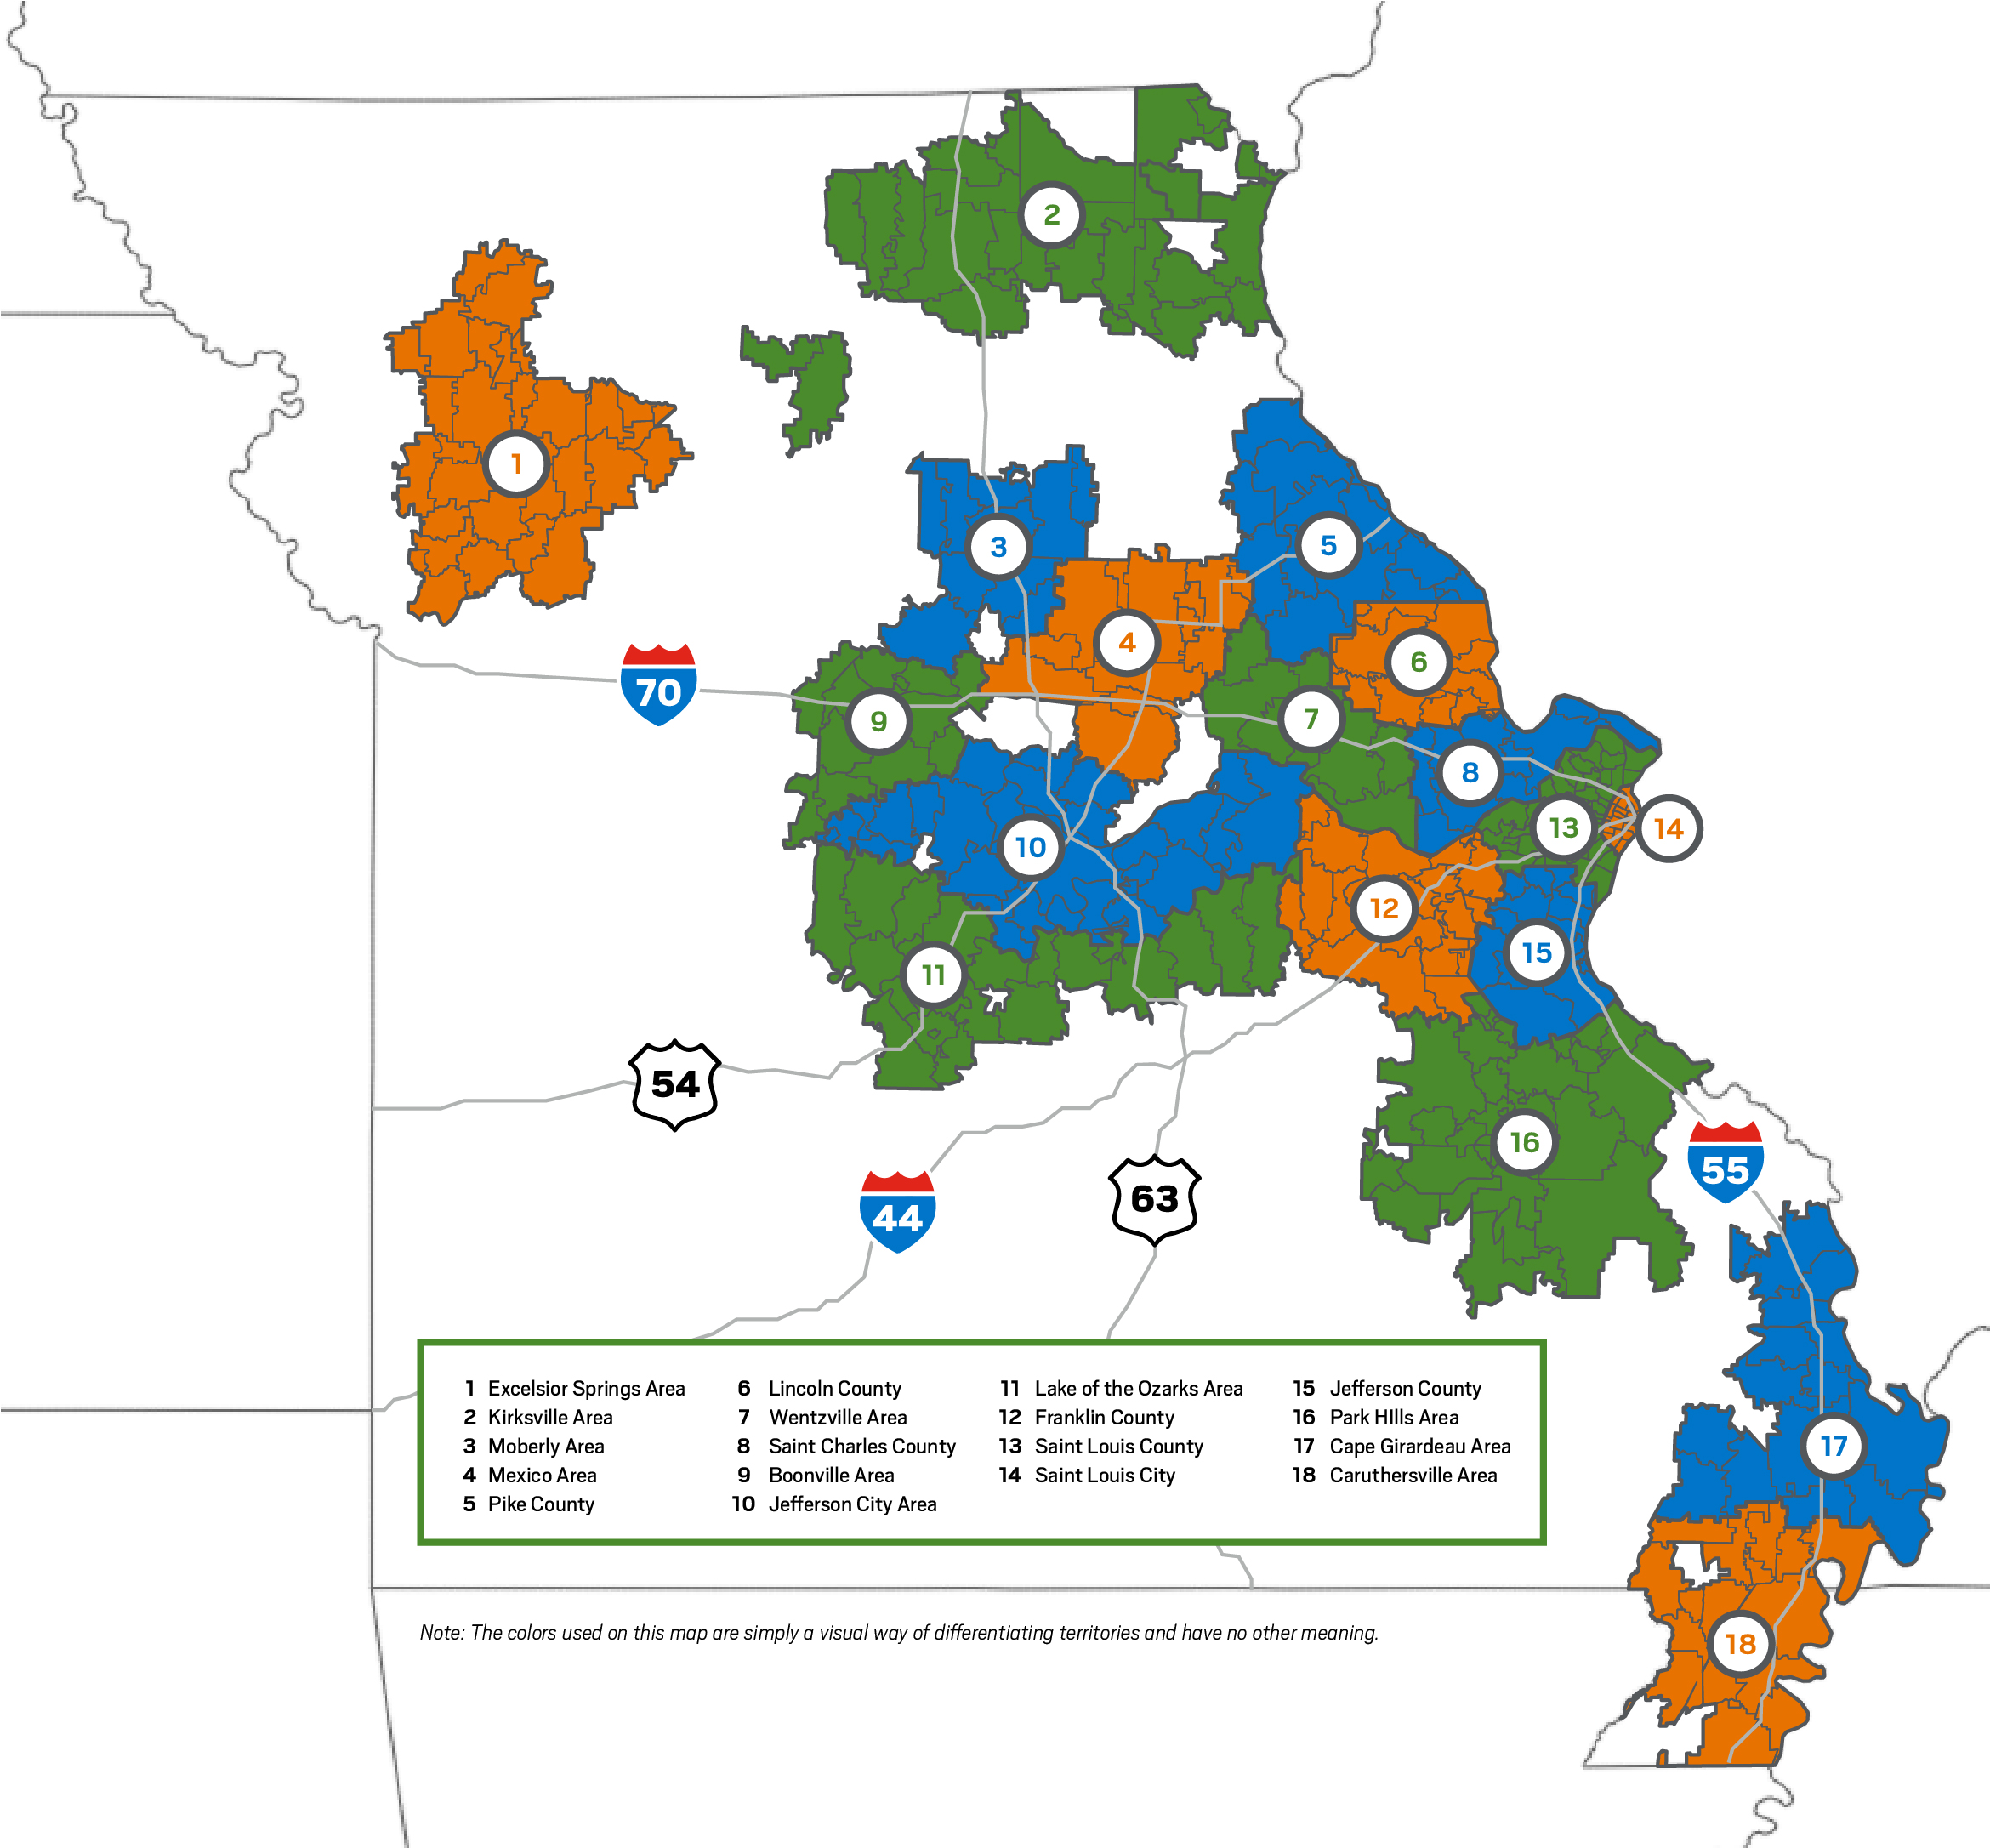

Ameren Missouri BizSavers® Program |  |  |  |  |  |  | Trade Ally Application v3.1.1 |  |  |  |  | Product of TRC Companies, Inc.
Toll-Free 1.866.941.7299 |  |  |  | info@bizsavers.ameren.com

A - Add Contacts
 |  |  |  | ACCESS OFFER FORM |  |  | ACCESS COMPLETION FORM

WELCOME
APPLICATION
FINAL STEPS

AGREEMENTS AND TERMS & CONDITIONS
COMPANY
SERVICES & SERVICE AREA
ADDITIONAL COMPANY CONTACTS

BACK
NEXT

 | ADDITIONAL COMPANY CONTACTS

 | FIRST NAME | LAST NAME |  |  | TITLE |  |  | FIRST NAME |  | LAST NAME | TITLE

 | PRIMARY PHONE | SECONDARY PHONE |  |  | EMAIL |  |  | PRIMARY PHONE |  | SECONDARY PHONE | EMAIL

 | FIRST NAME | LAST NAME |  |  | TITLE |  |  | FIRST NAME |  | LAST NAME | TITLE

 | PRIMARY PHONE | SECONDARY PHONE |  |  | EMAIL |  |  | PRIMARY PHONE |  | SECONDARY PHONE | EMAIL

* Required
Ameren Missouri BizSavers® Program |  |  |  |  |  | Trade Ally Application v3.1.1 |  |  | Product of TRC Companies, Inc.
Toll-Free 1.866.941.7299 |  |  | info@bizsavers.ameren.com

COMPLETE-AS
 |  |  | ACCESS OFFER FORM |  |  | ACCESS COMPLETION FORM

WELCOME
APPLICATION
FINAL STEPS

AGREEMENT AND SIGNATURE
APPLICATION REVIEW AND SUBMITTAL

BACK
NEXT

 | AGREEMENT AND SIGNATURE
 | AGREEMENT
 | By my signature below, I represent and warrant that (i) I am duly authorized to submit this Application; (ii) the information provided in this Application and any other related documents delivered to Ameren Missouri is true, accurate and complete; (iii) I have read this Application in its entirety, (iv) that my marketing materials must adhere to the logo and messaging guidelines; (v) I understand that my proposed co-branding materials must be pre-approved by Ameren Missouri; and (vi) I understand and accept the terms and conditions contained in this Application. I further understand that the approval or denial of the Application is in the sole discretion of Ameren Missouri and that only upon receipt of any Program-Specific Application Approval Notice will Applicant be a registered Trade Ally of Ameren Missouri.

*
*
*
 | Electronic Signature (Authorized Representative) |  |  | Authorized Representative Title |  | Date Signed

* Required Field
Ameren Missouri BizSavers® Program |  |  |  |  | Trade Ally Application v3.1.1 |  | Product of TRC Companies, Inc.
Toll-Free 1.866.941.7299 |  | info@bizsavers.ameren.com

COMPLETE-REVIEW
 |  |  |  | ACCESS OFFER FORM |  |  |  | ACCESS COMPLETION FORM

WELCOME
APPLICATION
FINAL STEPS

AGREEMENT AND SIGNATURE
APPLICATION REVIEW AND SUBMITTAL

BACK
END

 | APPLICATION REVIEW AND SUBMITTAL

1.
2.
3.

 |  | APPLICATION COMPLETION CHECKLIST: |  |  | SUBMITTAL AND NEXT STEPS |  |  |  |  | CERTIFICATE OF INSURANCE
 |  | Terms & Conditions reviewed and signed? |  |  | 1) | Once you're ready to submit, you can send your completed application to our main email address: |  |  |  |  | All applicants must show proof of insurance. Submit your Request for Insurance Form to your insurance company. Then, your insurance company will send the certificate of insurance directly to our office.
 |  | Co-Branding Guildelines reviewed and signed?
 |  | Continuous Improvement Plan reviewed and signed? |  |  |  | info@bizsavers.ameren.com
 |  |  |  |  | 2) | Request proof of insurance from your insurance company. Your certificate of insurance will be needed to process your application.
 |  | Company information filled out?
 |  | Services & Service Area information filled out? |  |  | 3) | Once your application has been received, you can expect a response within two business days confirming receipt.
 |  | Additional Contact information filled out?
 |  | Project References filled out? |  |  | 4) | Ameren Missouri will make a determination within 30 days of application receipt and inform applicants in writing.
 |  | Application Agreement & Signature?
 |  | Ready for submittal when all fields are complete.

Ameren Missouri BizSavers® Program |  |  |  |  |  |  | Trade Ally Application v3.1.1 |  | Product of TRC Companies, Inc.
Toll-Free 1.866.941.7299 |  |  | info@bizsavers.ameren.com

Terms and Conditions
BACK
Trade Ally Terms and Conditions

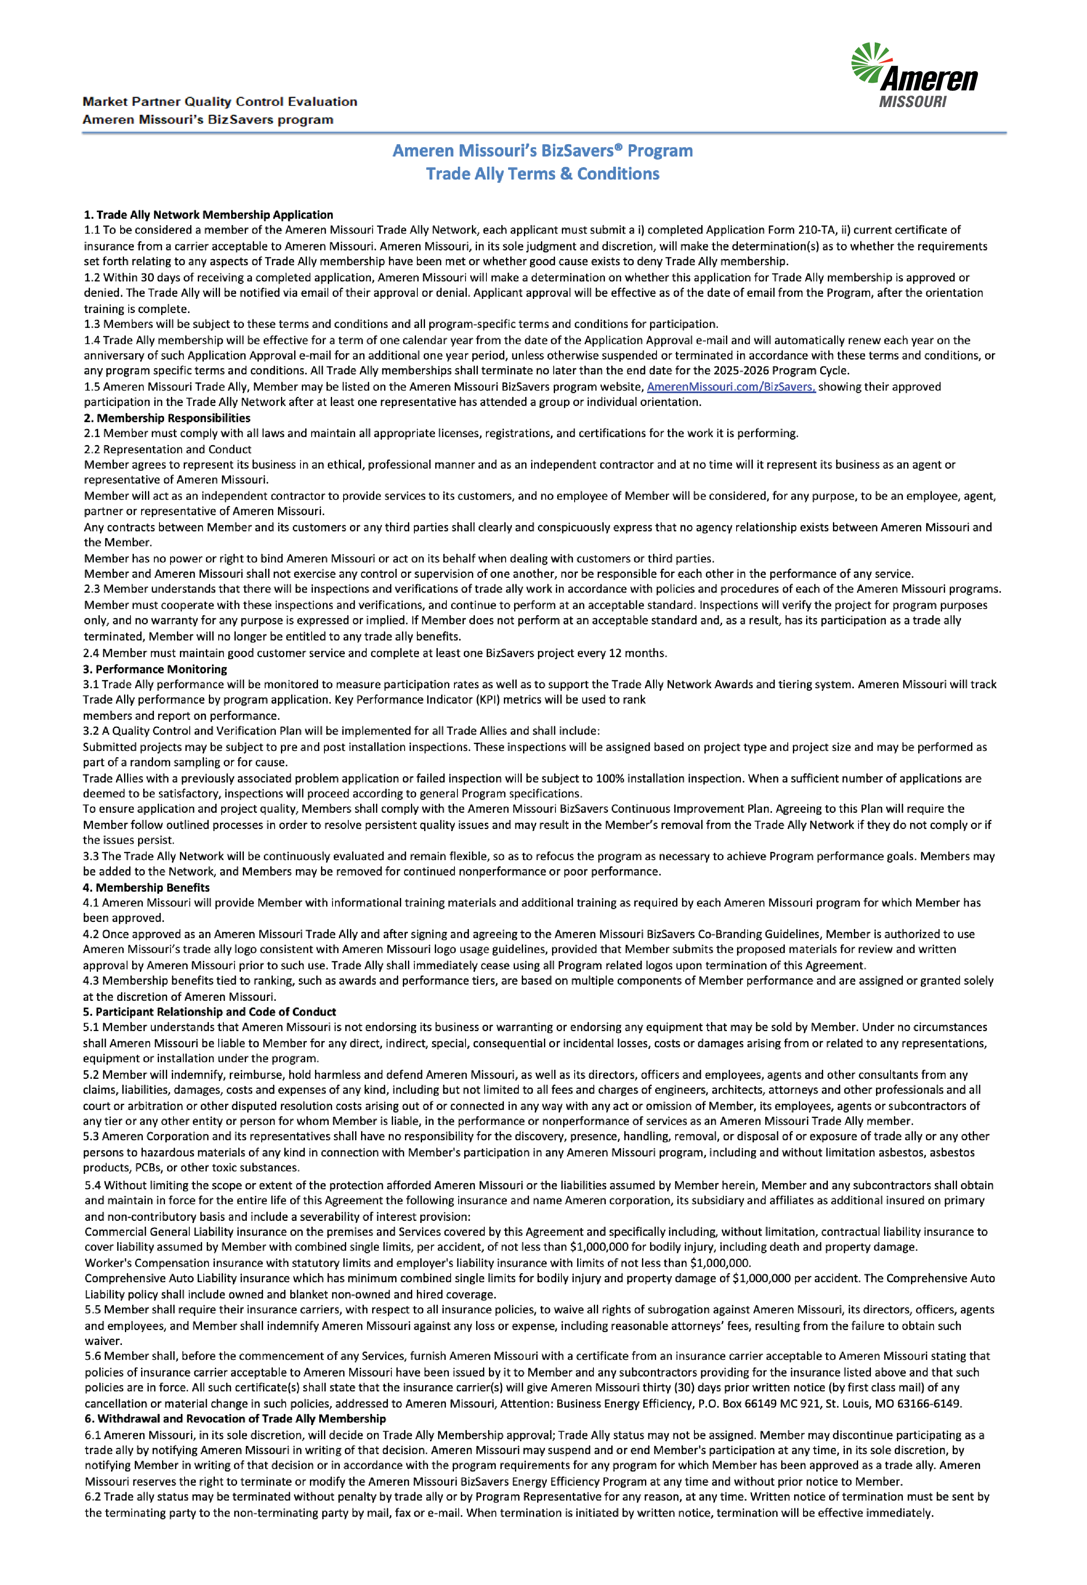

Trade Ally Network
Terms & Conditions
Ameren Missouri’s 2019-2022 BizSavers program

 | Trade Ally Terms & Conditions 20250320 | AmerenMissouri.com/BizSavers

Co Branding
BACK
Ameren Missouri BizSavers Co-Branding Guidelines

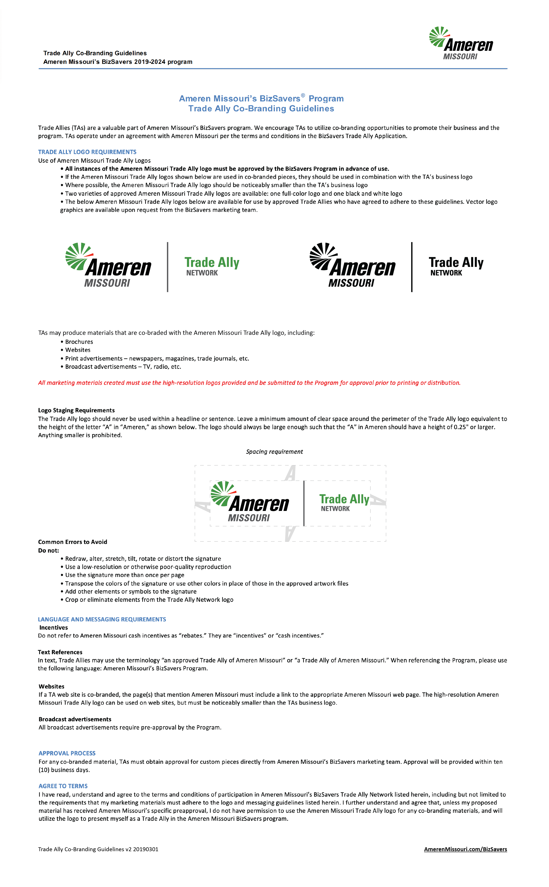

 | Trade Ally Co-Branding Guidelines
 | Ameren Missouri’s BizSavers 2019-2022 program

 |  | Ameren Missouri’s BizSavers® Program
 |  | Trade Ally Co-Branding Guidelines

Continuous Improvement Plan
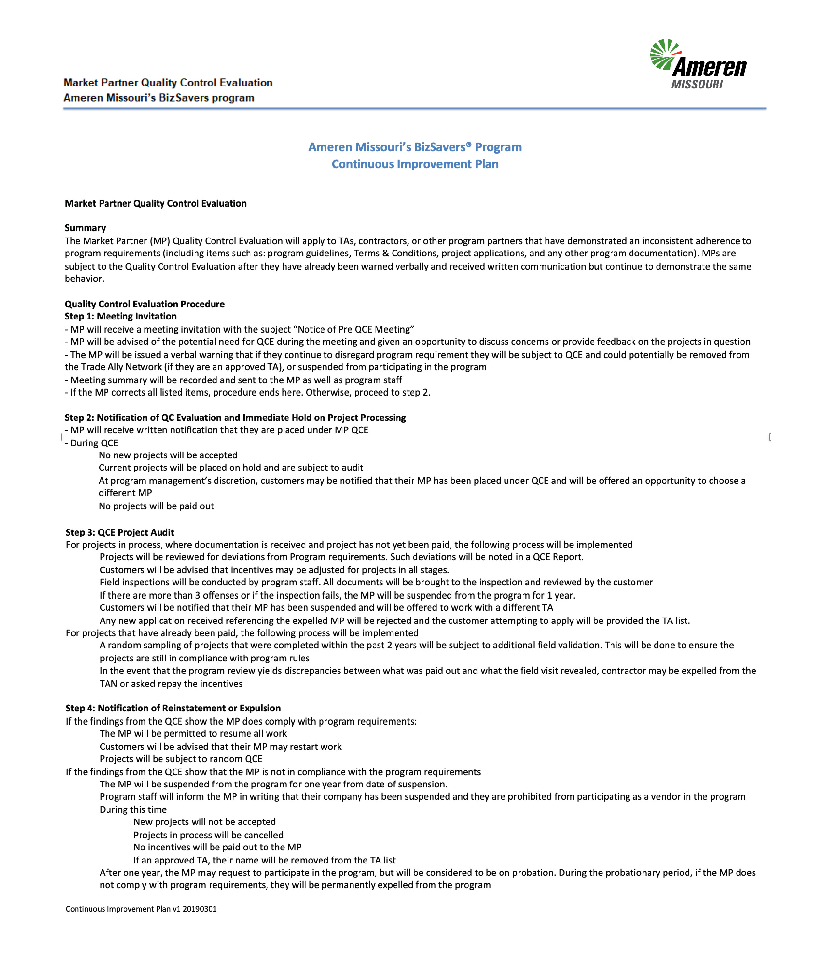

Insurance Request
BACK
Faxable Insurance Request Form

FAXABLE INSURANCE REQUEST FORM

Trade Ally Instructions:
Complete this form and fax to your insurance agent to request a Certificate of Insurance as required by Ameren Missouri.

Trade Ally (Insured) Information
Company Name _________________________________ Contact Name ___________________________________

Street _________________________________________ City ________________________ State/Zip ___________

eMail ______________________________________ Phone ____________________ Fax _____________________

Insurance Agent Instructions:
Ameren Missouri operates several energy efficiency programs in Missouri. The company listed above has applied to become a Trade Ally contractor for the Ameren Missouri BizSavers® program. Ameren Missouri requires all approved Trade Allies to maintain the specified insurance coverages described below.

Requested Certificate of Insurance Information: The insurance carried by the Company named above must cover the work it will perform as a Trade Ally of the program(s) that it is applying to participate in and cannot have any exclusion for the type(s) of damage that it may cause as a result of that work. The required Certificate(s) of Insurance should specifically name Ameren Missouri as a Certificate Holder and must show, at the least, the following:

• | Occurrence based Commercial General Liability Insurance (including products and completed operations coverage)
 | o | With combined single limits, per accident, of not less than $1,000,000 for bodily injury, including death and property damage; and
 | o | Ameren Missouri must be specifically named as an Additional Insured
• | Workers’ Compensation insurance with statutory limits and employer's liability insurance with not less than $500,000.
• | Comprehensive Auto Liability Insurance for bodily injury and property damage of $1,000,000 per accident for each company-owned vehicle.
Please note that the Trade Ally agreement may have additional types of insurance requirements. Please also note in your records that Ameren Missouri is a Certificate Holder and Additional Insured and should be notified of renewals, cancellations or changes in coverage.

 |  |  | Please email or fax the certificate directly to:

 |  |  | Ameren Missouri BizSavers Program
 |  |  | 1000 Clark Ave., 4th Floor
 |  |  | St. Louis, MO 63102
 |  |  | Email: BizSavers@ameren.com
 |  |  | Fax: 314-814-8900
 |  |  | Phone: 866-941-7299

 |  |  |  | AmerenMissouri.com/BizSavers

